TOB1 _multivariate
Reported by Tex Li-Hsing Chi. tex@gate.sinica.edu.tw 2019-08-15

Table 2. The clinicopathological features of HNSCC cohort and TOB1 expression. (Chi square test)
Cutoff at -0.542 (31.4%)
 |  | TOB1 expression |  | TOB1 expression |  | (Optimised)
 | Features | Low | (%) | High | (%) | Case no | P-value | Remark | Matthews
Gender | Female | 99 | 23.9 | 207 | 49.9 | 415 | 0.5248 | 0 | 0
2 | Male | 31 | 7.5 | 78 | 18.8
Age at diagnosis | <=65y | 86 | 20.7 | 188 | 45.3 | 415 | 1 | 0 | 0
4 | >65y | 44 | 10.6 | 97 | 23.4
Clinical T Status | T1+T2 | 43 | 10.4 | 106 | 25.5 | 415 | 0.4837 | 0 | 0
6 | T3+T4 | 87 | 21 | 179 | 43.1
Clinical N Status | N0 | 61 | 14.7 | 155 | 37.3 | 415 | 0.1917 | 0 | 0
8 | N1-3 | 69 | 16.6 | 130 | 31.3
Clinical M Status | M0 | 127 | 30.6 | 285 | 68.7 | 415 | 0.0303 | 1 | 0
10 | M1 | 3 | 0.7 | 0 | 0
Clinical Stage | Stage I+II | 29 | 7 | 73 | 17.6 | 415 | 0.5467 | 0 | 0
12 | Stage III+IV | 101 | 24.3 | 212 | 51.1
Surgical Margin status | Negative | 106 | 25.5 | 212 | 51.1 | 415 | 0.1333 | 0 | 0
14 | Positive | 24 | 5.8 | 73 | 17.6
Tobacco Exposure | Low | 50 | 12 | 111 | 26.7 | 415 | 1 | 0 | 0
16 | High | 80 | 19.3 | 174 | 41.9

Table 3. Univariate/Multivariate Cox's proportional hazards regression analyses on OS time of TOB1 gene expression in HNSCC

 |  | Univariate |  |  |  | Multivariate
 | Features | HR | CI95%(L) | CI95%(H) | P-value | HR | CI95%(L) | CI95%(H) | P-value
1 | Female | 1 |  |  |  | 1
Gender | Male | 1.157 | 0.843 | 1.587 | 0.367 | 1.198 | 0.858 | 1.673 | 0.289
11 | <=65y | 1 |  |  |  | 1
Age at diagnosis | >65y | 1.329 | 0.99 | 1.784 | 0.058 | 1.379 | 1.015 | 1.875 | 0.04
12 | T1+T2 | 1 |  |  |  | 1
Clinical T Status | T3+T4 | 1.409 | 1.028 | 1.931 | 0.033 | 2.079 | 1.096 | 3.944 | 0.025
13 | N0 | 1 |  |  |  | 1
Clinical N Status | N1-3 | 1.185 | 0.89 | 1.577 | 0.246 | 1.217 | 0.852 | 1.737 | 0.28
14 | M0 | 1 |  |  |  | 1
Clinical M Status | M1 | 4.097 | 1.009 | 16.644 | 0.049 | 7.492 | 1.604 | 34.998 | 0.01
15 | Stage I+II | 1 |  |  |  | 1
Clinical Stage | Stage III+IV | 1.245 | 0.882 | 1.759 | 0.213 | 0.531 | 0.247 | 1.141 | 0.105
16 | Negative | 1 |  |  |  | 1
Surgical Margin status | Positive | 1.591 | 1.155 | 2.191 | 0.004 | 1.71 | 1.236 | 2.366 | 0.001
17 | Low | 1 |  |  |  | 1
Tobacco Exposure | High | 1.364 | 1.008 | 1.844 | 0.044 | 1.468 | 1.065 | 2.025 | 0.019
18 | Low | 1 |  |  |  | 1
RNAseq(z-score) | High | 0.737 | 0.547 | 0.993 | 0.045 | 0.757 | 0.558 | 1.025 | 0.072

Table 4. Univariate/Multivariate Cox's proportional hazards regression analyses on RFS time of TOB1 gene expression in HNSCC

 |  | Univariate |  |  |  | Multivariate
 | Features | HR | CI95%(L) | CI95%(H) | P-value | HR | CI95%(L) | CI95%(H) | P-value
1 | Female | 1 |  |  |  | 1
Gender | Male | 1.157 | 0.843 | 1.587 | 0.367 | 1.198 | 0.858 | 1.673 | 0.289
11 | <=65y | 1 |  |  |  | 1
Age at diagnosis | >65y | 1.329 | 0.99 | 1.784 | 0.058 | 1.379 | 1.015 | 1.875 | 0.04
12 | T1+T2 | 1 |  |  |  | 1
Clinical T Status | T3+T4 | 1.409 | 1.028 | 1.931 | 0.033 | 2.079 | 1.096 | 3.944 | 0.025
13 | N0 | 1 |  |  |  | 1
Clinical N Status | N1-3 | 1.185 | 0.89 | 1.577 | 0.246 | 1.217 | 0.852 | 1.737 | 0.28
14 | M0 | 1 |  |  |  | 1
Clinical M Status | M1 | 4.097 | 1.009 | 16.644 | 0.049 | 7.492 | 1.604 | 34.998 | 0.01
15 | Stage I+II | 1 |  |  |  | 1
Clinical Stage | Stage III+IV | 1.245 | 0.882 | 1.759 | 0.213 | 0.531 | 0.247 | 1.141 | 0.105
16 | Negative | 1 |  |  |  | 1
Surgical Margin status | Positive | 1.591 | 1.155 | 2.191 | 0.004 | 1.71 | 1.236 | 2.366 | 0.001
17 | Low | 1 |  |  |  | 1
Tobacco Exposure | High | 1.364 | 1.008 | 1.844 | 0.044 | 1.468 | 1.065 | 2.025 | 0.019
18 | Low | 1 |  |  |  | 1
RNAseq(z-score) | High | 0.737 | 0.547 | 0.993 | 0.045 | 0.757 | 0.558 | 1.025 | 0.072

Kaplan-Meier survival estimate: Cutoff at -0.542 (31.4%)



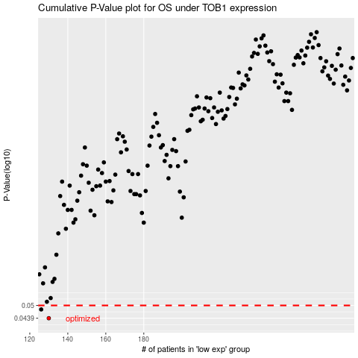

 |  |  |  |  |  | cases_OS | p_OS | rank | exp
 |  |  |  |  |  | 130 | 0.0439 | 392 | -0.5422729283
 |  |  |  |  |  | 126 | 0.048 | 73 | -0.55628442282
 |  |  |  |  |  |  | cases_RFS | p_RFS | rank | exp
 |  |  |  |  |  |  | 129 | 0.0439 | 87 | -0.5423465088
 |  |  |  |  |  |  | 125 | 0.048 | 216 | -0.56449299729

