TOB2 _multivariate
Reported by Tex Li-Hsing Chi. tex@gate.sinica.edu.tw 2019-08-15

Table 2. The clinicopathological features of HNSCC cohort and TOB2 expression. (Chi square test)
Cutoff at -0.339 (38.9%)
 |  | TOB2 expression |  | TOB2 expression |  | (Optimised)
 | Features | Low | (%) | High | (%) | Case no | P-value | Remark | Matthews
Gender | Female | 123 | 29.6 | 183 | 44.1 | 415 | 0.386 | 0 | 0
2 | Male | 38 | 9.2 | 71 | 17.1
Age at diagnosis | <=65y | 106 | 25.5 | 168 | 40.5 | 415 | 1 | 0 | 0
4 | >65y | 55 | 13.3 | 86 | 20.7
Clinical T Status | T1+T2 | 63 | 15.2 | 86 | 20.7 | 415 | 0.3242 | 0 | 0
6 | T3+T4 | 98 | 23.6 | 168 | 40.5
Clinical N Status | N0 | 84 | 20.2 | 132 | 31.8 | 415 | 1 | 0 | 0
8 | N1-3 | 77 | 18.6 | 122 | 29.4
Clinical M Status | M0 | 160 | 38.6 | 252 | 60.7 | 415 | 1 | 0 | 0
10 | M1 | 1 | 0.2 | 2 | 0.5
Clinical Stage | Stage I+II | 40 | 9.6 | 62 | 14.9 | 415 | 1 | 0 | 0
12 | Stage III+IV | 121 | 29.2 | 192 | 46.3
Surgical Margin status | Negative | 125 | 30.1 | 193 | 46.5 | 415 | 0.7225 | 0 | 0
14 | Positive | 36 | 8.7 | 61 | 14.7
Tobacco Exposure | Low | 72 | 17.3 | 89 | 21.4 | 415 | 0.0504 | 0 | 0
16 | High | 89 | 21.4 | 165 | 39.8

Table 3. Univariate/Multivariate Cox's proportional hazards regression analyses on OS time of TOB2 gene expression in HNSCC

 |  | Univariate |  |  |  | Multivariate
 | Features | HR | CI95%(L) | CI95%(H) | P-value | HR | CI95%(L) | CI95%(H) | P-value
1 | Female | 1 |  |  |  | 1
Gender | Male | 1.157 | 0.843 | 1.587 | 0.367 | 1.177 | 0.842 | 1.645 | 0.341
11 | <=65y | 1 |  |  |  | 1
Age at diagnosis | >65y | 1.329 | 0.99 | 1.784 | 0.058 | 1.417 | 1.041 | 1.929 | 0.027
12 | T1+T2 | 1 |  |  |  | 1
Clinical T Status | T3+T4 | 1.409 | 1.028 | 1.931 | 0.033 | 2.143 | 1.133 | 4.055 | 0.019
13 | N0 | 1 |  |  |  | 1
Clinical N Status | N1-3 | 1.185 | 0.89 | 1.577 | 0.246 | 1.258 | 0.881 | 1.797 | 0.207
14 | M0 | 1 |  |  |  | 1
Clinical M Status | M1 | 4.097 | 1.009 | 16.644 | 0.049 | 9.223 | 2.011 | 42.3 | 0.004
15 | Stage I+II | 1 |  |  |  | 1
Clinical Stage | Stage III+IV | 1.245 | 0.882 | 1.759 | 0.213 | 0.513 | 0.239 | 1.101 | 0.086
16 | Negative | 1 |  |  |  | 1
Surgical Margin status | Positive | 1.591 | 1.155 | 2.191 | 0.004 | 1.661 | 1.202 | 2.296 | 0.002
17 | Low | 1 |  |  |  | 1
Tobacco Exposure | High | 1.364 | 1.008 | 1.844 | 0.044 | 1.424 | 1.033 | 1.964 | 0.031
18 | Low | 1 |  |  |  | 1
RNAseq(z-score) | High | 1.397 | 1.023 | 1.908 | 0.035 | 1.343 | 0.98 | 1.839 | 0.066

Table 4. Univariate/Multivariate Cox's proportional hazards regression analyses on RFS time of TOB2 gene expression in HNSCC

 |  | Univariate |  |  |  | Multivariate
 | Features | HR | CI95%(L) | CI95%(H) | P-value | HR | CI95%(L) | CI95%(H) | P-value
1 | Female | 1 |  |  |  | 1
Gender | Male | 1.157 | 0.843 | 1.587 | 0.367 | 1.177 | 0.842 | 1.645 | 0.341
11 | <=65y | 1 |  |  |  | 1
Age at diagnosis | >65y | 1.329 | 0.99 | 1.784 | 0.058 | 1.417 | 1.041 | 1.929 | 0.027
12 | T1+T2 | 1 |  |  |  | 1
Clinical T Status | T3+T4 | 1.409 | 1.028 | 1.931 | 0.033 | 2.143 | 1.133 | 4.055 | 0.019
13 | N0 | 1 |  |  |  | 1
Clinical N Status | N1-3 | 1.185 | 0.89 | 1.577 | 0.246 | 1.258 | 0.881 | 1.797 | 0.207
14 | M0 | 1 |  |  |  | 1
Clinical M Status | M1 | 4.097 | 1.009 | 16.644 | 0.049 | 9.223 | 2.011 | 42.3 | 0.004
15 | Stage I+II | 1 |  |  |  | 1
Clinical Stage | Stage III+IV | 1.245 | 0.882 | 1.759 | 0.213 | 0.513 | 0.239 | 1.101 | 0.086
16 | Negative | 1 |  |  |  | 1
Surgical Margin status | Positive | 1.591 | 1.155 | 2.191 | 0.004 | 1.661 | 1.202 | 2.296 | 0.002
17 | Low | 1 |  |  |  | 1
Tobacco Exposure | High | 1.364 | 1.008 | 1.844 | 0.044 | 1.424 | 1.033 | 1.964 | 0.031
18 | Low | 1 |  |  |  | 1
RNAseq(z-score) | High | 1.397 | 1.023 | 1.908 | 0.035 | 1.343 | 0.98 | 1.839 | 0.066

Kaplan-Meier survival estimate: Cutoff at -0.339 (38.9%)

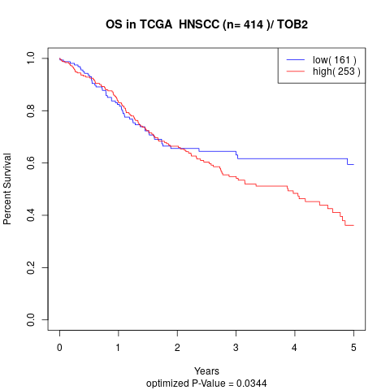

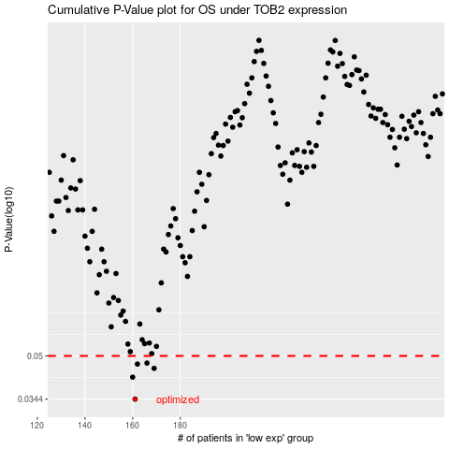

 |  |  |  |  |  | cases_OS | p_OS | rank | exp
 |  |  |  |  |  | 161 | 0.0344 | 66 | -0.33859921349
 |  |  |  |  |  | 160 | 0.0416 | 324 | -0.34015158019
 |  |  |  |  |  | 169 | 0.0449 | 215 | -0.29869539162
 |  |  |  |  |  | 162 | 0.0466 | 297 | -0.33817291491
 |  |  |  |  |  | 166 | 0.047 | 87 | -0.31168651344
 |  |  |  |  |  |  | cases_RFS | p_RFS | rank | exp
 |  |  |  |  |  |  | 160 | 0.0344 | 324 | -0.34015158019
 |  |  |  |  |  |  | 159 | 0.0416 | 400 | -0.34190110034
 |  |  |  |  |  |  | 168 | 0.0449 | 294 | -0.30383024675
 |  |  |  |  |  |  | 161 | 0.0466 | 66 | -0.33859921349
 |  |  |  |  |  |  | 165 | 0.047 | 234 | -0.31206193371

