TOLLIP _multivariate
Reported by Tex Li-Hsing Chi. tex@gate.sinica.edu.tw 2019-08-15

Table 2. The clinicopathological features of HNSCC cohort and TOLLIP expression. (Chi square test)
Cutoff at -0.189 (50.0%)
 |  | TOLLIP expression |  | TOLLIP expression |  | (Optimised)
 | Features | Low | (%) | High | (%) | Case no | P-value | Remark | Matthews
Gender | Female | 161 | 38.8 | 145 | 34.9 | 415 | 0.0792 | 0 | 0
2 | Male | 46 | 11.1 | 63 | 15.2
Age at diagnosis | <=65y | 134 | 32.3 | 140 | 33.7 | 415 | 0.6529 | 0 | 0
4 | >65y | 73 | 17.6 | 68 | 16.4
Clinical T Status | T1+T2 | 81 | 19.5 | 68 | 16.4 | 415 | 0.206 | 0 | 0
6 | T3+T4 | 126 | 30.4 | 140 | 33.7
Clinical N Status | N0 | 103 | 24.8 | 113 | 27.2 | 415 | 0.4047 | 0 | 0
8 | N1-3 | 104 | 25.1 | 95 | 22.9
Clinical M Status | M0 | 206 | 49.6 | 206 | 49.6 | 415 | 1 | 0 | 0
10 | M1 | 1 | 0.2 | 2 | 0.5
Clinical Stage | Stage I+II | 49 | 11.8 | 53 | 12.8 | 415 | 0.7535 | 0 | 0
12 | Stage III+IV | 158 | 38.1 | 155 | 37.3
Surgical Margin status | Negative | 157 | 37.8 | 161 | 38.8 | 415 | 0.729 | 0 | 0
14 | Positive | 50 | 12 | 47 | 11.3
Tobacco Exposure | Low | 63 | 15.2 | 98 | 23.6 | 415 | 6e-04 | 1 | 0
16 | High | 144 | 34.7 | 110 | 26.5

Table 3. Univariate/Multivariate Cox's proportional hazards regression analyses on OS time of TOLLIP gene expression in HNSCC

 |  | Univariate |  |  |  | Multivariate
 | Features | HR | CI95%(L) | CI95%(H) | P-value | HR | CI95%(L) | CI95%(H) | P-value
1 | Female | 1 |  |  |  | 1
Gender | Male | 1.157 | 0.843 | 1.587 | 0.367 | 1.211 | 0.867 | 1.69 | 0.262
11 | <=65y | 1 |  |  |  | 1
Age at diagnosis | >65y | 1.329 | 0.99 | 1.784 | 0.058 | 1.369 | 1.006 | 1.863 | 0.046
12 | T1+T2 | 1 |  |  |  | 1
Clinical T Status | T3+T4 | 1.409 | 1.028 | 1.931 | 0.033 | 2.307 | 1.216 | 4.379 | 0.011
13 | N0 | 1 |  |  |  | 1
Clinical N Status | N1-3 | 1.185 | 0.89 | 1.577 | 0.246 | 1.247 | 0.873 | 1.781 | 0.224
14 | M0 | 1 |  |  |  | 1
Clinical M Status | M1 | 4.097 | 1.009 | 16.644 | 0.049 | 10.478 | 2.268 | 48.414 | 0.003
15 | Stage I+II | 1 |  |  |  | 1
Clinical Stage | Stage III+IV | 1.245 | 0.882 | 1.759 | 0.213 | 0.474 | 0.22 | 1.022 | 0.057
16 | Negative | 1 |  |  |  | 1
Surgical Margin status | Positive | 1.591 | 1.155 | 2.191 | 0.004 | 1.69 | 1.222 | 2.337 | 0.001
17 | Low | 1 |  |  |  | 1
Tobacco Exposure | High | 1.364 | 1.008 | 1.844 | 0.044 | 1.409 | 1.02 | 1.945 | 0.037
18 | Low | 1 |  |  |  | 1
RNAseq(z-score) | High | 0.826 | 0.618 | 1.103 | 0.195 | 0.81 | 0.602 | 1.089 | 0.163

Table 4. Univariate/Multivariate Cox's proportional hazards regression analyses on RFS time of TOLLIP gene expression in HNSCC

 |  | Univariate |  |  |  | Multivariate
 | Features | HR | CI95%(L) | CI95%(H) | P-value | HR | CI95%(L) | CI95%(H) | P-value
1 | Female | 1 |  |  |  | 1
Gender | Male | 1.157 | 0.843 | 1.587 | 0.367 | 1.211 | 0.867 | 1.69 | 0.262
11 | <=65y | 1 |  |  |  | 1
Age at diagnosis | >65y | 1.329 | 0.99 | 1.784 | 0.058 | 1.369 | 1.006 | 1.863 | 0.046
12 | T1+T2 | 1 |  |  |  | 1
Clinical T Status | T3+T4 | 1.409 | 1.028 | 1.931 | 0.033 | 2.307 | 1.216 | 4.379 | 0.011
13 | N0 | 1 |  |  |  | 1
Clinical N Status | N1-3 | 1.185 | 0.89 | 1.577 | 0.246 | 1.247 | 0.873 | 1.781 | 0.224
14 | M0 | 1 |  |  |  | 1
Clinical M Status | M1 | 4.097 | 1.009 | 16.644 | 0.049 | 10.478 | 2.268 | 48.414 | 0.003
15 | Stage I+II | 1 |  |  |  | 1
Clinical Stage | Stage III+IV | 1.245 | 0.882 | 1.759 | 0.213 | 0.474 | 0.22 | 1.022 | 0.057
16 | Negative | 1 |  |  |  | 1
Surgical Margin status | Positive | 1.591 | 1.155 | 2.191 | 0.004 | 1.69 | 1.222 | 2.337 | 0.001
17 | Low | 1 |  |  |  | 1
Tobacco Exposure | High | 1.364 | 1.008 | 1.844 | 0.044 | 1.409 | 1.02 | 1.945 | 0.037
18 | Low | 1 |  |  |  | 1
RNAseq(z-score) | High | 0.826 | 0.618 | 1.103 | 0.195 | 0.81 | 0.602 | 1.089 | 0.163

Kaplan-Meier survival estimate: Cutoff at -0.189 (50.0%)



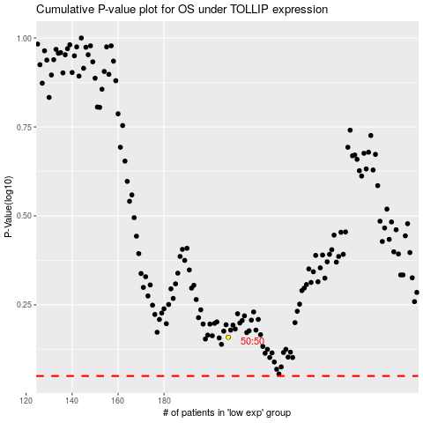

 |  |  |  |  |  | cases_OS | p_OS | rank | exp
 |  |  |  |  |  |  | cases_RFS | p_RFS | rank | exp

