TOM1L1 _multivariate
Reported by Tex Li-Hsing Chi. tex@gate.sinica.edu.tw 2019-08-15

Table 2. The clinicopathological features of HNSCC cohort and TOM1L1 expression. (Chi square test)
Cutoff at -0.171 (49.8%)
 |  | TOM1L1 expression |  | TOM1L1 expression |  | (Optimised)
 | Features | Low | (%) | High | (%) | Case no | P-value | Remark | Matthews
Gender | Female | 147 | 35.4 | 159 | 38.3 | 415 | 0.2523 | 0 | 0
2 | Male | 60 | 14.5 | 49 | 11.8
Age at diagnosis | <=65y | 133 | 32 | 141 | 34 | 415 | 0.5111 | 0 | 0
4 | >65y | 74 | 17.8 | 67 | 16.1
Clinical T Status | T1+T2 | 84 | 20.2 | 65 | 15.7 | 415 | 0.0603 | 0 | 0
6 | T3+T4 | 123 | 29.6 | 143 | 34.5
Clinical N Status | N0 | 109 | 26.3 | 107 | 25.8 | 415 | 0.8812 | 0 | 0
8 | N1-3 | 98 | 23.6 | 101 | 24.3
Clinical M Status | M0 | 206 | 49.6 | 206 | 49.6 | 415 | 1 | 0 | 0
10 | M1 | 1 | 0.2 | 2 | 0.5
Clinical Stage | Stage I+II | 61 | 14.7 | 41 | 9.9 | 415 | 0.0282 | 1 | 0
12 | Stage III+IV | 146 | 35.2 | 167 | 40.2
Surgical Margin status | Negative | 161 | 38.8 | 157 | 37.8 | 415 | 0.6429 | 0 | 0
14 | Positive | 46 | 11.1 | 51 | 12.3
Tobacco Exposure | Low | 96 | 23.1 | 65 | 15.7 | 415 | 0.0018 | 1 | 0
16 | High | 111 | 26.7 | 143 | 34.5

Table 3. Univariate/Multivariate Cox's proportional hazards regression analyses on OS time of TOM1L1 gene expression in HNSCC

 |  | Univariate |  |  |  | Multivariate
 | Features | HR | CI95%(L) | CI95%(H) | P-value | HR | CI95%(L) | CI95%(H) | P-value
1 | Female | 1 |  |  |  | 1
Gender | Male | 1.157 | 0.843 | 1.587 | 0.367 | 1.195 | 0.856 | 1.668 | 0.294
11 | <=65y | 1 |  |  |  | 1
Age at diagnosis | >65y | 1.329 | 0.99 | 1.784 | 0.058 | 1.409 | 1.036 | 1.917 | 0.029
12 | T1+T2 | 1 |  |  |  | 1
Clinical T Status | T3+T4 | 1.409 | 1.028 | 1.931 | 0.033 | 2.306 | 1.214 | 4.38 | 0.011
13 | N0 | 1 |  |  |  | 1
Clinical N Status | N1-3 | 1.185 | 0.89 | 1.577 | 0.246 | 1.286 | 0.898 | 1.843 | 0.17
14 | M0 | 1 |  |  |  | 1
Clinical M Status | M1 | 4.097 | 1.009 | 16.644 | 0.049 | 9.614 | 2.096 | 44.103 | 0.004
15 | Stage I+II | 1 |  |  |  | 1
Clinical Stage | Stage III+IV | 1.245 | 0.882 | 1.759 | 0.213 | 0.457 | 0.21 | 0.995 | 0.048
16 | Negative | 1 |  |  |  | 1
Surgical Margin status | Positive | 1.591 | 1.155 | 2.191 | 0.004 | 1.715 | 1.238 | 2.376 | 0.001
17 | Low | 1 |  |  |  | 1
Tobacco Exposure | High | 1.364 | 1.008 | 1.844 | 0.044 | 1.411 | 1.023 | 1.948 | 0.036
18 | Low | 1 |  |  |  | 1
RNAseq(z-score) | High | 1.184 | 0.886 | 1.581 | 0.254 | 1.233 | 0.912 | 1.668 | 0.173

Table 4. Univariate/Multivariate Cox's proportional hazards regression analyses on RFS time of TOM1L1 gene expression in HNSCC

 |  | Univariate |  |  |  | Multivariate
 | Features | HR | CI95%(L) | CI95%(H) | P-value | HR | CI95%(L) | CI95%(H) | P-value
1 | Female | 1 |  |  |  | 1
Gender | Male | 1.157 | 0.843 | 1.587 | 0.367 | 1.195 | 0.856 | 1.668 | 0.294
11 | <=65y | 1 |  |  |  | 1
Age at diagnosis | >65y | 1.329 | 0.99 | 1.784 | 0.058 | 1.409 | 1.036 | 1.917 | 0.029
12 | T1+T2 | 1 |  |  |  | 1
Clinical T Status | T3+T4 | 1.409 | 1.028 | 1.931 | 0.033 | 2.306 | 1.214 | 4.38 | 0.011
13 | N0 | 1 |  |  |  | 1
Clinical N Status | N1-3 | 1.185 | 0.89 | 1.577 | 0.246 | 1.286 | 0.898 | 1.843 | 0.17
14 | M0 | 1 |  |  |  | 1
Clinical M Status | M1 | 4.097 | 1.009 | 16.644 | 0.049 | 9.614 | 2.096 | 44.103 | 0.004
15 | Stage I+II | 1 |  |  |  | 1
Clinical Stage | Stage III+IV | 1.245 | 0.882 | 1.759 | 0.213 | 0.457 | 0.21 | 0.995 | 0.048
16 | Negative | 1 |  |  |  | 1
Surgical Margin status | Positive | 1.591 | 1.155 | 2.191 | 0.004 | 1.715 | 1.238 | 2.376 | 0.001
17 | Low | 1 |  |  |  | 1
Tobacco Exposure | High | 1.364 | 1.008 | 1.844 | 0.044 | 1.411 | 1.023 | 1.948 | 0.036
18 | Low | 1 |  |  |  | 1
RNAseq(z-score) | High | 1.184 | 0.886 | 1.581 | 0.254 | 1.233 | 0.912 | 1.668 | 0.173

Kaplan-Meier survival estimate: Cutoff at -0.171 (49.8%)



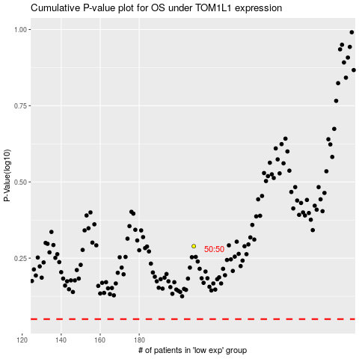

 |  |  |  |  |  | cases_OS | p_OS | rank | exp
 |  |  |  |  |  |  | cases_RFS | p_RFS | rank | exp

