TOMM20 _multivariate
Reported by Tex Li-Hsing Chi. tex@gate.sinica.edu.tw 2019-08-15

Table 2. The clinicopathological features of HNSCC cohort and TOMM20 expression. (Chi square test)
Cutoff at -0.27 (50.0%)
 |  | TOMM20 expression |  | TOMM20 expression |  | (Optimised)
 | Features | Low | (%) | High | (%) | Case no | P-value | Remark | Matthews
Gender | Female | 150 | 36.1 | 156 | 37.6 | 415 | 0.6344 | 0 | 0
2 | Male | 57 | 13.7 | 52 | 12.5
Age at diagnosis | <=65y | 145 | 34.9 | 129 | 31.1 | 415 | 0.1046 | 0 | 0
4 | >65y | 62 | 14.9 | 79 | 19
Clinical T Status | T1+T2 | 83 | 20 | 66 | 15.9 | 415 | 0.0941 | 0 | 0
6 | T3+T4 | 124 | 29.9 | 142 | 34.2
Clinical N Status | N0 | 111 | 26.7 | 105 | 25.3 | 415 | 0.5875 | 0 | 0
8 | N1-3 | 96 | 23.1 | 103 | 24.8
Clinical M Status | M0 | 206 | 49.6 | 206 | 49.6 | 415 | 1 | 0 | 0
10 | M1 | 1 | 0.2 | 2 | 0.5
Clinical Stage | Stage I+II | 60 | 14.5 | 42 | 10.1 | 415 | 0.0493 | 1 | 0
12 | Stage III+IV | 147 | 35.4 | 166 | 40
Surgical Margin status | Negative | 163 | 39.3 | 155 | 37.3 | 415 | 0.3537 | 0 | 0
14 | Positive | 44 | 10.6 | 53 | 12.8
Tobacco Exposure | Low | 99 | 23.9 | 62 | 14.9 | 415 | 2e-04 | 1 | 0
16 | High | 108 | 26 | 146 | 35.2

Table 3. Univariate/Multivariate Cox's proportional hazards regression analyses on OS time of TOMM20 gene expression in HNSCC

 |  | Univariate |  |  |  | Multivariate
 | Features | HR | CI95%(L) | CI95%(H) | P-value | HR | CI95%(L) | CI95%(H) | P-value
1 | Female | 1 |  |  |  | 1
Gender | Male | 1.157 | 0.843 | 1.587 | 0.367 | 1.201 | 0.86 | 1.677 | 0.283
11 | <=65y | 1 |  |  |  | 1
Age at diagnosis | >65y | 1.329 | 0.99 | 1.784 | 0.058 | 1.391 | 1.023 | 1.891 | 0.035
12 | T1+T2 | 1 |  |  |  | 1
Clinical T Status | T3+T4 | 1.409 | 1.028 | 1.931 | 0.033 | 2.2 | 1.163 | 4.159 | 0.015
13 | N0 | 1 |  |  |  | 1
Clinical N Status | N1-3 | 1.185 | 0.89 | 1.577 | 0.246 | 1.239 | 0.868 | 1.768 | 0.237
14 | M0 | 1 |  |  |  | 1
Clinical M Status | M1 | 4.097 | 1.009 | 16.644 | 0.049 | 9.355 | 2.04 | 42.905 | 0.004
15 | Stage I+II | 1 |  |  |  | 1
Clinical Stage | Stage III+IV | 1.245 | 0.882 | 1.759 | 0.213 | 0.503 | 0.234 | 1.081 | 0.078
16 | Negative | 1 |  |  |  | 1
Surgical Margin status | Positive | 1.591 | 1.155 | 2.191 | 0.004 | 1.66 | 1.197 | 2.302 | 0.002
17 | Low | 1 |  |  |  | 1
Tobacco Exposure | High | 1.364 | 1.008 | 1.844 | 0.044 | 1.44 | 1.039 | 1.997 | 0.028
18 | Low | 1 |  |  |  | 1
RNAseq(z-score) | High | 1.196 | 0.898 | 1.594 | 0.221 | 1.041 | 0.773 | 1.404 | 0.79

Table 4. Univariate/Multivariate Cox's proportional hazards regression analyses on RFS time of TOMM20 gene expression in HNSCC

 |  | Univariate |  |  |  | Multivariate
 | Features | HR | CI95%(L) | CI95%(H) | P-value | HR | CI95%(L) | CI95%(H) | P-value
1 | Female | 1 |  |  |  | 1
Gender | Male | 1.157 | 0.843 | 1.587 | 0.367 | 1.201 | 0.86 | 1.677 | 0.283
11 | <=65y | 1 |  |  |  | 1
Age at diagnosis | >65y | 1.329 | 0.99 | 1.784 | 0.058 | 1.391 | 1.023 | 1.891 | 0.035
12 | T1+T2 | 1 |  |  |  | 1
Clinical T Status | T3+T4 | 1.409 | 1.028 | 1.931 | 0.033 | 2.2 | 1.163 | 4.159 | 0.015
13 | N0 | 1 |  |  |  | 1
Clinical N Status | N1-3 | 1.185 | 0.89 | 1.577 | 0.246 | 1.239 | 0.868 | 1.768 | 0.237
14 | M0 | 1 |  |  |  | 1
Clinical M Status | M1 | 4.097 | 1.009 | 16.644 | 0.049 | 9.355 | 2.04 | 42.905 | 0.004
15 | Stage I+II | 1 |  |  |  | 1
Clinical Stage | Stage III+IV | 1.245 | 0.882 | 1.759 | 0.213 | 0.503 | 0.234 | 1.081 | 0.078
16 | Negative | 1 |  |  |  | 1
Surgical Margin status | Positive | 1.591 | 1.155 | 2.191 | 0.004 | 1.66 | 1.197 | 2.302 | 0.002
17 | Low | 1 |  |  |  | 1
Tobacco Exposure | High | 1.364 | 1.008 | 1.844 | 0.044 | 1.44 | 1.039 | 1.997 | 0.028
18 | Low | 1 |  |  |  | 1
RNAseq(z-score) | High | 1.196 | 0.898 | 1.594 | 0.221 | 1.041 | 0.773 | 1.404 | 0.79

Kaplan-Meier survival estimate: Cutoff at -0.27 (50.0%)



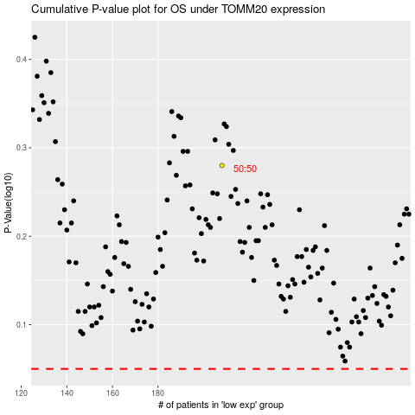

 |  |  |  |  |  | cases_OS | p_OS | rank | exp
 |  |  |  |  |  |  | cases_RFS | p_RFS | rank | exp

