TOMM20L _multivariate
Reported by Tex Li-Hsing Chi. tex@gate.sinica.edu.tw 2019-08-15

Table 2. The clinicopathological features of HNSCC cohort and TOMM20L expression. (Chi square test)
Cutoff at -0.254 (49.8%)
 |  | TOMM20L expression |  | TOMM20L expression |  | (Optimised)
 | Features | Low | (%) | High | (%) | Case no | P-value | Remark | Matthews
Gender | Female | 148 | 35.7 | 158 | 38.1 | 415 | 0.3567 | 0 | 0
2 | Male | 59 | 14.2 | 50 | 12
Age at diagnosis | <=65y | 134 | 32.3 | 140 | 33.7 | 415 | 0.6529 | 0 | 0
4 | >65y | 73 | 17.6 | 68 | 16.4
Clinical T Status | T1+T2 | 83 | 20 | 66 | 15.9 | 415 | 0.0941 | 0 | 0
6 | T3+T4 | 124 | 29.9 | 142 | 34.2
Clinical N Status | N0 | 103 | 24.8 | 113 | 27.2 | 415 | 0.4047 | 0 | 0
8 | N1-3 | 104 | 25.1 | 95 | 22.9
Clinical M Status | M0 | 206 | 49.6 | 206 | 49.6 | 415 | 1 | 0 | 0
10 | M1 | 1 | 0.2 | 2 | 0.5
Clinical Stage | Stage I+II | 58 | 14 | 44 | 10.6 | 415 | 0.131 | 0 | 0
12 | Stage III+IV | 149 | 35.9 | 164 | 39.5
Surgical Margin status | Negative | 169 | 40.7 | 149 | 35.9 | 415 | 0.0201 | 1 | 0
14 | Positive | 38 | 9.2 | 59 | 14.2
Tobacco Exposure | Low | 83 | 20 | 78 | 18.8 | 415 | 0.6152 | 0 | 0
16 | High | 124 | 29.9 | 130 | 31.3

Table 3. Univariate/Multivariate Cox's proportional hazards regression analyses on OS time of TOMM20L gene expression in HNSCC

 |  | Univariate |  |  |  | Multivariate
 | Features | HR | CI95%(L) | CI95%(H) | P-value | HR | CI95%(L) | CI95%(H) | P-value
1 | Female | 1 |  |  |  | 1
Gender | Male | 1.157 | 0.843 | 1.587 | 0.367 | 1.198 | 0.858 | 1.674 | 0.289
11 | <=65y | 1 |  |  |  | 1
Age at diagnosis | >65y | 1.329 | 0.99 | 1.784 | 0.058 | 1.389 | 1.023 | 1.887 | 0.035
12 | T1+T2 | 1 |  |  |  | 1
Clinical T Status | T3+T4 | 1.409 | 1.028 | 1.931 | 0.033 | 2.223 | 1.175 | 4.204 | 0.014
13 | N0 | 1 |  |  |  | 1
Clinical N Status | N1-3 | 1.185 | 0.89 | 1.577 | 0.246 | 1.269 | 0.886 | 1.82 | 0.194
14 | M0 | 1 |  |  |  | 1
Clinical M Status | M1 | 4.097 | 1.009 | 16.644 | 0.049 | 9.1 | 1.98 | 41.83 | 0.005
15 | Stage I+II | 1 |  |  |  | 1
Clinical Stage | Stage III+IV | 1.245 | 0.882 | 1.759 | 0.213 | 0.487 | 0.226 | 1.052 | 0.067
16 | Negative | 1 |  |  |  | 1
Surgical Margin status | Positive | 1.591 | 1.155 | 2.191 | 0.004 | 1.637 | 1.18 | 2.272 | 0.003
17 | Low | 1 |  |  |  | 1
Tobacco Exposure | High | 1.364 | 1.008 | 1.844 | 0.044 | 1.449 | 1.051 | 1.996 | 0.023
18 | Low | 1 |  |  |  | 1
RNAseq(z-score) | High | 1.206 | 0.905 | 1.608 | 0.202 | 1.121 | 0.833 | 1.508 | 0.451

Table 4. Univariate/Multivariate Cox's proportional hazards regression analyses on RFS time of TOMM20L gene expression in HNSCC

 |  | Univariate |  |  |  | Multivariate
 | Features | HR | CI95%(L) | CI95%(H) | P-value | HR | CI95%(L) | CI95%(H) | P-value
1 | Female | 1 |  |  |  | 1
Gender | Male | 1.157 | 0.843 | 1.587 | 0.367 | 1.198 | 0.858 | 1.674 | 0.289
11 | <=65y | 1 |  |  |  | 1
Age at diagnosis | >65y | 1.329 | 0.99 | 1.784 | 0.058 | 1.389 | 1.023 | 1.887 | 0.035
12 | T1+T2 | 1 |  |  |  | 1
Clinical T Status | T3+T4 | 1.409 | 1.028 | 1.931 | 0.033 | 2.223 | 1.175 | 4.204 | 0.014
13 | N0 | 1 |  |  |  | 1
Clinical N Status | N1-3 | 1.185 | 0.89 | 1.577 | 0.246 | 1.269 | 0.886 | 1.82 | 0.194
14 | M0 | 1 |  |  |  | 1
Clinical M Status | M1 | 4.097 | 1.009 | 16.644 | 0.049 | 9.1 | 1.98 | 41.83 | 0.005
15 | Stage I+II | 1 |  |  |  | 1
Clinical Stage | Stage III+IV | 1.245 | 0.882 | 1.759 | 0.213 | 0.487 | 0.226 | 1.052 | 0.067
16 | Negative | 1 |  |  |  | 1
Surgical Margin status | Positive | 1.591 | 1.155 | 2.191 | 0.004 | 1.637 | 1.18 | 2.272 | 0.003
17 | Low | 1 |  |  |  | 1
Tobacco Exposure | High | 1.364 | 1.008 | 1.844 | 0.044 | 1.449 | 1.051 | 1.996 | 0.023
18 | Low | 1 |  |  |  | 1
RNAseq(z-score) | High | 1.206 | 0.905 | 1.608 | 0.202 | 1.121 | 0.833 | 1.508 | 0.451

Kaplan-Meier survival estimate: Cutoff at -0.254 (49.8%)



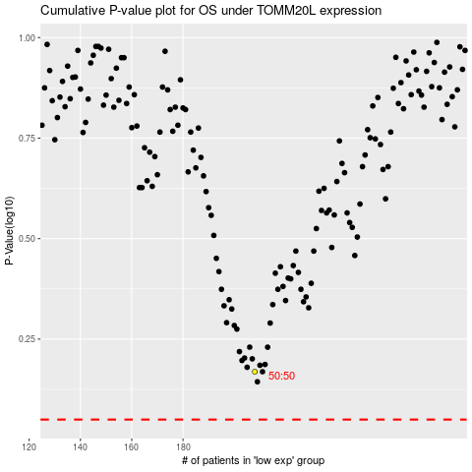

 |  |  |  |  |  | cases_OS | p_OS | rank | exp
 |  |  |  |  |  |  | cases_RFS | p_RFS | rank | exp

