TOMM5 _multivariate
Reported by Tex Li-Hsing Chi. tex@gate.sinica.edu.tw 2019-08-15

Table 2. The clinicopathological features of HNSCC cohort and TOMM5 expression. (Chi square test)
Cutoff at -0.527 (34.1%)
 |  | TOMM5 expression |  | TOMM5 expression |  | (Optimised)
 | Features | Low | (%) | High | (%) | Case no | P-value | Remark | Matthews
Gender | Female | 106 | 25.5 | 200 | 48.2 | 415 | 0.7179 | 0 | 0
2 | Male | 35 | 8.4 | 74 | 17.8
Age at diagnosis | <=65y | 96 | 23.1 | 178 | 42.9 | 415 | 0.5985 | 0 | 0
4 | >65y | 45 | 10.8 | 96 | 23.1
Clinical T Status | T1+T2 | 50 | 12 | 99 | 23.9 | 415 | 0.9786 | 0 | 0
6 | T3+T4 | 91 | 21.9 | 175 | 42.2
Clinical N Status | N0 | 77 | 18.6 | 139 | 33.5 | 415 | 0.5185 | 0 | 0
8 | N1-3 | 64 | 15.4 | 135 | 32.5
Clinical M Status | M0 | 141 | 34 | 271 | 65.3 | 415 | 0.5541 | 0 | 0
10 | M1 | 0 | 0 | 3 | 0.7
Clinical Stage | Stage I+II | 36 | 8.7 | 66 | 15.9 | 415 | 0.8389 | 0 | 0
12 | Stage III+IV | 105 | 25.3 | 208 | 50.1
Surgical Margin status | Negative | 113 | 27.2 | 205 | 49.4 | 415 | 0.2704 | 0 | 0
14 | Positive | 28 | 6.7 | 69 | 16.6
Tobacco Exposure | Low | 57 | 13.7 | 104 | 25.1 | 415 | 0.6708 | 0 | 0
16 | High | 84 | 20.2 | 170 | 41

Table 3. Univariate/Multivariate Cox's proportional hazards regression analyses on OS time of TOMM5 gene expression in HNSCC

 |  | Univariate |  |  |  | Multivariate
 | Features | HR | CI95%(L) | CI95%(H) | P-value | HR | CI95%(L) | CI95%(H) | P-value
1 | Female | 1 |  |  |  | 1
Gender | Male | 1.157 | 0.843 | 1.587 | 0.367 | 1.172 | 0.836 | 1.643 | 0.356
11 | <=65y | 1 |  |  |  | 1
Age at diagnosis | >65y | 1.329 | 0.99 | 1.784 | 0.058 | 1.372 | 1.008 | 1.866 | 0.044
12 | T1+T2 | 1 |  |  |  | 1
Clinical T Status | T3+T4 | 1.409 | 1.028 | 1.931 | 0.033 | 2.245 | 1.187 | 4.243 | 0.013
13 | N0 | 1 |  |  |  | 1
Clinical N Status | N1-3 | 1.185 | 0.89 | 1.577 | 0.246 | 1.22 | 0.855 | 1.741 | 0.273
14 | M0 | 1 |  |  |  | 1
Clinical M Status | M1 | 4.097 | 1.009 | 16.644 | 0.049 | 8.731 | 1.901 | 40.107 | 0.005
15 | Stage I+II | 1 |  |  |  | 1
Clinical Stage | Stage III+IV | 1.245 | 0.882 | 1.759 | 0.213 | 0.508 | 0.237 | 1.091 | 0.082
16 | Negative | 1 |  |  |  | 1
Surgical Margin status | Positive | 1.591 | 1.155 | 2.191 | 0.004 | 1.631 | 1.179 | 2.255 | 0.003
17 | Low | 1 |  |  |  | 1
Tobacco Exposure | High | 1.364 | 1.008 | 1.844 | 0.044 | 1.46 | 1.058 | 2.015 | 0.021
18 | Low | 1 |  |  |  | 1
RNAseq(z-score) | High | 1.374 | 1.007 | 1.874 | 0.045 | 1.31 | 0.955 | 1.797 | 0.094

Table 4. Univariate/Multivariate Cox's proportional hazards regression analyses on RFS time of TOMM5 gene expression in HNSCC

 |  | Univariate |  |  |  | Multivariate
 | Features | HR | CI95%(L) | CI95%(H) | P-value | HR | CI95%(L) | CI95%(H) | P-value
1 | Female | 1 |  |  |  | 1
Gender | Male | 1.157 | 0.843 | 1.587 | 0.367 | 1.172 | 0.836 | 1.643 | 0.356
11 | <=65y | 1 |  |  |  | 1
Age at diagnosis | >65y | 1.329 | 0.99 | 1.784 | 0.058 | 1.372 | 1.008 | 1.866 | 0.044
12 | T1+T2 | 1 |  |  |  | 1
Clinical T Status | T3+T4 | 1.409 | 1.028 | 1.931 | 0.033 | 2.245 | 1.187 | 4.243 | 0.013
13 | N0 | 1 |  |  |  | 1
Clinical N Status | N1-3 | 1.185 | 0.89 | 1.577 | 0.246 | 1.22 | 0.855 | 1.741 | 0.273
14 | M0 | 1 |  |  |  | 1
Clinical M Status | M1 | 4.097 | 1.009 | 16.644 | 0.049 | 8.731 | 1.901 | 40.107 | 0.005
15 | Stage I+II | 1 |  |  |  | 1
Clinical Stage | Stage III+IV | 1.245 | 0.882 | 1.759 | 0.213 | 0.508 | 0.237 | 1.091 | 0.082
16 | Negative | 1 |  |  |  | 1
Surgical Margin status | Positive | 1.591 | 1.155 | 2.191 | 0.004 | 1.631 | 1.179 | 2.255 | 0.003
17 | Low | 1 |  |  |  | 1
Tobacco Exposure | High | 1.364 | 1.008 | 1.844 | 0.044 | 1.46 | 1.058 | 2.015 | 0.021
18 | Low | 1 |  |  |  | 1
RNAseq(z-score) | High | 1.374 | 1.007 | 1.874 | 0.045 | 1.31 | 0.955 | 1.797 | 0.094

Kaplan-Meier survival estimate: Cutoff at -0.527 (34.1%)

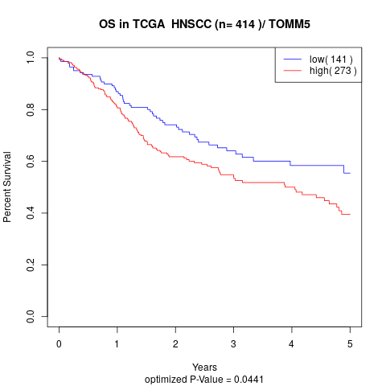

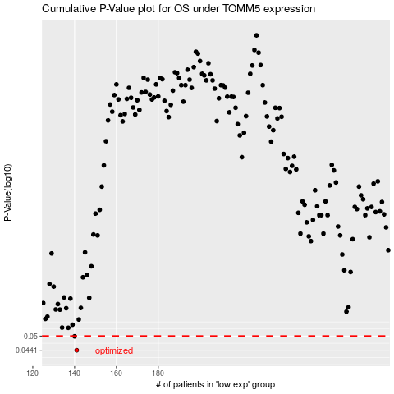

 |  |  |  |  |  | cases_OS | p_OS | rank | exp
 |  |  |  |  |  | 141 | 0.0441 | 186 | -0.5270618482
 |  |  |  |  |  | 140 | 0.0499 | 383 | -0.52971337962
 |  |  |  |  |  |  | cases_RFS | p_RFS | rank | exp
 |  |  |  |  |  |  | 140 | 0.0441 | 383 | -0.52971337962
 |  |  |  |  |  |  | 139 | 0.0499 | 8 | -0.53206761643

