TOMM70A _multivariate
Reported by Tex Li-Hsing Chi. tex@gate.sinica.edu.tw 2019-08-15

Table 2. The clinicopathological features of HNSCC cohort and TOMM70A expression. (Chi square test)
Cutoff at -0.088 (56.3%)
 |  | TOMM70A expression |  | TOMM70A expression |  | (Optimised)
 | Features | Low | (%) | High | (%) | Case no | P-value | Remark | Matthews
Gender | Female | 166 | 40 | 140 | 33.7 | 415 | 0.1743 | 0 | 0
2 | Male | 68 | 16.4 | 41 | 9.9
Age at diagnosis | <=65y | 152 | 36.6 | 122 | 29.4 | 415 | 0.6765 | 0 | 0
4 | >65y | 82 | 19.8 | 59 | 14.2
Clinical T Status | T1+T2 | 83 | 20 | 66 | 15.9 | 415 | 0.9155 | 0 | 0
6 | T3+T4 | 151 | 36.4 | 115 | 27.7
Clinical N Status | N0 | 130 | 31.3 | 86 | 20.7 | 415 | 0.1267 | 0 | 0
8 | N1-3 | 104 | 25.1 | 95 | 22.9
Clinical M Status | M0 | 232 | 55.9 | 180 | 43.4 | 415 | 1 | 0 | 0
10 | M1 | 2 | 0.5 | 1 | 0.2
Clinical Stage | Stage I+II | 62 | 14.9 | 40 | 9.6 | 415 | 0.3594 | 0 | 0
12 | Stage III+IV | 172 | 41.4 | 141 | 34
Surgical Margin status | Negative | 179 | 43.1 | 139 | 33.5 | 415 | 1 | 0 | 0
14 | Positive | 55 | 13.3 | 42 | 10.1
Tobacco Exposure | Low | 102 | 24.6 | 59 | 14.2 | 415 | 0.0255 | 1 | 0
16 | High | 132 | 31.8 | 122 | 29.4

Table 3. Univariate/Multivariate Cox's proportional hazards regression analyses on OS time of TOMM70A gene expression in HNSCC

 |  | Univariate |  |  |  | Multivariate
 | Features | HR | CI95%(L) | CI95%(H) | P-value | HR | CI95%(L) | CI95%(H) | P-value
1 | Female | 1 |  |  |  | 1
Gender | Male | 1.157 | 0.843 | 1.587 | 0.367 | 1.252 | 0.897 | 1.749 | 0.187
11 | <=65y | 1 |  |  |  | 1
Age at diagnosis | >65y | 1.329 | 0.99 | 1.784 | 0.058 | 1.333 | 0.979 | 1.813 | 0.068
12 | T1+T2 | 1 |  |  |  | 1
Clinical T Status | T3+T4 | 1.409 | 1.028 | 1.931 | 0.033 | 2.346 | 1.237 | 4.446 | 0.009
13 | N0 | 1 |  |  |  | 1
Clinical N Status | N1-3 | 1.185 | 0.89 | 1.577 | 0.246 | 1.225 | 0.858 | 1.75 | 0.263
14 | M0 | 1 |  |  |  | 1
Clinical M Status | M1 | 4.097 | 1.009 | 16.644 | 0.049 | 11.054 | 2.396 | 50.998 | 0.002
15 | Stage I+II | 1 |  |  |  | 1
Clinical Stage | Stage III+IV | 1.245 | 0.882 | 1.759 | 0.213 | 0.476 | 0.222 | 1.023 | 0.057
16 | Negative | 1 |  |  |  | 1
Surgical Margin status | Positive | 1.591 | 1.155 | 2.191 | 0.004 | 1.702 | 1.23 | 2.354 | 0.001
17 | Low | 1 |  |  |  | 1
Tobacco Exposure | High | 1.364 | 1.008 | 1.844 | 0.044 | 1.383 | 1.004 | 1.905 | 0.047
18 | Low | 1 |  |  |  | 1
RNAseq(z-score) | High | 1.402 | 1.053 | 1.867 | 0.021 | 1.45 | 1.081 | 1.944 | 0.013

Table 4. Univariate/Multivariate Cox's proportional hazards regression analyses on RFS time of TOMM70A gene expression in HNSCC

 |  | Univariate |  |  |  | Multivariate
 | Features | HR | CI95%(L) | CI95%(H) | P-value | HR | CI95%(L) | CI95%(H) | P-value
1 | Female | 1 |  |  |  | 1
Gender | Male | 1.157 | 0.843 | 1.587 | 0.367 | 1.252 | 0.897 | 1.749 | 0.187
11 | <=65y | 1 |  |  |  | 1
Age at diagnosis | >65y | 1.329 | 0.99 | 1.784 | 0.058 | 1.333 | 0.979 | 1.813 | 0.068
12 | T1+T2 | 1 |  |  |  | 1
Clinical T Status | T3+T4 | 1.409 | 1.028 | 1.931 | 0.033 | 2.346 | 1.237 | 4.446 | 0.009
13 | N0 | 1 |  |  |  | 1
Clinical N Status | N1-3 | 1.185 | 0.89 | 1.577 | 0.246 | 1.225 | 0.858 | 1.75 | 0.263
14 | M0 | 1 |  |  |  | 1
Clinical M Status | M1 | 4.097 | 1.009 | 16.644 | 0.049 | 11.054 | 2.396 | 50.998 | 0.002
15 | Stage I+II | 1 |  |  |  | 1
Clinical Stage | Stage III+IV | 1.245 | 0.882 | 1.759 | 0.213 | 0.476 | 0.222 | 1.023 | 0.057
16 | Negative | 1 |  |  |  | 1
Surgical Margin status | Positive | 1.591 | 1.155 | 2.191 | 0.004 | 1.702 | 1.23 | 2.354 | 0.001
17 | Low | 1 |  |  |  | 1
Tobacco Exposure | High | 1.364 | 1.008 | 1.844 | 0.044 | 1.383 | 1.004 | 1.905 | 0.047
18 | Low | 1 |  |  |  | 1
RNAseq(z-score) | High | 1.402 | 1.053 | 1.867 | 0.021 | 1.45 | 1.081 | 1.944 | 0.013

Kaplan-Meier survival estimate: Cutoff at -0.088 (56.3%)

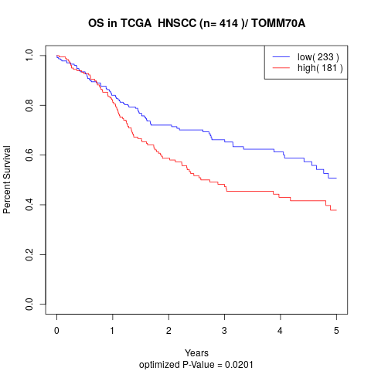

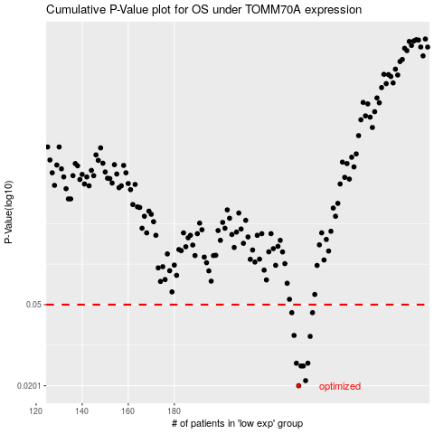

 |  |  |  |  |  | cases_OS | p_OS | rank | exp
 |  |  |  |  |  | 234 | 0.0201 | 265 | -0.087828898807
 |  |  |  |  |  | 237 | 0.0213 | 215 | -0.061366674741
 |  |  |  |  |  | 236 | 0.0251 | 5 | -0.073782925439
 |  |  |  |  |  | 235 | 0.0251 | 342 | -0.078189400403
 |  |  |  |  |  | 238 | 0.0259 | 207 | -0.060329757708
 |  |  |  |  |  | 233 | 0.0259 | 400 | -0.09750176893
 |  |  |  |  |  | 239 | 0.035 | 137 | -0.058112298523
 |  |  |  |  |  | 232 | 0.0354 | 111 | -0.097994318602
 |  |  |  |  |  | 240 | 0.0457 | 107 | -0.049443677759
 |  |  |  |  |  | 231 | 0.0457 | 109 | -0.10564404588
 |  |  |  |  |  |  | cases_RFS | p_RFS | rank | exp
 |  |  |  |  |  |  | 233 | 0.0201 | 400 | -0.09750176893
 |  |  |  |  |  |  | 236 | 0.0213 | 5 | -0.073782925439
 |  |  |  |  |  |  | 234 | 0.0251 | 265 | -0.087828898807
 |  |  |  |  |  |  | 235 | 0.0251 | 342 | -0.078189400403
 |  |  |  |  |  |  | 232 | 0.0259 | 111 | -0.097994318602
 |  |  |  |  |  |  | 237 | 0.0259 | 215 | -0.061366674741
 |  |  |  |  |  |  | 238 | 0.035 | 207 | -0.060329757708
 |  |  |  |  |  |  | 231 | 0.0354 | 109 | -0.10564404588
 |  |  |  |  |  |  | 239 | 0.0457 | 137 | -0.058112298523
 |  |  |  |  |  |  | 230 | 0.0457 | 317 | -0.11477747695

