TOP1MT _multivariate
Reported by Tex Li-Hsing Chi. tex@gate.sinica.edu.tw 2019-08-15

Table 2. The clinicopathological features of HNSCC cohort and TOP1MT expression. (Chi square test)
Cutoff at -0.42 (32.6%)
 |  | TOP1MT expression |  | TOP1MT expression |  | (Optimised)
 | Features | Low | (%) | High | (%) | Case no | P-value | Remark | Matthews
Gender | Female | 94 | 22.7 | 212 | 51.1 | 415 | 0.2299 | 0 | 0
2 | Male | 41 | 9.9 | 68 | 16.4
Age at diagnosis | <=65y | 89 | 21.4 | 185 | 44.6 | 415 | 1 | 0 | 0
4 | >65y | 46 | 11.1 | 95 | 22.9
Clinical T Status | T1+T2 | 61 | 14.7 | 88 | 21.2 | 415 | 0.0086 | 1 | 0
6 | T3+T4 | 74 | 17.8 | 192 | 46.3
Clinical N Status | N0 | 65 | 15.7 | 151 | 36.4 | 415 | 0.3176 | 0 | 0
8 | N1-3 | 70 | 16.9 | 129 | 31.1
Clinical M Status | M0 | 135 | 32.5 | 277 | 66.7 | 415 | 0.5541 | 0 | 0
10 | M1 | 0 | 0 | 3 | 0.7
Clinical Stage | Stage I+II | 35 | 8.4 | 67 | 16.1 | 415 | 0.7482 | 0 | 0
12 | Stage III+IV | 100 | 24.1 | 213 | 51.3
Surgical Margin status | Negative | 99 | 23.9 | 219 | 52.8 | 415 | 0.2687 | 0 | 0
14 | Positive | 36 | 8.7 | 61 | 14.7
Tobacco Exposure | Low | 69 | 16.6 | 92 | 22.2 | 415 | 6e-04 | 1 | 0
16 | High | 66 | 15.9 | 188 | 45.3

Table 3. Univariate/Multivariate Cox's proportional hazards regression analyses on OS time of TOP1MT gene expression in HNSCC

 |  | Univariate |  |  |  | Multivariate
 | Features | HR | CI95%(L) | CI95%(H) | P-value | HR | CI95%(L) | CI95%(H) | P-value
1 | Female | 1 |  |  |  | 1
Gender | Male | 1.157 | 0.843 | 1.587 | 0.367 | 1.222 | 0.872 | 1.714 | 0.244
11 | <=65y | 1 |  |  |  | 1
Age at diagnosis | >65y | 1.329 | 0.99 | 1.784 | 0.058 | 1.392 | 1.023 | 1.893 | 0.035
12 | T1+T2 | 1 |  |  |  | 1
Clinical T Status | T3+T4 | 1.409 | 1.028 | 1.931 | 0.033 | 2.007 | 1.055 | 3.819 | 0.034
13 | N0 | 1 |  |  |  | 1
Clinical N Status | N1-3 | 1.185 | 0.89 | 1.577 | 0.246 | 1.259 | 0.882 | 1.797 | 0.205
14 | M0 | 1 |  |  |  | 1
Clinical M Status | M1 | 4.097 | 1.009 | 16.644 | 0.049 | 7.922 | 1.711 | 36.682 | 0.008
15 | Stage I+II | 1 |  |  |  | 1
Clinical Stage | Stage III+IV | 1.245 | 0.882 | 1.759 | 0.213 | 0.541 | 0.251 | 1.164 | 0.116
16 | Negative | 1 |  |  |  | 1
Surgical Margin status | Positive | 1.591 | 1.155 | 2.191 | 0.004 | 1.697 | 1.228 | 2.346 | 0.001
17 | Low | 1 |  |  |  | 1
Tobacco Exposure | High | 1.364 | 1.008 | 1.844 | 0.044 | 1.407 | 1.017 | 1.948 | 0.039
18 | Low | 1 |  |  |  | 1
RNAseq(z-score) | High | 1.439 | 1.047 | 1.976 | 0.025 | 1.352 | 0.975 | 1.875 | 0.071

Table 4. Univariate/Multivariate Cox's proportional hazards regression analyses on RFS time of TOP1MT gene expression in HNSCC

 |  | Univariate |  |  |  | Multivariate
 | Features | HR | CI95%(L) | CI95%(H) | P-value | HR | CI95%(L) | CI95%(H) | P-value
1 | Female | 1 |  |  |  | 1
Gender | Male | 1.157 | 0.843 | 1.587 | 0.367 | 1.222 | 0.872 | 1.714 | 0.244
11 | <=65y | 1 |  |  |  | 1
Age at diagnosis | >65y | 1.329 | 0.99 | 1.784 | 0.058 | 1.392 | 1.023 | 1.893 | 0.035
12 | T1+T2 | 1 |  |  |  | 1
Clinical T Status | T3+T4 | 1.409 | 1.028 | 1.931 | 0.033 | 2.007 | 1.055 | 3.819 | 0.034
13 | N0 | 1 |  |  |  | 1
Clinical N Status | N1-3 | 1.185 | 0.89 | 1.577 | 0.246 | 1.259 | 0.882 | 1.797 | 0.205
14 | M0 | 1 |  |  |  | 1
Clinical M Status | M1 | 4.097 | 1.009 | 16.644 | 0.049 | 7.922 | 1.711 | 36.682 | 0.008
15 | Stage I+II | 1 |  |  |  | 1
Clinical Stage | Stage III+IV | 1.245 | 0.882 | 1.759 | 0.213 | 0.541 | 0.251 | 1.164 | 0.116
16 | Negative | 1 |  |  |  | 1
Surgical Margin status | Positive | 1.591 | 1.155 | 2.191 | 0.004 | 1.697 | 1.228 | 2.346 | 0.001
17 | Low | 1 |  |  |  | 1
Tobacco Exposure | High | 1.364 | 1.008 | 1.844 | 0.044 | 1.407 | 1.017 | 1.948 | 0.039
18 | Low | 1 |  |  |  | 1
RNAseq(z-score) | High | 1.439 | 1.047 | 1.976 | 0.025 | 1.352 | 0.975 | 1.875 | 0.071

Kaplan-Meier survival estimate: Cutoff at -0.42 (32.6%)

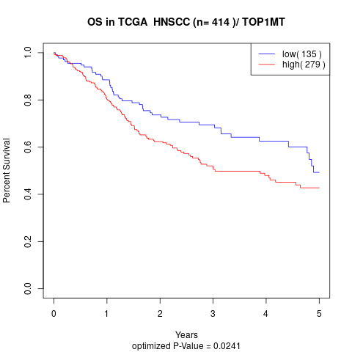

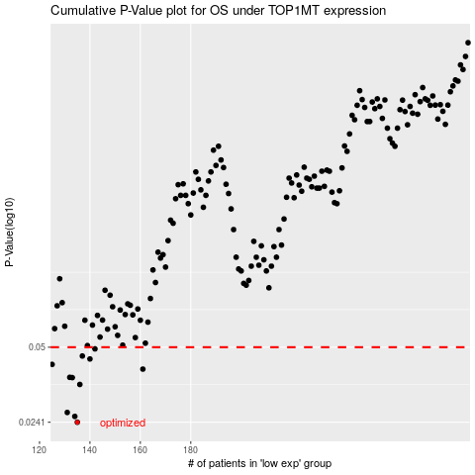

 |  |  |  |  |  | cases_OS | p_OS | rank | exp
 |  |  |  |  |  | 135 | 0.0241 | 344 | -0.42013935055
 |  |  |  |  |  | 134 | 0.0255 | 81 | -0.4244569735
 |  |  |  |  |  | 131 | 0.0265 | 70 | -0.4367766213
 |  |  |  |  |  | 136 | 0.0348 | 385 | -0.41810695596
 |  |  |  |  |  | 133 | 0.0372 | 272 | -0.42851355379
 |  |  |  |  |  | 132 | 0.0373 | 342 | -0.43238132963
 |  |  |  |  |  | 161 | 0.0404 | 373 | -0.28887909165
 |  |  |  |  |  | 125 | 0.0423 | 155 | -0.46031213707
 |  |  |  |  |  | 140 | 0.0446 | 224 | -0.40042665117
 |  |  |  |  |  | 137 | 0.0459 | 247 | -0.41267848092
 |  |  |  |  |  | 142 | 0.0492 | 43 | -0.39342977319
 |  |  |  |  |  |  | cases_RFS | p_RFS | rank | exp
 |  |  |  |  |  |  | 134 | 0.0241 | 81 | -0.4244569735
 |  |  |  |  |  |  | 133 | 0.0255 | 272 | -0.42851355379
 |  |  |  |  |  |  | 130 | 0.0265 | 271 | -0.43687399135
 |  |  |  |  |  |  | 135 | 0.0348 | 344 | -0.42013935055
 |  |  |  |  |  |  | 132 | 0.0372 | 342 | -0.43238132963
 |  |  |  |  |  |  | 131 | 0.0373 | 70 | -0.4367766213
 |  |  |  |  |  |  | 160 | 0.0404 | 230 | -0.28914417561
 |  |  |  |  |  |  |  | 0.0423 | 260 | -0.46279677828
 |  |  |  |  |  |  | 139 | 0.0446 | 294 | -0.40415437074
 |  |  |  |  |  |  | 136 | 0.0459 | 385 | -0.41810695596
 |  |  |  |  |  |  | 141 | 0.0492 | 106 | -0.39668630254

