TOP1P2 _multivariate
Reported by Tex Li-Hsing Chi. tex@gate.sinica.edu.tw 2019-08-15

Table 2. The clinicopathological features of HNSCC cohort and TOP1P2 expression. (Chi square test)
Cutoff at -0.144 (50.0%)
 |  | TOP1P2 expression |  | TOP1P2 expression |  | (Optimised)
 | Features | Low | (%) | High | (%) | Case no | P-value | Remark | Matthews
Gender | Female | 153 | 36.9 | 153 | 36.9 | 415 | 1 | 0 | 0
2 | Male | 54 | 13 | 55 | 13.3
Age at diagnosis | <=65y | 132 | 31.8 | 142 | 34.2 | 415 | 0.3874 | 0 | 0
4 | >65y | 75 | 18.1 | 66 | 15.9
Clinical T Status | T1+T2 | 68 | 16.4 | 81 | 19.5 | 415 | 0.2336 | 0 | 0
6 | T3+T4 | 139 | 33.5 | 127 | 30.6
Clinical N Status | N0 | 103 | 24.8 | 113 | 27.2 | 415 | 0.4047 | 0 | 0
8 | N1-3 | 104 | 25.1 | 95 | 22.9
Clinical M Status | M0 | 206 | 49.6 | 206 | 49.6 | 415 | 1 | 0 | 0
10 | M1 | 1 | 0.2 | 2 | 0.5
Clinical Stage | Stage I+II | 45 | 10.8 | 57 | 13.7 | 415 | 0.2202 | 0 | 0
12 | Stage III+IV | 162 | 39 | 151 | 36.4
Surgical Margin status | Negative | 169 | 40.7 | 149 | 35.9 | 415 | 0.0201 | 1 | 0
14 | Positive | 38 | 9.2 | 59 | 14.2
Tobacco Exposure | Low | 73 | 17.6 | 88 | 21.2 | 415 | 0.1587 | 0 | 0
16 | High | 134 | 32.3 | 120 | 28.9

Table 3. Univariate/Multivariate Cox's proportional hazards regression analyses on OS time of TOP1P2 gene expression in HNSCC

 |  | Univariate |  |  |  | Multivariate
 | Features | HR | CI95%(L) | CI95%(H) | P-value | HR | CI95%(L) | CI95%(H) | P-value
1 | Female | 1 |  |  |  | 1
Gender | Male | 1.157 | 0.843 | 1.587 | 0.367 | 1.211 | 0.866 | 1.693 | 0.263
11 | <=65y | 1 |  |  |  | 1
Age at diagnosis | >65y | 1.329 | 0.99 | 1.784 | 0.058 | 1.381 | 1.015 | 1.88 | 0.04
12 | T1+T2 | 1 |  |  |  | 1
Clinical T Status | T3+T4 | 1.409 | 1.028 | 1.931 | 0.033 | 2.193 | 1.16 | 4.146 | 0.016
13 | N0 | 1 |  |  |  | 1
Clinical N Status | N1-3 | 1.185 | 0.89 | 1.577 | 0.246 | 1.226 | 0.857 | 1.754 | 0.264
14 | M0 | 1 |  |  |  | 1
Clinical M Status | M1 | 4.097 | 1.009 | 16.644 | 0.049 | 9.555 | 2.082 | 43.844 | 0.004
15 | Stage I+II | 1 |  |  |  | 1
Clinical Stage | Stage III+IV | 1.245 | 0.882 | 1.759 | 0.213 | 0.504 | 0.235 | 1.081 | 0.078
16 | Negative | 1 |  |  |  | 1
Surgical Margin status | Positive | 1.591 | 1.155 | 2.191 | 0.004 | 1.693 | 1.222 | 2.347 | 0.002
17 | Low | 1 |  |  |  | 1
Tobacco Exposure | High | 1.364 | 1.008 | 1.844 | 0.044 | 1.453 | 1.055 | 2.002 | 0.022
18 | Low | 1 |  |  |  | 1
RNAseq(z-score) | High | 0.908 | 0.682 | 1.211 | 0.512 | 0.916 | 0.682 | 1.231 | 0.56

Table 4. Univariate/Multivariate Cox's proportional hazards regression analyses on RFS time of TOP1P2 gene expression in HNSCC

 |  | Univariate |  |  |  | Multivariate
 | Features | HR | CI95%(L) | CI95%(H) | P-value | HR | CI95%(L) | CI95%(H) | P-value
1 | Female | 1 |  |  |  | 1
Gender | Male | 1.157 | 0.843 | 1.587 | 0.367 | 1.211 | 0.866 | 1.693 | 0.263
11 | <=65y | 1 |  |  |  | 1
Age at diagnosis | >65y | 1.329 | 0.99 | 1.784 | 0.058 | 1.381 | 1.015 | 1.88 | 0.04
12 | T1+T2 | 1 |  |  |  | 1
Clinical T Status | T3+T4 | 1.409 | 1.028 | 1.931 | 0.033 | 2.193 | 1.16 | 4.146 | 0.016
13 | N0 | 1 |  |  |  | 1
Clinical N Status | N1-3 | 1.185 | 0.89 | 1.577 | 0.246 | 1.226 | 0.857 | 1.754 | 0.264
14 | M0 | 1 |  |  |  | 1
Clinical M Status | M1 | 4.097 | 1.009 | 16.644 | 0.049 | 9.555 | 2.082 | 43.844 | 0.004
15 | Stage I+II | 1 |  |  |  | 1
Clinical Stage | Stage III+IV | 1.245 | 0.882 | 1.759 | 0.213 | 0.504 | 0.235 | 1.081 | 0.078
16 | Negative | 1 |  |  |  | 1
Surgical Margin status | Positive | 1.591 | 1.155 | 2.191 | 0.004 | 1.693 | 1.222 | 2.347 | 0.002
17 | Low | 1 |  |  |  | 1
Tobacco Exposure | High | 1.364 | 1.008 | 1.844 | 0.044 | 1.453 | 1.055 | 2.002 | 0.022
18 | Low | 1 |  |  |  | 1
RNAseq(z-score) | High | 0.908 | 0.682 | 1.211 | 0.512 | 0.916 | 0.682 | 1.231 | 0.56

Kaplan-Meier survival estimate: Cutoff at -0.144 (50.0%)



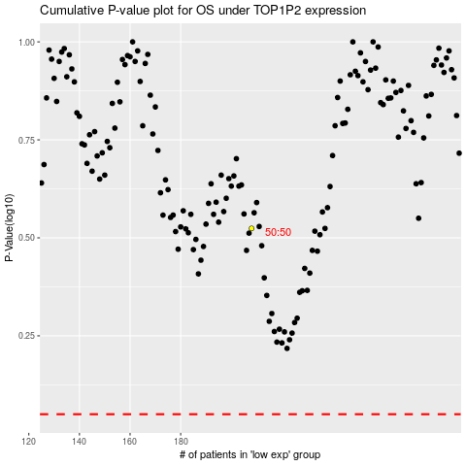

 |  |  |  |  |  | cases_OS | p_OS | rank | exp
 |  |  |  |  |  |  | cases_RFS | p_RFS | rank | exp

