TOP2A _multivariate
Reported by Tex Li-Hsing Chi. tex@gate.sinica.edu.tw 2019-08-15

Table 2. The clinicopathological features of HNSCC cohort and TOP2A expression. (Chi square test)
Cutoff at -0.311 (40.6%)
 |  | TOP2A expression |  | TOP2A expression |  | (Optimised)
 | Features | Low | (%) | High | (%) | Case no | P-value | Remark | Matthews
Gender | Female | 118 | 28.4 | 188 | 45.3 | 415 | 0.1652 | 0 | 0
2 | Male | 51 | 12.3 | 58 | 14
Age at diagnosis | <=65y | 111 | 26.7 | 163 | 39.3 | 415 | 0.9864 | 0 | 0
4 | >65y | 58 | 14 | 83 | 20
Clinical T Status | T1+T2 | 64 | 15.4 | 85 | 20.5 | 415 | 0.5566 | 0 | 0
6 | T3+T4 | 105 | 25.3 | 161 | 38.8
Clinical N Status | N0 | 103 | 24.8 | 113 | 27.2 | 415 | 0.0036 | 1 | 0
8 | N1-3 | 66 | 15.9 | 133 | 32
Clinical M Status | M0 | 168 | 40.5 | 244 | 58.8 | 415 | 1 | 0 | 0
10 | M1 | 1 | 0.2 | 2 | 0.5
Clinical Stage | Stage I+II | 47 | 11.3 | 55 | 13.3 | 415 | 0.2495 | 0 | 0
12 | Stage III+IV | 122 | 29.4 | 191 | 46
Surgical Margin status | Negative | 135 | 32.5 | 183 | 44.1 | 415 | 0.2377 | 0 | 0
14 | Positive | 34 | 8.2 | 63 | 15.2
Tobacco Exposure | Low | 83 | 20 | 78 | 18.8 | 415 | 5e-04 | 1 | 0
16 | High | 86 | 20.7 | 168 | 40.5

Table 3. Univariate/Multivariate Cox's proportional hazards regression analyses on OS time of TOP2A gene expression in HNSCC

 |  | Univariate |  |  |  | Multivariate
 | Features | HR | CI95%(L) | CI95%(H) | P-value | HR | CI95%(L) | CI95%(H) | P-value
1 | Female | 1 |  |  |  | 1
Gender | Male | 1.157 | 0.843 | 1.587 | 0.367 | 1.238 | 0.885 | 1.732 | 0.213
11 | <=65y | 1 |  |  |  | 1
Age at diagnosis | >65y | 1.329 | 0.99 | 1.784 | 0.058 | 1.366 | 1.005 | 1.858 | 0.047
12 | T1+T2 | 1 |  |  |  | 1
Clinical T Status | T3+T4 | 1.409 | 1.028 | 1.931 | 0.033 | 2.236 | 1.182 | 4.232 | 0.013
13 | N0 | 1 |  |  |  | 1
Clinical N Status | N1-3 | 1.185 | 0.89 | 1.577 | 0.246 | 1.202 | 0.84 | 1.72 | 0.314
14 | M0 | 1 |  |  |  | 1
Clinical M Status | M1 | 4.097 | 1.009 | 16.644 | 0.049 | 9.795 | 2.133 | 44.969 | 0.003
15 | Stage I+II | 1 |  |  |  | 1
Clinical Stage | Stage III+IV | 1.245 | 0.882 | 1.759 | 0.213 | 0.496 | 0.231 | 1.066 | 0.072
16 | Negative | 1 |  |  |  | 1
Surgical Margin status | Positive | 1.591 | 1.155 | 2.191 | 0.004 | 1.67 | 1.208 | 2.308 | 0.002
17 | Low | 1 |  |  |  | 1
Tobacco Exposure | High | 1.364 | 1.008 | 1.844 | 0.044 | 1.404 | 1.017 | 1.939 | 0.039
18 | Low | 1 |  |  |  | 1
RNAseq(z-score) | High | 1.35 | 1 | 1.823 | 0.05 | 1.275 | 0.934 | 1.742 | 0.127

Table 4. Univariate/Multivariate Cox's proportional hazards regression analyses on RFS time of TOP2A gene expression in HNSCC

 |  | Univariate |  |  |  | Multivariate
 | Features | HR | CI95%(L) | CI95%(H) | P-value | HR | CI95%(L) | CI95%(H) | P-value
1 | Female | 1 |  |  |  | 1
Gender | Male | 1.157 | 0.843 | 1.587 | 0.367 | 1.238 | 0.885 | 1.732 | 0.213
11 | <=65y | 1 |  |  |  | 1
Age at diagnosis | >65y | 1.329 | 0.99 | 1.784 | 0.058 | 1.366 | 1.005 | 1.858 | 0.047
12 | T1+T2 | 1 |  |  |  | 1
Clinical T Status | T3+T4 | 1.409 | 1.028 | 1.931 | 0.033 | 2.236 | 1.182 | 4.232 | 0.013
13 | N0 | 1 |  |  |  | 1
Clinical N Status | N1-3 | 1.185 | 0.89 | 1.577 | 0.246 | 1.202 | 0.84 | 1.72 | 0.314
14 | M0 | 1 |  |  |  | 1
Clinical M Status | M1 | 4.097 | 1.009 | 16.644 | 0.049 | 9.795 | 2.133 | 44.969 | 0.003
15 | Stage I+II | 1 |  |  |  | 1
Clinical Stage | Stage III+IV | 1.245 | 0.882 | 1.759 | 0.213 | 0.496 | 0.231 | 1.066 | 0.072
16 | Negative | 1 |  |  |  | 1
Surgical Margin status | Positive | 1.591 | 1.155 | 2.191 | 0.004 | 1.67 | 1.208 | 2.308 | 0.002
17 | Low | 1 |  |  |  | 1
Tobacco Exposure | High | 1.364 | 1.008 | 1.844 | 0.044 | 1.404 | 1.017 | 1.939 | 0.039
18 | Low | 1 |  |  |  | 1
RNAseq(z-score) | High | 1.35 | 1 | 1.823 | 0.05 | 1.275 | 0.934 | 1.742 | 0.127

Kaplan-Meier survival estimate: Cutoff at -0.311 (40.6%)



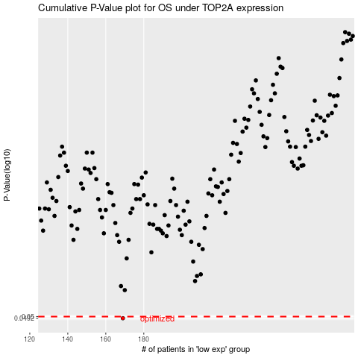

 |  |  |  |  |  | cases_OS | p_OS | rank | exp
 |  |  |  |  |  | 169 | 0.0492 | 207 | -0.31117112176
 |  |  |  |  |  |  | cases_RFS | p_RFS | rank | exp
 |  |  |  |  |  |  | 168 | 0.0492 | 362 | -0.3135009261

