TOP3A _multivariate
Reported by Tex Li-Hsing Chi. tex@gate.sinica.edu.tw 2019-08-15

Table 2. The clinicopathological features of HNSCC cohort and TOP3A expression. (Chi square test)
Cutoff at -0.11 (49.8%)
 |  | TOP3A expression |  | TOP3A expression |  | (Optimised)
 | Features | Low | (%) | High | (%) | Case no | P-value | Remark | Matthews
Gender | Female | 139 | 33.5 | 167 | 40.2 | 415 | 0.0034 | 1 | 0
2 | Male | 68 | 16.4 | 41 | 9.9
Age at diagnosis | <=65y | 126 | 30.4 | 148 | 35.7 | 415 | 0.035 | 1 | 0
4 | >65y | 81 | 19.5 | 60 | 14.5
Clinical T Status | T1+T2 | 75 | 18.1 | 74 | 17.8 | 415 | 0.9707 | 0 | 0
6 | T3+T4 | 132 | 31.8 | 134 | 32.3
Clinical N Status | N0 | 114 | 27.5 | 102 | 24.6 | 415 | 0.2576 | 1 | 0
8 | N1-3 | 93 | 22.4 | 106 | 25.5
Clinical M Status | M0 | 205 | 49.4 | 207 | 49.9 | 415 | 0.6232 | 0 | 0
10 | M1 | 2 | 0.5 | 1 | 0.2
Clinical Stage | Stage I+II | 56 | 13.5 | 46 | 11.1 | 415 | 0.2918 | 0 | 0
12 | Stage III+IV | 151 | 36.4 | 162 | 39
Surgical Margin status | Negative | 154 | 37.1 | 164 | 39.5 | 415 | 0.2984 | 0 | 0
14 | Positive | 53 | 12.8 | 44 | 10.6
Tobacco Exposure | Low | 89 | 21.4 | 72 | 17.3 | 415 | 0.0872 | 0 | 0
16 | High | 118 | 28.4 | 136 | 32.8

Table 3. Univariate/Multivariate Cox's proportional hazards regression analyses on OS time of TOP3A gene expression in HNSCC

 |  | Univariate |  |  |  | Multivariate
 | Features | HR | CI95%(L) | CI95%(H) | P-value | HR | CI95%(L) | CI95%(H) | P-value
1 | Female | 1 |  |  |  | 1
Gender | Male | 1.157 | 0.843 | 1.587 | 0.367 | 1.231 | 0.873 | 1.736 | 0.236
11 | <=65y | 1 |  |  |  | 1
Age at diagnosis | >65y | 1.329 | 0.99 | 1.784 | 0.058 | 1.401 | 1.03 | 1.906 | 0.032
12 | T1+T2 | 1 |  |  |  | 1
Clinical T Status | T3+T4 | 1.409 | 1.028 | 1.931 | 0.033 | 2.238 | 1.181 | 4.241 | 0.014
13 | N0 | 1 |  |  |  | 1
Clinical N Status | N1-3 | 1.185 | 0.89 | 1.577 | 0.246 | 1.244 | 0.872 | 1.775 | 0.229
14 | M0 | 1 |  |  |  | 1
Clinical M Status | M1 | 4.097 | 1.009 | 16.644 | 0.049 | 9.746 | 2.116 | 44.889 | 0.003
15 | Stage I+II | 1 |  |  |  | 1
Clinical Stage | Stage III+IV | 1.245 | 0.882 | 1.759 | 0.213 | 0.491 | 0.228 | 1.06 | 0.07
16 | Negative | 1 |  |  |  | 1
Surgical Margin status | Positive | 1.591 | 1.155 | 2.191 | 0.004 | 1.696 | 1.223 | 2.352 | 0.002
17 | Low | 1 |  |  |  | 1
Tobacco Exposure | High | 1.364 | 1.008 | 1.844 | 0.044 | 1.45 | 1.052 | 1.998 | 0.023
18 | Low | 1 |  |  |  | 1
RNAseq(z-score) | High | 0.984 | 0.739 | 1.31 | 0.914 | 1.097 | 0.809 | 1.486 | 0.552

Table 4. Univariate/Multivariate Cox's proportional hazards regression analyses on RFS time of TOP3A gene expression in HNSCC

 |  | Univariate |  |  |  | Multivariate
 | Features | HR | CI95%(L) | CI95%(H) | P-value | HR | CI95%(L) | CI95%(H) | P-value
1 | Female | 1 |  |  |  | 1
Gender | Male | 1.157 | 0.843 | 1.587 | 0.367 | 1.231 | 0.873 | 1.736 | 0.236
11 | <=65y | 1 |  |  |  | 1
Age at diagnosis | >65y | 1.329 | 0.99 | 1.784 | 0.058 | 1.401 | 1.03 | 1.906 | 0.032
12 | T1+T2 | 1 |  |  |  | 1
Clinical T Status | T3+T4 | 1.409 | 1.028 | 1.931 | 0.033 | 2.238 | 1.181 | 4.241 | 0.014
13 | N0 | 1 |  |  |  | 1
Clinical N Status | N1-3 | 1.185 | 0.89 | 1.577 | 0.246 | 1.244 | 0.872 | 1.775 | 0.229
14 | M0 | 1 |  |  |  | 1
Clinical M Status | M1 | 4.097 | 1.009 | 16.644 | 0.049 | 9.746 | 2.116 | 44.889 | 0.003
15 | Stage I+II | 1 |  |  |  | 1
Clinical Stage | Stage III+IV | 1.245 | 0.882 | 1.759 | 0.213 | 0.491 | 0.228 | 1.06 | 0.07
16 | Negative | 1 |  |  |  | 1
Surgical Margin status | Positive | 1.591 | 1.155 | 2.191 | 0.004 | 1.696 | 1.223 | 2.352 | 0.002
17 | Low | 1 |  |  |  | 1
Tobacco Exposure | High | 1.364 | 1.008 | 1.844 | 0.044 | 1.45 | 1.052 | 1.998 | 0.023
18 | Low | 1 |  |  |  | 1
RNAseq(z-score) | High | 0.984 | 0.739 | 1.31 | 0.914 | 1.097 | 0.809 | 1.486 | 0.552

Kaplan-Meier survival estimate: Cutoff at -0.11 (49.8%)

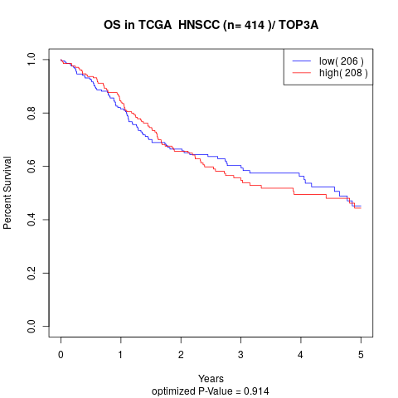

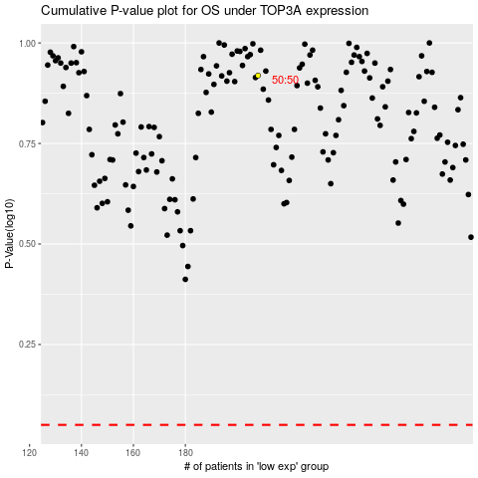

 |  |  |  |  |  | cases_OS | p_OS | rank | exp
 |  |  |  |  |  |  | cases_RFS | p_RFS | rank | exp

