TOPORS _multivariate
Reported by Tex Li-Hsing Chi. tex@gate.sinica.edu.tw 2019-08-15

Table 2. The clinicopathological features of HNSCC cohort and TOPORS expression. (Chi square test)
Cutoff at -0.136 (50.0%)
 |  | TOPORS expression |  | TOPORS expression |  | (Optimised)
 | Features | Low | (%) | High | (%) | Case no | P-value | Remark | Matthews
Gender | Female | 159 | 38.3 | 147 | 35.4 | 415 | 0.1905 | 0 | 0
2 | Male | 48 | 11.6 | 61 | 14.7
Age at diagnosis | <=65y | 142 | 34.2 | 132 | 31.8 | 415 | 0.3167 | 0 | 0
4 | >65y | 65 | 15.7 | 76 | 18.3
Clinical T Status | T1+T2 | 66 | 15.9 | 83 | 20 | 415 | 0.1095 | 0 | 0
6 | T3+T4 | 141 | 34 | 125 | 30.1
Clinical N Status | N0 | 99 | 23.9 | 117 | 28.2 | 415 | 0.1054 | 0 | 0
8 | N1-3 | 108 | 26 | 91 | 21.9
Clinical M Status | M0 | 204 | 49.2 | 208 | 50.1 | 415 | 0.1232 | 0 | 0
10 | M1 | 3 | 0.7 | 0 | 0
Clinical Stage | Stage I+II | 40 | 9.6 | 62 | 14.9 | 415 | 0.018 | 1 | 0
12 | Stage III+IV | 167 | 40.2 | 146 | 35.2
Surgical Margin status | Negative | 159 | 38.3 | 159 | 38.3 | 415 | 1 | 0 | 0
14 | Positive | 48 | 11.6 | 49 | 11.8
Tobacco Exposure | Low | 71 | 17.1 | 90 | 21.7 | 415 | 0.0698 | 0 | 0
16 | High | 136 | 32.8 | 118 | 28.4

Table 3. Univariate/Multivariate Cox's proportional hazards regression analyses on OS time of TOPORS gene expression in HNSCC

 |  | Univariate |  |  |  | Multivariate
 | Features | HR | CI95%(L) | CI95%(H) | P-value | HR | CI95%(L) | CI95%(H) | P-value
1 | Female | 1 |  |  |  | 1
Gender | Male | 1.157 | 0.843 | 1.587 | 0.367 | 1.205 | 0.863 | 1.683 | 0.274
11 | <=65y | 1 |  |  |  | 1
Age at diagnosis | >65y | 1.329 | 0.99 | 1.784 | 0.058 | 1.395 | 1.025 | 1.897 | 0.034
12 | T1+T2 | 1 |  |  |  | 1
Clinical T Status | T3+T4 | 1.409 | 1.028 | 1.931 | 0.033 | 2.225 | 1.176 | 4.209 | 0.014
13 | N0 | 1 |  |  |  | 1
Clinical N Status | N1-3 | 1.185 | 0.89 | 1.577 | 0.246 | 1.252 | 0.877 | 1.786 | 0.216
14 | M0 | 1 |  |  |  | 1
Clinical M Status | M1 | 4.097 | 1.009 | 16.644 | 0.049 | 10.092 | 2.183 | 46.65 | 0.003
15 | Stage I+II | 1 |  |  |  | 1
Clinical Stage | Stage III+IV | 1.245 | 0.882 | 1.759 | 0.213 | 0.51 | 0.238 | 1.096 | 0.085
16 | Negative | 1 |  |  |  | 1
Surgical Margin status | Positive | 1.591 | 1.155 | 2.191 | 0.004 | 1.671 | 1.209 | 2.309 | 0.002
17 | Low | 1 |  |  |  | 1
Tobacco Exposure | High | 1.364 | 1.008 | 1.844 | 0.044 | 1.466 | 1.063 | 2.023 | 0.02
18 | Low | 1 |  |  |  | 1
RNAseq(z-score) | High | 1.064 | 0.797 | 1.421 | 0.673 | 1.146 | 0.852 | 1.542 | 0.366

Table 4. Univariate/Multivariate Cox's proportional hazards regression analyses on RFS time of TOPORS gene expression in HNSCC

 |  | Univariate |  |  |  | Multivariate
 | Features | HR | CI95%(L) | CI95%(H) | P-value | HR | CI95%(L) | CI95%(H) | P-value
1 | Female | 1 |  |  |  | 1
Gender | Male | 1.157 | 0.843 | 1.587 | 0.367 | 1.205 | 0.863 | 1.683 | 0.274
11 | <=65y | 1 |  |  |  | 1
Age at diagnosis | >65y | 1.329 | 0.99 | 1.784 | 0.058 | 1.395 | 1.025 | 1.897 | 0.034
12 | T1+T2 | 1 |  |  |  | 1
Clinical T Status | T3+T4 | 1.409 | 1.028 | 1.931 | 0.033 | 2.225 | 1.176 | 4.209 | 0.014
13 | N0 | 1 |  |  |  | 1
Clinical N Status | N1-3 | 1.185 | 0.89 | 1.577 | 0.246 | 1.252 | 0.877 | 1.786 | 0.216
14 | M0 | 1 |  |  |  | 1
Clinical M Status | M1 | 4.097 | 1.009 | 16.644 | 0.049 | 10.092 | 2.183 | 46.65 | 0.003
15 | Stage I+II | 1 |  |  |  | 1
Clinical Stage | Stage III+IV | 1.245 | 0.882 | 1.759 | 0.213 | 0.51 | 0.238 | 1.096 | 0.085
16 | Negative | 1 |  |  |  | 1
Surgical Margin status | Positive | 1.591 | 1.155 | 2.191 | 0.004 | 1.671 | 1.209 | 2.309 | 0.002
17 | Low | 1 |  |  |  | 1
Tobacco Exposure | High | 1.364 | 1.008 | 1.844 | 0.044 | 1.466 | 1.063 | 2.023 | 0.02
18 | Low | 1 |  |  |  | 1
RNAseq(z-score) | High | 1.064 | 0.797 | 1.421 | 0.673 | 1.146 | 0.852 | 1.542 | 0.366

Kaplan-Meier survival estimate: Cutoff at -0.136 (50.0%)



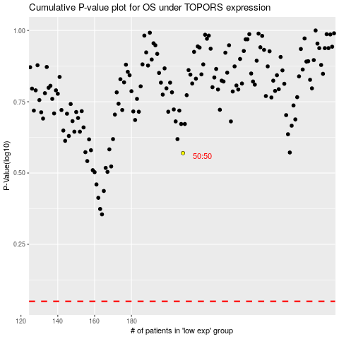

 |  |  |  |  |  | cases_OS | p_OS | rank | exp
 |  |  |  |  |  |  | cases_RFS | p_RFS | rank | exp

