TOR1AIP1 _multivariate
Reported by Tex Li-Hsing Chi. tex@gate.sinica.edu.tw 2019-08-15

Table 2. The clinicopathological features of HNSCC cohort and TOR1AIP1 expression. (Chi square test)
Cutoff at -0.266 (44.2%)
 |  | TOR1AIP1 expression |  | TOR1AIP1 expression |  | (Optimised)
 | Features | Low | (%) | High | (%) | Case no | P-value | Remark | Matthews
Gender | Female | 138 | 33.3 | 168 | 40.5 | 415 | 0.5644 | 0 | 0
2 | Male | 45 | 10.8 | 64 | 15.4
Age at diagnosis | <=65y | 118 | 28.4 | 156 | 37.6 | 415 | 0.6276 | 0 | 0
4 | >65y | 65 | 15.7 | 76 | 18.3
Clinical T Status | T1+T2 | 73 | 17.6 | 76 | 18.3 | 415 | 0.1613 | 0 | 0
6 | T3+T4 | 110 | 26.5 | 156 | 37.6
Clinical N Status | N0 | 104 | 25.1 | 112 | 27 | 415 | 0.1025 | 0 | 0
8 | N1-3 | 79 | 19 | 120 | 28.9
Clinical M Status | M0 | 180 | 43.4 | 232 | 55.9 | 415 | 0.085 | 0 | 0
10 | M1 | 3 | 0.7 | 0 | 0
Clinical Stage | Stage I+II | 54 | 13 | 48 | 11.6 | 415 | 0.0504 | 0 | 0
12 | Stage III+IV | 129 | 31.1 | 184 | 44.3
Surgical Margin status | Negative | 139 | 33.5 | 179 | 43.1 | 415 | 0.8157 | 0 | 0
14 | Positive | 44 | 10.6 | 53 | 12.8
Tobacco Exposure | Low | 83 | 20 | 78 | 18.8 | 415 | 0.0195 | 1 | 0
16 | High | 100 | 24.1 | 154 | 37.1

Table 3. Univariate/Multivariate Cox's proportional hazards regression analyses on OS time of TOR1AIP1 gene expression in HNSCC

 |  | Univariate |  |  |  | Multivariate
 | Features | HR | CI95%(L) | CI95%(H) | P-value | HR | CI95%(L) | CI95%(H) | P-value
1 | Female | 1 |  |  |  | 1
Gender | Male | 1.157 | 0.843 | 1.587 | 0.367 | 1.188 | 0.853 | 1.657 | 0.309
11 | <=65y | 1 |  |  |  | 1
Age at diagnosis | >65y | 1.329 | 0.99 | 1.784 | 0.058 | 1.412 | 1.038 | 1.921 | 0.028
12 | T1+T2 | 1 |  |  |  | 1
Clinical T Status | T3+T4 | 1.409 | 1.028 | 1.931 | 0.033 | 2.238 | 1.183 | 4.235 | 0.013
13 | N0 | 1 |  |  |  | 1
Clinical N Status | N1-3 | 1.185 | 0.89 | 1.577 | 0.246 | 1.251 | 0.877 | 1.785 | 0.217
14 | M0 | 1 |  |  |  | 1
Clinical M Status | M1 | 4.097 | 1.009 | 16.644 | 0.049 | 11.541 | 2.481 | 53.697 | 0.002
15 | Stage I+II | 1 |  |  |  | 1
Clinical Stage | Stage III+IV | 1.245 | 0.882 | 1.759 | 0.213 | 0.473 | 0.22 | 1.018 | 0.055
16 | Negative | 1 |  |  |  | 1
Surgical Margin status | Positive | 1.591 | 1.155 | 2.191 | 0.004 | 1.683 | 1.217 | 2.327 | 0.002
17 | Low | 1 |  |  |  | 1
Tobacco Exposure | High | 1.364 | 1.008 | 1.844 | 0.044 | 1.421 | 1.031 | 1.958 | 0.032
18 | Low | 1 |  |  |  | 1
RNAseq(z-score) | High | 1.348 | 1.003 | 1.812 | 0.048 | 1.36 | 1.005 | 1.84 | 0.046

Table 4. Univariate/Multivariate Cox's proportional hazards regression analyses on RFS time of TOR1AIP1 gene expression in HNSCC

 |  | Univariate |  |  |  | Multivariate
 | Features | HR | CI95%(L) | CI95%(H) | P-value | HR | CI95%(L) | CI95%(H) | P-value
1 | Female | 1 |  |  |  | 1
Gender | Male | 1.157 | 0.843 | 1.587 | 0.367 | 1.188 | 0.853 | 1.657 | 0.309
11 | <=65y | 1 |  |  |  | 1
Age at diagnosis | >65y | 1.329 | 0.99 | 1.784 | 0.058 | 1.412 | 1.038 | 1.921 | 0.028
12 | T1+T2 | 1 |  |  |  | 1
Clinical T Status | T3+T4 | 1.409 | 1.028 | 1.931 | 0.033 | 2.238 | 1.183 | 4.235 | 0.013
13 | N0 | 1 |  |  |  | 1
Clinical N Status | N1-3 | 1.185 | 0.89 | 1.577 | 0.246 | 1.251 | 0.877 | 1.785 | 0.217
14 | M0 | 1 |  |  |  | 1
Clinical M Status | M1 | 4.097 | 1.009 | 16.644 | 0.049 | 11.541 | 2.481 | 53.697 | 0.002
15 | Stage I+II | 1 |  |  |  | 1
Clinical Stage | Stage III+IV | 1.245 | 0.882 | 1.759 | 0.213 | 0.473 | 0.22 | 1.018 | 0.055
16 | Negative | 1 |  |  |  | 1
Surgical Margin status | Positive | 1.591 | 1.155 | 2.191 | 0.004 | 1.683 | 1.217 | 2.327 | 0.002
17 | Low | 1 |  |  |  | 1
Tobacco Exposure | High | 1.364 | 1.008 | 1.844 | 0.044 | 1.421 | 1.031 | 1.958 | 0.032
18 | Low | 1 |  |  |  | 1
RNAseq(z-score) | High | 1.348 | 1.003 | 1.812 | 0.048 | 1.36 | 1.005 | 1.84 | 0.046

Kaplan-Meier survival estimate: Cutoff at -0.266 (44.2%)



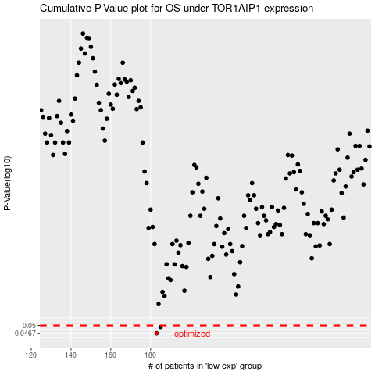

 |  |  |  |  |  | cases_OS | p_OS | rank | exp
 |  |  |  |  |  | 183 | 0.0467 | 253 | -0.26611365441
 |  |  |  |  |  | 185 | 0.0493 | 213 | -0.24473062116
 |  |  |  |  |  |  | cases_RFS | p_RFS | rank | exp
 |  |  |  |  |  |  | 182 | 0.0467 | 245 | -0.2662225698
 |  |  |  |  |  |  | 184 | 0.0493 | 126 | -0.2507908208

