TOR1AIP2 _multivariate
Reported by Tex Li-Hsing Chi. tex@gate.sinica.edu.tw 2019-08-15

Table 2. The clinicopathological features of HNSCC cohort and TOR1AIP2 expression. (Chi square test)
Cutoff at -0.02 (49.8%)
 |  | TOR1AIP2 expression |  | TOR1AIP2 expression |  | (Optimised)
 | Features | Low | (%) | High | (%) | Case no | P-value | Remark | Matthews
Gender | Female | 154 | 37.1 | 152 | 36.6 | 415 | 0.8463 | 0 | 0
2 | Male | 53 | 12.8 | 56 | 13.5
Age at diagnosis | <=65y | 140 | 33.7 | 134 | 32.3 | 415 | 0.5574 | 0 | 0
4 | >65y | 67 | 16.1 | 74 | 17.8
Clinical T Status | T1+T2 | 79 | 19 | 70 | 16.9 | 415 | 0.3924 | 0 | 0
6 | T3+T4 | 128 | 30.8 | 138 | 33.3
Clinical N Status | N0 | 108 | 26 | 108 | 26 | 415 | 1 | 0 | 0
8 | N1-3 | 99 | 23.9 | 100 | 24.1
Clinical M Status | M0 | 205 | 49.4 | 207 | 49.9 | 415 | 0.6232 | 0 | 0
10 | M1 | 2 | 0.5 | 1 | 0.2
Clinical Stage | Stage I+II | 54 | 13 | 48 | 11.6 | 415 | 0.5498 | 0 | 0
12 | Stage III+IV | 153 | 36.9 | 160 | 38.6
Surgical Margin status | Negative | 153 | 36.9 | 165 | 39.8 | 415 | 0.2036 | 0 | 0
14 | Positive | 54 | 13 | 43 | 10.4
Tobacco Exposure | Low | 81 | 19.5 | 80 | 19.3 | 415 | 0.9199 | 0 | 0
16 | High | 126 | 30.4 | 128 | 30.8

Table 3. Univariate/Multivariate Cox's proportional hazards regression analyses on OS time of TOR1AIP2 gene expression in HNSCC

 |  | Univariate |  |  |  | Multivariate
 | Features | HR | CI95%(L) | CI95%(H) | P-value | HR | CI95%(L) | CI95%(H) | P-value
1 | Female | 1 |  |  |  | 1
Gender | Male | 1.157 | 0.843 | 1.587 | 0.367 | 1.2 | 0.86 | 1.676 | 0.284
11 | <=65y | 1 |  |  |  | 1
Age at diagnosis | >65y | 1.329 | 0.99 | 1.784 | 0.058 | 1.386 | 1.019 | 1.884 | 0.038
12 | T1+T2 | 1 |  |  |  | 1
Clinical T Status | T3+T4 | 1.409 | 1.028 | 1.931 | 0.033 | 2.207 | 1.168 | 4.172 | 0.015
13 | N0 | 1 |  |  |  | 1
Clinical N Status | N1-3 | 1.185 | 0.89 | 1.577 | 0.246 | 1.256 | 0.879 | 1.794 | 0.21
14 | M0 | 1 |  |  |  | 1
Clinical M Status | M1 | 4.097 | 1.009 | 16.644 | 0.049 | 9.58 | 2.089 | 43.944 | 0.004
15 | Stage I+II | 1 |  |  |  | 1
Clinical Stage | Stage III+IV | 1.245 | 0.882 | 1.759 | 0.213 | 0.495 | 0.231 | 1.064 | 0.072
16 | Negative | 1 |  |  |  | 1
Surgical Margin status | Positive | 1.591 | 1.155 | 2.191 | 0.004 | 1.689 | 1.221 | 2.335 | 0.002
17 | Low | 1 |  |  |  | 1
Tobacco Exposure | High | 1.364 | 1.008 | 1.844 | 0.044 | 1.458 | 1.059 | 2.008 | 0.021
18 | Low | 1 |  |  |  | 1
RNAseq(z-score) | High | 1.125 | 0.842 | 1.503 | 0.425 | 1.151 | 0.86 | 1.542 | 0.345

Table 4. Univariate/Multivariate Cox's proportional hazards regression analyses on RFS time of TOR1AIP2 gene expression in HNSCC

 |  | Univariate |  |  |  | Multivariate
 | Features | HR | CI95%(L) | CI95%(H) | P-value | HR | CI95%(L) | CI95%(H) | P-value
1 | Female | 1 |  |  |  | 1
Gender | Male | 1.157 | 0.843 | 1.587 | 0.367 | 1.2 | 0.86 | 1.676 | 0.284
11 | <=65y | 1 |  |  |  | 1
Age at diagnosis | >65y | 1.329 | 0.99 | 1.784 | 0.058 | 1.386 | 1.019 | 1.884 | 0.038
12 | T1+T2 | 1 |  |  |  | 1
Clinical T Status | T3+T4 | 1.409 | 1.028 | 1.931 | 0.033 | 2.207 | 1.168 | 4.172 | 0.015
13 | N0 | 1 |  |  |  | 1
Clinical N Status | N1-3 | 1.185 | 0.89 | 1.577 | 0.246 | 1.256 | 0.879 | 1.794 | 0.21
14 | M0 | 1 |  |  |  | 1
Clinical M Status | M1 | 4.097 | 1.009 | 16.644 | 0.049 | 9.58 | 2.089 | 43.944 | 0.004
15 | Stage I+II | 1 |  |  |  | 1
Clinical Stage | Stage III+IV | 1.245 | 0.882 | 1.759 | 0.213 | 0.495 | 0.231 | 1.064 | 0.072
16 | Negative | 1 |  |  |  | 1
Surgical Margin status | Positive | 1.591 | 1.155 | 2.191 | 0.004 | 1.689 | 1.221 | 2.335 | 0.002
17 | Low | 1 |  |  |  | 1
Tobacco Exposure | High | 1.364 | 1.008 | 1.844 | 0.044 | 1.458 | 1.059 | 2.008 | 0.021
18 | Low | 1 |  |  |  | 1
RNAseq(z-score) | High | 1.125 | 0.842 | 1.503 | 0.425 | 1.151 | 0.86 | 1.542 | 0.345

Kaplan-Meier survival estimate: Cutoff at -0.02 (49.8%)

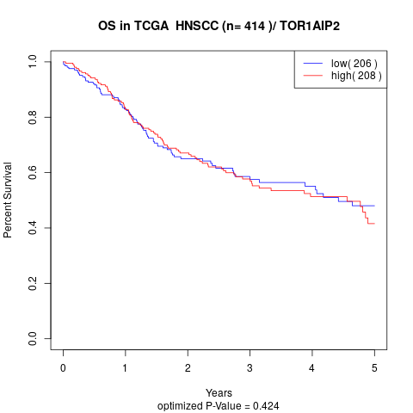

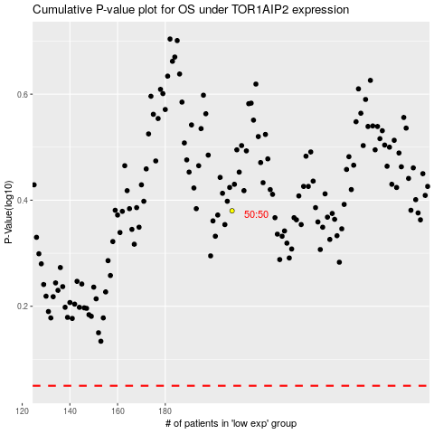

 |  |  |  |  |  | cases_OS | p_OS | rank | exp
 |  |  |  |  |  |  | cases_RFS | p_RFS | rank | exp

