TOR2A _multivariate
Reported by Tex Li-Hsing Chi. tex@gate.sinica.edu.tw 2019-08-15

Table 2. The clinicopathological features of HNSCC cohort and TOR2A expression. (Chi square test)
Cutoff at -0.187 (48.6%)
 |  | TOR2A expression |  | TOR2A expression |  | (Optimised)
 | Features | Low | (%) | High | (%) | Case no | P-value | Remark | Matthews
Gender | Female | 146 | 35.2 | 160 | 38.6 | 415 | 0.7032 | 0 | 0
2 | Male | 55 | 13.3 | 54 | 13
Age at diagnosis | <=65y | 137 | 33 | 137 | 33 | 415 | 0.4317 | 0 | 0
4 | >65y | 64 | 15.4 | 77 | 18.6
Clinical T Status | T1+T2 | 72 | 17.3 | 77 | 18.6 | 415 | 1 | 0 | 0
6 | T3+T4 | 129 | 31.1 | 137 | 33
Clinical N Status | N0 | 105 | 25.3 | 111 | 26.7 | 415 | 1 | 0 | 0
8 | N1-3 | 96 | 23.1 | 103 | 24.8
Clinical M Status | M0 | 201 | 48.4 | 211 | 50.8 | 415 | 0.2489 | 0 | 0
10 | M1 | 0 | 0 | 3 | 0.7
Clinical Stage | Stage I+II | 47 | 11.3 | 55 | 13.3 | 415 | 0.6643 | 0 | 0
12 | Stage III+IV | 154 | 37.1 | 159 | 38.3
Surgical Margin status | Negative | 156 | 37.6 | 162 | 39 | 415 | 0.7279 | 0 | 0
14 | Positive | 45 | 10.8 | 52 | 12.5
Tobacco Exposure | Low | 74 | 17.8 | 87 | 21 | 415 | 0.4806 | 0 | 0
16 | High | 127 | 30.6 | 127 | 30.6

Table 3. Univariate/Multivariate Cox's proportional hazards regression analyses on OS time of TOR2A gene expression in HNSCC

 |  | Univariate |  |  |  | Multivariate
 | Features | HR | CI95%(L) | CI95%(H) | P-value | HR | CI95%(L) | CI95%(H) | P-value
1 | Female | 1 |  |  |  | 1
Gender | Male | 1.157 | 0.843 | 1.587 | 0.367 | 1.204 | 0.861 | 1.682 | 0.278
11 | <=65y | 1 |  |  |  | 1
Age at diagnosis | >65y | 1.329 | 0.99 | 1.784 | 0.058 | 1.341 | 0.982 | 1.831 | 0.065
12 | T1+T2 | 1 |  |  |  | 1
Clinical T Status | T3+T4 | 1.409 | 1.028 | 1.931 | 0.033 | 2.15 | 1.135 | 4.072 | 0.019
13 | N0 | 1 |  |  |  | 1
Clinical N Status | N1-3 | 1.185 | 0.89 | 1.577 | 0.246 | 1.229 | 0.861 | 1.755 | 0.256
14 | M0 | 1 |  |  |  | 1
Clinical M Status | M1 | 4.097 | 1.009 | 16.644 | 0.049 | 8.27 | 1.788 | 38.262 | 0.007
15 | Stage I+II | 1 |  |  |  | 1
Clinical Stage | Stage III+IV | 1.245 | 0.882 | 1.759 | 0.213 | 0.524 | 0.244 | 1.128 | 0.098
16 | Negative | 1 |  |  |  | 1
Surgical Margin status | Positive | 1.591 | 1.155 | 2.191 | 0.004 | 1.639 | 1.185 | 2.267 | 0.003
17 | Low | 1 |  |  |  | 1
Tobacco Exposure | High | 1.364 | 1.008 | 1.844 | 0.044 | 1.459 | 1.058 | 2.012 | 0.021
18 | Low | 1 |  |  |  | 1
RNAseq(z-score) | High | 1.354 | 1.012 | 1.813 | 0.041 | 1.248 | 0.926 | 1.682 | 0.146

Table 4. Univariate/Multivariate Cox's proportional hazards regression analyses on RFS time of TOR2A gene expression in HNSCC

 |  | Univariate |  |  |  | Multivariate
 | Features | HR | CI95%(L) | CI95%(H) | P-value | HR | CI95%(L) | CI95%(H) | P-value
1 | Female | 1 |  |  |  | 1
Gender | Male | 1.157 | 0.843 | 1.587 | 0.367 | 1.204 | 0.861 | 1.682 | 0.278
11 | <=65y | 1 |  |  |  | 1
Age at diagnosis | >65y | 1.329 | 0.99 | 1.784 | 0.058 | 1.341 | 0.982 | 1.831 | 0.065
12 | T1+T2 | 1 |  |  |  | 1
Clinical T Status | T3+T4 | 1.409 | 1.028 | 1.931 | 0.033 | 2.15 | 1.135 | 4.072 | 0.019
13 | N0 | 1 |  |  |  | 1
Clinical N Status | N1-3 | 1.185 | 0.89 | 1.577 | 0.246 | 1.229 | 0.861 | 1.755 | 0.256
14 | M0 | 1 |  |  |  | 1
Clinical M Status | M1 | 4.097 | 1.009 | 16.644 | 0.049 | 8.27 | 1.788 | 38.262 | 0.007
15 | Stage I+II | 1 |  |  |  | 1
Clinical Stage | Stage III+IV | 1.245 | 0.882 | 1.759 | 0.213 | 0.524 | 0.244 | 1.128 | 0.098
16 | Negative | 1 |  |  |  | 1
Surgical Margin status | Positive | 1.591 | 1.155 | 2.191 | 0.004 | 1.639 | 1.185 | 2.267 | 0.003
17 | Low | 1 |  |  |  | 1
Tobacco Exposure | High | 1.364 | 1.008 | 1.844 | 0.044 | 1.459 | 1.058 | 2.012 | 0.021
18 | Low | 1 |  |  |  | 1
RNAseq(z-score) | High | 1.354 | 1.012 | 1.813 | 0.041 | 1.248 | 0.926 | 1.682 | 0.146

Kaplan-Meier survival estimate: Cutoff at -0.187 (48.6%)



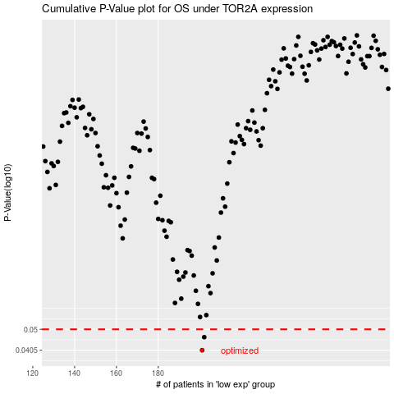

 |  |  |  |  |  | cases_OS | p_OS | rank | exp
 |  |  |  |  |  | 201 | 0.0405 | 275 | -0.18655090777
 |  |  |  |  |  | 202 | 0.0462 | 236 | -0.17459633771
 |  |  |  |  |  |  | cases_RFS | p_RFS | rank | exp
 |  |  |  |  |  |  | 200 | 0.0405 | 368 | -0.18739391141
 |  |  |  |  |  |  | 201 | 0.0462 | 275 | -0.18655090777

