TOX _multivariate
Reported by Tex Li-Hsing Chi. tex@gate.sinica.edu.tw 2019-08-15

Table 2. The clinicopathological features of HNSCC cohort and TOX expression. (Chi square test)
Cutoff at -0.288 (50.0%)
 |  | TOX expression |  | TOX expression |  | (Optimised)
 | Features | Low | (%) | High | (%) | Case no | P-value | Remark | Matthews
Gender | Female | 161 | 38.8 | 145 | 34.9 | 415 | 0.0792 | 0 | 0
2 | Male | 46 | 11.1 | 63 | 15.2
Age at diagnosis | <=65y | 138 | 33.3 | 136 | 32.8 | 415 | 0.8634 | 0 | 0
4 | >65y | 69 | 16.6 | 72 | 17.3
Clinical T Status | T1+T2 | 66 | 15.9 | 83 | 20 | 415 | 0.1095 | 0 | 0
6 | T3+T4 | 141 | 34 | 125 | 30.1
Clinical N Status | N0 | 109 | 26.3 | 107 | 25.8 | 415 | 0.8812 | 0 | 0
8 | N1-3 | 98 | 23.6 | 101 | 24.3
Clinical M Status | M0 | 204 | 49.2 | 208 | 50.1 | 415 | 0.1232 | 0 | 0
10 | M1 | 3 | 0.7 | 0 | 0
Clinical Stage | Stage I+II | 42 | 10.1 | 60 | 14.5 | 415 | 0.0561 | 0 | 0
12 | Stage III+IV | 165 | 39.8 | 148 | 35.7
Surgical Margin status | Negative | 150 | 36.1 | 168 | 40.5 | 415 | 0.0492 | 1 | 0
14 | Positive | 57 | 13.7 | 40 | 9.6
Tobacco Exposure | Low | 71 | 17.1 | 90 | 21.7 | 415 | 0.0698 | 0 | 0
16 | High | 136 | 32.8 | 118 | 28.4

Table 3. Univariate/Multivariate Cox's proportional hazards regression analyses on OS time of TOX gene expression in HNSCC

 |  | Univariate |  |  |  | Multivariate
 | Features | HR | CI95%(L) | CI95%(H) | P-value | HR | CI95%(L) | CI95%(H) | P-value
1 | Female | 1 |  |  |  | 1
Gender | Male | 1.157 | 0.843 | 1.587 | 0.367 | 1.197 | 0.857 | 1.672 | 0.291
11 | <=65y | 1 |  |  |  | 1
Age at diagnosis | >65y | 1.329 | 0.99 | 1.784 | 0.058 | 1.4 | 1.03 | 1.903 | 0.032
12 | T1+T2 | 1 |  |  |  | 1
Clinical T Status | T3+T4 | 1.409 | 1.028 | 1.931 | 0.033 | 2.198 | 1.162 | 4.158 | 0.015
13 | N0 | 1 |  |  |  | 1
Clinical N Status | N1-3 | 1.185 | 0.89 | 1.577 | 0.246 | 1.225 | 0.858 | 1.748 | 0.265
14 | M0 | 1 |  |  |  | 1
Clinical M Status | M1 | 4.097 | 1.009 | 16.644 | 0.049 | 10.322 | 2.234 | 47.689 | 0.003
15 | Stage I+II | 1 |  |  |  | 1
Clinical Stage | Stage III+IV | 1.245 | 0.882 | 1.759 | 0.213 | 0.519 | 0.241 | 1.117 | 0.094
16 | Negative | 1 |  |  |  | 1
Surgical Margin status | Positive | 1.591 | 1.155 | 2.191 | 0.004 | 1.695 | 1.226 | 2.343 | 0.001
17 | Low | 1 |  |  |  | 1
Tobacco Exposure | High | 1.364 | 1.008 | 1.844 | 0.044 | 1.472 | 1.068 | 2.029 | 0.018
18 | Low | 1 |  |  |  | 1
RNAseq(z-score) | High | 1.092 | 0.82 | 1.455 | 0.546 | 1.196 | 0.893 | 1.601 | 0.23

Table 4. Univariate/Multivariate Cox's proportional hazards regression analyses on RFS time of TOX gene expression in HNSCC

 |  | Univariate |  |  |  | Multivariate
 | Features | HR | CI95%(L) | CI95%(H) | P-value | HR | CI95%(L) | CI95%(H) | P-value
1 | Female | 1 |  |  |  | 1
Gender | Male | 1.157 | 0.843 | 1.587 | 0.367 | 1.197 | 0.857 | 1.672 | 0.291
11 | <=65y | 1 |  |  |  | 1
Age at diagnosis | >65y | 1.329 | 0.99 | 1.784 | 0.058 | 1.4 | 1.03 | 1.903 | 0.032
12 | T1+T2 | 1 |  |  |  | 1
Clinical T Status | T3+T4 | 1.409 | 1.028 | 1.931 | 0.033 | 2.198 | 1.162 | 4.158 | 0.015
13 | N0 | 1 |  |  |  | 1
Clinical N Status | N1-3 | 1.185 | 0.89 | 1.577 | 0.246 | 1.225 | 0.858 | 1.748 | 0.265
14 | M0 | 1 |  |  |  | 1
Clinical M Status | M1 | 4.097 | 1.009 | 16.644 | 0.049 | 10.322 | 2.234 | 47.689 | 0.003
15 | Stage I+II | 1 |  |  |  | 1
Clinical Stage | Stage III+IV | 1.245 | 0.882 | 1.759 | 0.213 | 0.519 | 0.241 | 1.117 | 0.094
16 | Negative | 1 |  |  |  | 1
Surgical Margin status | Positive | 1.591 | 1.155 | 2.191 | 0.004 | 1.695 | 1.226 | 2.343 | 0.001
17 | Low | 1 |  |  |  | 1
Tobacco Exposure | High | 1.364 | 1.008 | 1.844 | 0.044 | 1.472 | 1.068 | 2.029 | 0.018
18 | Low | 1 |  |  |  | 1
RNAseq(z-score) | High | 1.092 | 0.82 | 1.455 | 0.546 | 1.196 | 0.893 | 1.601 | 0.23

Kaplan-Meier survival estimate: Cutoff at -0.288 (50.0%)



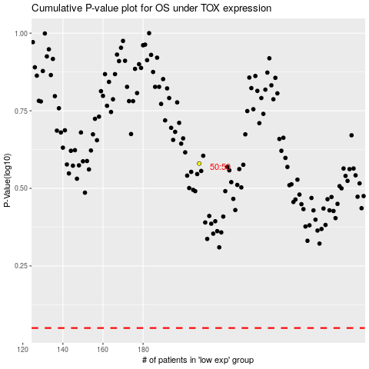

 |  |  |  |  |  | cases_OS | p_OS | rank | exp
 |  |  |  |  |  |  | cases_RFS | p_RFS | rank | exp

