TP53 _multivariate
Reported by Tex Li-Hsing Chi. tex@gate.sinica.edu.tw 2019-08-15

Table 2. The clinicopathological features of HNSCC cohort and TP53 expression. (Chi square test)
Cutoff at -0.254 (49.8%)
 |  | TP53 expression |  | TP53 expression |  | (Optimised)
 | Features | Low | (%) | High | (%) | Case no | P-value | Remark | Matthews
Gender | Female | 150 | 36.1 | 156 | 37.6 | 415 | 0.6344 | 0 | 0
2 | Male | 57 | 13.7 | 52 | 12.5
Age at diagnosis | <=65y | 132 | 31.8 | 142 | 34.2 | 415 | 0.3874 | 0 | 0
4 | >65y | 75 | 18.1 | 66 | 15.9
Clinical T Status | T1+T2 | 72 | 17.3 | 77 | 18.6 | 415 | 0.7095 | 0 | 0
6 | T3+T4 | 135 | 32.5 | 131 | 31.6
Clinical N Status | N0 | 109 | 26.3 | 107 | 25.8 | 415 | 0.8812 | 0 | 0
8 | N1-3 | 98 | 23.6 | 101 | 24.3
Clinical M Status | M0 | 206 | 49.6 | 206 | 49.6 | 415 | 1 | 0 | 0
10 | M1 | 1 | 0.2 | 2 | 0.5
Clinical Stage | Stage I+II | 49 | 11.8 | 53 | 12.8 | 415 | 0.7535 | 0 | 0
12 | Stage III+IV | 158 | 38.1 | 155 | 37.3
Surgical Margin status | Negative | 165 | 39.8 | 153 | 36.9 | 415 | 0.1639 | 0 | 0
14 | Positive | 42 | 10.1 | 55 | 13.3
Tobacco Exposure | Low | 78 | 18.8 | 83 | 20 | 415 | 0.6873 | 0 | 0
16 | High | 129 | 31.1 | 125 | 30.1

Table 3. Univariate/Multivariate Cox's proportional hazards regression analyses on OS time of TP53 gene expression in HNSCC

 |  | Univariate |  |  |  | Multivariate
 | Features | HR | CI95%(L) | CI95%(H) | P-value | HR | CI95%(L) | CI95%(H) | P-value
1 | Female | 1 |  |  |  | 1
Gender | Male | 1.157 | 0.843 | 1.587 | 0.367 | 1.182 | 0.845 | 1.652 | 0.329
11 | <=65y | 1 |  |  |  | 1
Age at diagnosis | >65y | 1.329 | 0.99 | 1.784 | 0.058 | 1.389 | 1.022 | 1.888 | 0.036
12 | T1+T2 | 1 |  |  |  | 1
Clinical T Status | T3+T4 | 1.409 | 1.028 | 1.931 | 0.033 | 2.245 | 1.187 | 4.245 | 0.013
13 | N0 | 1 |  |  |  | 1
Clinical N Status | N1-3 | 1.185 | 0.89 | 1.577 | 0.246 | 1.268 | 0.887 | 1.813 | 0.192
14 | M0 | 1 |  |  |  | 1
Clinical M Status | M1 | 4.097 | 1.009 | 16.644 | 0.049 | 9.546 | 2.082 | 43.76 | 0.004
15 | Stage I+II | 1 |  |  |  | 1
Clinical Stage | Stage III+IV | 1.245 | 0.882 | 1.759 | 0.213 | 0.492 | 0.229 | 1.057 | 0.069
16 | Negative | 1 |  |  |  | 1
Surgical Margin status | Positive | 1.591 | 1.155 | 2.191 | 0.004 | 1.676 | 1.213 | 2.317 | 0.002
17 | Low | 1 |  |  |  | 1
Tobacco Exposure | High | 1.364 | 1.008 | 1.844 | 0.044 | 1.43 | 1.037 | 1.971 | 0.029
18 | Low | 1 |  |  |  | 1
RNAseq(z-score) | High | 0.853 | 0.64 | 1.135 | 0.275 | 0.837 | 0.627 | 1.119 | 0.23

Table 4. Univariate/Multivariate Cox's proportional hazards regression analyses on RFS time of TP53 gene expression in HNSCC

 |  | Univariate |  |  |  | Multivariate
 | Features | HR | CI95%(L) | CI95%(H) | P-value | HR | CI95%(L) | CI95%(H) | P-value
1 | Female | 1 |  |  |  | 1
Gender | Male | 1.157 | 0.843 | 1.587 | 0.367 | 1.182 | 0.845 | 1.652 | 0.329
11 | <=65y | 1 |  |  |  | 1
Age at diagnosis | >65y | 1.329 | 0.99 | 1.784 | 0.058 | 1.389 | 1.022 | 1.888 | 0.036
12 | T1+T2 | 1 |  |  |  | 1
Clinical T Status | T3+T4 | 1.409 | 1.028 | 1.931 | 0.033 | 2.245 | 1.187 | 4.245 | 0.013
13 | N0 | 1 |  |  |  | 1
Clinical N Status | N1-3 | 1.185 | 0.89 | 1.577 | 0.246 | 1.268 | 0.887 | 1.813 | 0.192
14 | M0 | 1 |  |  |  | 1
Clinical M Status | M1 | 4.097 | 1.009 | 16.644 | 0.049 | 9.546 | 2.082 | 43.76 | 0.004
15 | Stage I+II | 1 |  |  |  | 1
Clinical Stage | Stage III+IV | 1.245 | 0.882 | 1.759 | 0.213 | 0.492 | 0.229 | 1.057 | 0.069
16 | Negative | 1 |  |  |  | 1
Surgical Margin status | Positive | 1.591 | 1.155 | 2.191 | 0.004 | 1.676 | 1.213 | 2.317 | 0.002
17 | Low | 1 |  |  |  | 1
Tobacco Exposure | High | 1.364 | 1.008 | 1.844 | 0.044 | 1.43 | 1.037 | 1.971 | 0.029
18 | Low | 1 |  |  |  | 1
RNAseq(z-score) | High | 0.853 | 0.64 | 1.135 | 0.275 | 0.837 | 0.627 | 1.119 | 0.23

Kaplan-Meier survival estimate: Cutoff at -0.254 (49.8%)



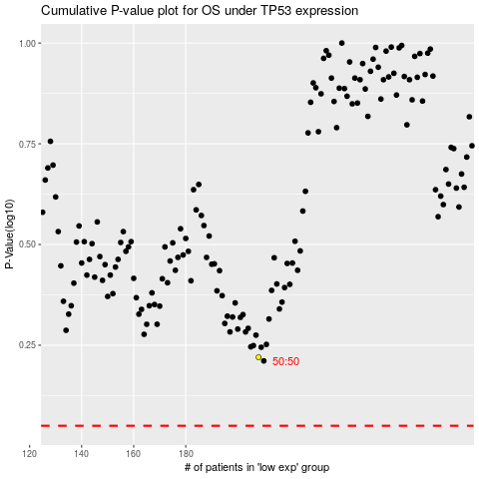

 |  |  |  |  |  | cases_OS | p_OS | rank | exp
 |  |  |  |  |  |  | cases_RFS | p_RFS | rank | exp

