TP53AIP1 _multivariate
Reported by Tex Li-Hsing Chi. tex@gate.sinica.edu.tw 2019-08-15

Table 2. The clinicopathological features of HNSCC cohort and TP53AIP1 expression. (Chi square test)
Cutoff at -0.279 (50.0%)
 |  | TP53AIP1 expression |  | TP53AIP1 expression |  | (Optimised)
 | Features | Low | (%) | High | (%) | Case no | P-value | Remark | Matthews
Gender | Female | 158 | 38.1 | 148 | 35.7 | 415 | 0.2774 | 0 | 0
2 | Male | 49 | 11.8 | 60 | 14.5
Age at diagnosis | <=65y | 131 | 31.6 | 143 | 34.5 | 415 | 0.2839 | 0 | 0
4 | >65y | 76 | 18.3 | 65 | 15.7
Clinical T Status | T1+T2 | 72 | 17.3 | 77 | 18.6 | 415 | 0.7095 | 0 | 0
6 | T3+T4 | 135 | 32.5 | 131 | 31.6
Clinical N Status | N0 | 95 | 22.9 | 121 | 29.2 | 415 | 0.0162 | 1 | 0
8 | N1-3 | 112 | 27 | 87 | 21
Clinical M Status | M0 | 207 | 49.9 | 205 | 49.4 | 415 | 0.2482 | 0 | 0
10 | M1 | 0 | 0 | 3 | 0.7
Clinical Stage | Stage I+II | 43 | 10.4 | 59 | 14.2 | 415 | 0.0925 | 0 | 0
12 | Stage III+IV | 164 | 39.5 | 149 | 35.9
Surgical Margin status | Negative | 161 | 38.8 | 157 | 37.8 | 415 | 0.6429 | 0 | 0
14 | Positive | 46 | 11.1 | 51 | 12.3
Tobacco Exposure | Low | 72 | 17.3 | 89 | 21.4 | 415 | 0.1071 | 0 | 0
16 | High | 135 | 32.5 | 119 | 28.7

Table 3. Univariate/Multivariate Cox's proportional hazards regression analyses on OS time of TP53AIP1 gene expression in HNSCC

 |  | Univariate |  |  |  | Multivariate
 | Features | HR | CI95%(L) | CI95%(H) | P-value | HR | CI95%(L) | CI95%(H) | P-value
1 | Female | 1 |  |  |  | 1
Gender | Male | 1.157 | 0.843 | 1.587 | 0.367 | 1.218 | 0.872 | 1.702 | 0.248
11 | <=65y | 1 |  |  |  | 1
Age at diagnosis | >65y | 1.329 | 0.99 | 1.784 | 0.058 | 1.371 | 1.008 | 1.867 | 0.045
12 | T1+T2 | 1 |  |  |  | 1
Clinical T Status | T3+T4 | 1.409 | 1.028 | 1.931 | 0.033 | 2.22 | 1.175 | 4.197 | 0.014
13 | N0 | 1 |  |  |  | 1
Clinical N Status | N1-3 | 1.185 | 0.89 | 1.577 | 0.246 | 1.22 | 0.854 | 1.742 | 0.276
14 | M0 | 1 |  |  |  | 1
Clinical M Status | M1 | 4.097 | 1.009 | 16.644 | 0.049 | 10.545 | 2.274 | 48.9 | 0.003
15 | Stage I+II | 1 |  |  |  | 1
Clinical Stage | Stage III+IV | 1.245 | 0.882 | 1.759 | 0.213 | 0.499 | 0.232 | 1.07 | 0.074
16 | Negative | 1 |  |  |  | 1
Surgical Margin status | Positive | 1.591 | 1.155 | 2.191 | 0.004 | 1.663 | 1.204 | 2.298 | 0.002
17 | Low | 1 |  |  |  | 1
Tobacco Exposure | High | 1.364 | 1.008 | 1.844 | 0.044 | 1.443 | 1.047 | 1.988 | 0.025
18 | Low | 1 |  |  |  | 1
RNAseq(z-score) | High | 0.824 | 0.617 | 1.101 | 0.19 | 0.831 | 0.619 | 1.117 | 0.221

Table 4. Univariate/Multivariate Cox's proportional hazards regression analyses on RFS time of TP53AIP1 gene expression in HNSCC

 |  | Univariate |  |  |  | Multivariate
 | Features | HR | CI95%(L) | CI95%(H) | P-value | HR | CI95%(L) | CI95%(H) | P-value
1 | Female | 1 |  |  |  | 1
Gender | Male | 1.157 | 0.843 | 1.587 | 0.367 | 1.218 | 0.872 | 1.702 | 0.248
11 | <=65y | 1 |  |  |  | 1
Age at diagnosis | >65y | 1.329 | 0.99 | 1.784 | 0.058 | 1.371 | 1.008 | 1.867 | 0.045
12 | T1+T2 | 1 |  |  |  | 1
Clinical T Status | T3+T4 | 1.409 | 1.028 | 1.931 | 0.033 | 2.22 | 1.175 | 4.197 | 0.014
13 | N0 | 1 |  |  |  | 1
Clinical N Status | N1-3 | 1.185 | 0.89 | 1.577 | 0.246 | 1.22 | 0.854 | 1.742 | 0.276
14 | M0 | 1 |  |  |  | 1
Clinical M Status | M1 | 4.097 | 1.009 | 16.644 | 0.049 | 10.545 | 2.274 | 48.9 | 0.003
15 | Stage I+II | 1 |  |  |  | 1
Clinical Stage | Stage III+IV | 1.245 | 0.882 | 1.759 | 0.213 | 0.499 | 0.232 | 1.07 | 0.074
16 | Negative | 1 |  |  |  | 1
Surgical Margin status | Positive | 1.591 | 1.155 | 2.191 | 0.004 | 1.663 | 1.204 | 2.298 | 0.002
17 | Low | 1 |  |  |  | 1
Tobacco Exposure | High | 1.364 | 1.008 | 1.844 | 0.044 | 1.443 | 1.047 | 1.988 | 0.025
18 | Low | 1 |  |  |  | 1
RNAseq(z-score) | High | 0.824 | 0.617 | 1.101 | 0.19 | 0.831 | 0.619 | 1.117 | 0.221

Kaplan-Meier survival estimate: Cutoff at -0.279 (50.0%)



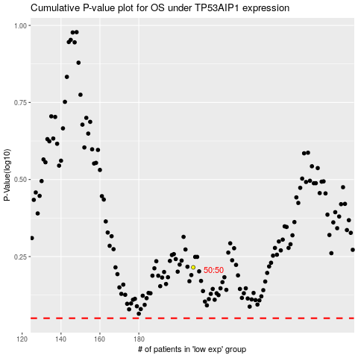

 |  |  |  |  |  | cases_OS | p_OS | rank | exp
 |  |  |  |  |  |  | cases_RFS | p_RFS | rank | exp

