TP53BP1 _multivariate
Reported by Tex Li-Hsing Chi. tex@gate.sinica.edu.tw 2019-08-15

Table 2. The clinicopathological features of HNSCC cohort and TP53BP1 expression. (Chi square test)
Cutoff at -0.122 (49.8%)
 |  | TP53BP1 expression |  | TP53BP1 expression |  | (Optimised)
 | Features | Low | (%) | High | (%) | Case no | P-value | Remark | Matthews
Gender | Female | 142 | 34.2 | 164 | 39.5 | 415 | 0.0238 | 1 | 0
2 | Male | 65 | 15.7 | 44 | 10.6
Age at diagnosis | <=65y | 133 | 32 | 141 | 34 | 415 | 0.5111 | 0 | 0
4 | >65y | 74 | 17.8 | 67 | 16.1
Clinical T Status | T1+T2 | 76 | 18.3 | 73 | 17.6 | 415 | 0.8092 | 0 | 0
6 | T3+T4 | 131 | 31.6 | 135 | 32.5
Clinical N Status | N0 | 106 | 25.5 | 110 | 26.5 | 415 | 0.8075 | 0 | 0
8 | N1-3 | 101 | 24.3 | 98 | 23.6
Clinical M Status | M0 | 204 | 49.2 | 208 | 50.1 | 415 | 0.1232 | 0 | 0
10 | M1 | 3 | 0.7 | 0 | 0
Clinical Stage | Stage I+II | 53 | 12.8 | 49 | 11.8 | 415 | 0.7113 | 0 | 0
12 | Stage III+IV | 154 | 37.1 | 159 | 38.3
Surgical Margin status | Negative | 160 | 38.6 | 158 | 38.1 | 415 | 0.8167 | 0 | 0
14 | Positive | 47 | 11.3 | 50 | 12
Tobacco Exposure | Low | 85 | 20.5 | 76 | 18.3 | 415 | 0.3655 | 0 | 0
16 | High | 122 | 29.4 | 132 | 31.8

Table 3. Univariate/Multivariate Cox's proportional hazards regression analyses on OS time of TP53BP1 gene expression in HNSCC

 |  | Univariate |  |  |  | Multivariate
 | Features | HR | CI95%(L) | CI95%(H) | P-value | HR | CI95%(L) | CI95%(H) | P-value
1 | Female | 1 |  |  |  | 1
Gender | Male | 1.157 | 0.843 | 1.587 | 0.367 | 1.24 | 0.885 | 1.738 | 0.212
11 | <=65y | 1 |  |  |  | 1
Age at diagnosis | >65y | 1.329 | 0.99 | 1.784 | 0.058 | 1.4 | 1.03 | 1.904 | 0.032
12 | T1+T2 | 1 |  |  |  | 1
Clinical T Status | T3+T4 | 1.409 | 1.028 | 1.931 | 0.033 | 2.221 | 1.174 | 4.201 | 0.014
13 | N0 | 1 |  |  |  | 1
Clinical N Status | N1-3 | 1.185 | 0.89 | 1.577 | 0.246 | 1.257 | 0.88 | 1.796 | 0.208
14 | M0 | 1 |  |  |  | 1
Clinical M Status | M1 | 4.097 | 1.009 | 16.644 | 0.049 | 10.472 | 2.259 | 48.556 | 0.003
15 | Stage I+II | 1 |  |  |  | 1
Clinical Stage | Stage III+IV | 1.245 | 0.882 | 1.759 | 0.213 | 0.494 | 0.23 | 1.061 | 0.071
16 | Negative | 1 |  |  |  | 1
Surgical Margin status | Positive | 1.591 | 1.155 | 2.191 | 0.004 | 1.685 | 1.219 | 2.33 | 0.002
17 | Low | 1 |  |  |  | 1
Tobacco Exposure | High | 1.364 | 1.008 | 1.844 | 0.044 | 1.45 | 1.053 | 1.997 | 0.023
18 | Low | 1 |  |  |  | 1
RNAseq(z-score) | High | 1.111 | 0.834 | 1.481 | 0.472 | 1.194 | 0.889 | 1.605 | 0.238

Table 4. Univariate/Multivariate Cox's proportional hazards regression analyses on RFS time of TP53BP1 gene expression in HNSCC

 |  | Univariate |  |  |  | Multivariate
 | Features | HR | CI95%(L) | CI95%(H) | P-value | HR | CI95%(L) | CI95%(H) | P-value
1 | Female | 1 |  |  |  | 1
Gender | Male | 1.157 | 0.843 | 1.587 | 0.367 | 1.24 | 0.885 | 1.738 | 0.212
11 | <=65y | 1 |  |  |  | 1
Age at diagnosis | >65y | 1.329 | 0.99 | 1.784 | 0.058 | 1.4 | 1.03 | 1.904 | 0.032
12 | T1+T2 | 1 |  |  |  | 1
Clinical T Status | T3+T4 | 1.409 | 1.028 | 1.931 | 0.033 | 2.221 | 1.174 | 4.201 | 0.014
13 | N0 | 1 |  |  |  | 1
Clinical N Status | N1-3 | 1.185 | 0.89 | 1.577 | 0.246 | 1.257 | 0.88 | 1.796 | 0.208
14 | M0 | 1 |  |  |  | 1
Clinical M Status | M1 | 4.097 | 1.009 | 16.644 | 0.049 | 10.472 | 2.259 | 48.556 | 0.003
15 | Stage I+II | 1 |  |  |  | 1
Clinical Stage | Stage III+IV | 1.245 | 0.882 | 1.759 | 0.213 | 0.494 | 0.23 | 1.061 | 0.071
16 | Negative | 1 |  |  |  | 1
Surgical Margin status | Positive | 1.591 | 1.155 | 2.191 | 0.004 | 1.685 | 1.219 | 2.33 | 0.002
17 | Low | 1 |  |  |  | 1
Tobacco Exposure | High | 1.364 | 1.008 | 1.844 | 0.044 | 1.45 | 1.053 | 1.997 | 0.023
18 | Low | 1 |  |  |  | 1
RNAseq(z-score) | High | 1.111 | 0.834 | 1.481 | 0.472 | 1.194 | 0.889 | 1.605 | 0.238

Kaplan-Meier survival estimate: Cutoff at -0.122 (49.8%)



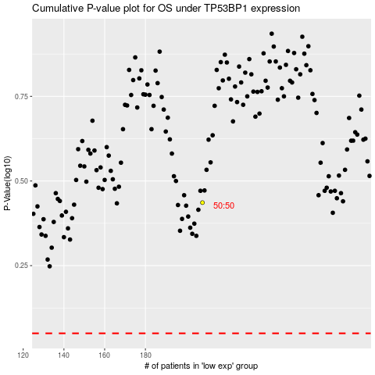

 |  |  |  |  |  | cases_OS | p_OS | rank | exp
 |  |  |  |  |  |  | cases_RFS | p_RFS | rank | exp

