TP53BP2 _multivariate
Reported by Tex Li-Hsing Chi. tex@gate.sinica.edu.tw 2019-08-15

Table 2. The clinicopathological features of HNSCC cohort and TP53BP2 expression. (Chi square test)
Cutoff at -0.136 (50.0%)
 |  | TP53BP2 expression |  | TP53BP2 expression |  | (Optimised)
 | Features | Low | (%) | High | (%) | Case no | P-value | Remark | Matthews
Gender | Female | 150 | 36.1 | 156 | 37.6 | 415 | 0.6344 | 0 | 0
2 | Male | 57 | 13.7 | 52 | 12.5
Age at diagnosis | <=65y | 131 | 31.6 | 143 | 34.5 | 415 | 0.2839 | 0 | 0
4 | >65y | 76 | 18.3 | 65 | 15.7
Clinical T Status | T1+T2 | 90 | 21.7 | 59 | 14.2 | 415 | 0.0019 | 1 | 0
6 | T3+T4 | 117 | 28.2 | 149 | 35.9
Clinical N Status | N0 | 115 | 27.7 | 101 | 24.3 | 415 | 0.184 | 1 | 0
8 | N1-3 | 92 | 22.2 | 107 | 25.8
Clinical M Status | M0 | 205 | 49.4 | 207 | 49.9 | 415 | 0.6232 | 0 | 0
10 | M1 | 2 | 0.5 | 1 | 0.2
Clinical Stage | Stage I+II | 67 | 16.1 | 35 | 8.4 | 415 | 4e-04 | 1 | 0
12 | Stage III+IV | 140 | 33.7 | 173 | 41.7
Surgical Margin status | Negative | 158 | 38.1 | 160 | 38.6 | 415 | 0.9081 | 0 | 0
14 | Positive | 49 | 11.8 | 48 | 11.6
Tobacco Exposure | Low | 94 | 22.7 | 67 | 16.1 | 415 | 0.0065 | 1 | 0
16 | High | 113 | 27.2 | 141 | 34

Table 3. Univariate/Multivariate Cox's proportional hazards regression analyses on OS time of TP53BP2 gene expression in HNSCC

 |  | Univariate |  |  |  | Multivariate
 | Features | HR | CI95%(L) | CI95%(H) | P-value | HR | CI95%(L) | CI95%(H) | P-value
1 | Female | 1 |  |  |  | 1
Gender | Male | 1.157 | 0.843 | 1.587 | 0.367 | 1.206 | 0.863 | 1.685 | 0.273
11 | <=65y | 1 |  |  |  | 1
Age at diagnosis | >65y | 1.329 | 0.99 | 1.784 | 0.058 | 1.382 | 1.016 | 1.88 | 0.039
12 | T1+T2 | 1 |  |  |  | 1
Clinical T Status | T3+T4 | 1.409 | 1.028 | 1.931 | 0.033 | 2.188 | 1.157 | 4.139 | 0.016
13 | N0 | 1 |  |  |  | 1
Clinical N Status | N1-3 | 1.185 | 0.89 | 1.577 | 0.246 | 1.226 | 0.859 | 1.752 | 0.262
14 | M0 | 1 |  |  |  | 1
Clinical M Status | M1 | 4.097 | 1.009 | 16.644 | 0.049 | 8.99 | 1.953 | 41.381 | 0.005
15 | Stage I+II | 1 |  |  |  | 1
Clinical Stage | Stage III+IV | 1.245 | 0.882 | 1.759 | 0.213 | 0.527 | 0.244 | 1.141 | 0.104
16 | Negative | 1 |  |  |  | 1
Surgical Margin status | Positive | 1.591 | 1.155 | 2.191 | 0.004 | 1.659 | 1.2 | 2.294 | 0.002
17 | Low | 1 |  |  |  | 1
Tobacco Exposure | High | 1.364 | 1.008 | 1.844 | 0.044 | 1.469 | 1.064 | 2.027 | 0.019
18 | Low | 1 |  |  |  | 1
RNAseq(z-score) | High | 0.9 | 0.674 | 1.202 | 0.476 | 0.886 | 0.656 | 1.197 | 0.432

Table 4. Univariate/Multivariate Cox's proportional hazards regression analyses on RFS time of TP53BP2 gene expression in HNSCC

 |  | Univariate |  |  |  | Multivariate
 | Features | HR | CI95%(L) | CI95%(H) | P-value | HR | CI95%(L) | CI95%(H) | P-value
1 | Female | 1 |  |  |  | 1
Gender | Male | 1.157 | 0.843 | 1.587 | 0.367 | 1.206 | 0.863 | 1.685 | 0.273
11 | <=65y | 1 |  |  |  | 1
Age at diagnosis | >65y | 1.329 | 0.99 | 1.784 | 0.058 | 1.382 | 1.016 | 1.88 | 0.039
12 | T1+T2 | 1 |  |  |  | 1
Clinical T Status | T3+T4 | 1.409 | 1.028 | 1.931 | 0.033 | 2.188 | 1.157 | 4.139 | 0.016
13 | N0 | 1 |  |  |  | 1
Clinical N Status | N1-3 | 1.185 | 0.89 | 1.577 | 0.246 | 1.226 | 0.859 | 1.752 | 0.262
14 | M0 | 1 |  |  |  | 1
Clinical M Status | M1 | 4.097 | 1.009 | 16.644 | 0.049 | 8.99 | 1.953 | 41.381 | 0.005
15 | Stage I+II | 1 |  |  |  | 1
Clinical Stage | Stage III+IV | 1.245 | 0.882 | 1.759 | 0.213 | 0.527 | 0.244 | 1.141 | 0.104
16 | Negative | 1 |  |  |  | 1
Surgical Margin status | Positive | 1.591 | 1.155 | 2.191 | 0.004 | 1.659 | 1.2 | 2.294 | 0.002
17 | Low | 1 |  |  |  | 1
Tobacco Exposure | High | 1.364 | 1.008 | 1.844 | 0.044 | 1.469 | 1.064 | 2.027 | 0.019
18 | Low | 1 |  |  |  | 1
RNAseq(z-score) | High | 0.9 | 0.674 | 1.202 | 0.476 | 0.886 | 0.656 | 1.197 | 0.432

Kaplan-Meier survival estimate: Cutoff at -0.136 (50.0%)



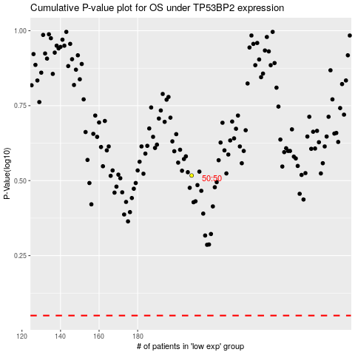

 |  |  |  |  |  | cases_OS | p_OS | rank | exp
 |  |  |  |  |  |  | cases_RFS | p_RFS | rank | exp

