TP53I13 _multivariate
Reported by Tex Li-Hsing Chi. tex@gate.sinica.edu.tw 2019-08-15

Table 2. The clinicopathological features of HNSCC cohort and TP53I13 expression. (Chi square test)
Cutoff at -0.141 (50.0%)
 |  | TP53I13 expression |  | TP53I13 expression |  | (Optimised)
 | Features | Low | (%) | High | (%) | Case no | P-value | Remark | Matthews
Gender | Female | 146 | 35.2 | 160 | 38.6 | 415 | 0.1714 | 0 | 0
2 | Male | 61 | 14.7 | 48 | 11.6
Age at diagnosis | <=65y | 130 | 31.3 | 144 | 34.7 | 415 | 0.2009 | 0 | 0
4 | >65y | 77 | 18.6 | 64 | 15.4
Clinical T Status | T1+T2 | 79 | 19 | 70 | 16.9 | 415 | 0.3924 | 0 | 0
6 | T3+T4 | 128 | 30.8 | 138 | 33.3
Clinical N Status | N0 | 104 | 25.1 | 112 | 27 | 415 | 0.5243 | 0 | 0
8 | N1-3 | 103 | 24.8 | 96 | 23.1
Clinical M Status | M0 | 207 | 49.9 | 205 | 49.4 | 415 | 0.2482 | 0 | 0
10 | M1 | 0 | 0 | 3 | 0.7
Clinical Stage | Stage I+II | 56 | 13.5 | 46 | 11.1 | 415 | 0.2918 | 0 | 0
12 | Stage III+IV | 151 | 36.4 | 162 | 39
Surgical Margin status | Negative | 157 | 37.8 | 161 | 38.8 | 415 | 0.729 | 0 | 0
14 | Positive | 50 | 12 | 47 | 11.3
Tobacco Exposure | Low | 92 | 22.2 | 69 | 16.6 | 415 | 0.0206 | 1 | 0
16 | High | 115 | 27.7 | 139 | 33.5

Table 3. Univariate/Multivariate Cox's proportional hazards regression analyses on OS time of TP53I13 gene expression in HNSCC

 |  | Univariate |  |  |  | Multivariate
 | Features | HR | CI95%(L) | CI95%(H) | P-value | HR | CI95%(L) | CI95%(H) | P-value
1 | Female | 1 |  |  |  | 1
Gender | Male | 1.157 | 0.843 | 1.587 | 0.367 | 1.203 | 0.863 | 1.677 | 0.275
11 | <=65y | 1 |  |  |  | 1
Age at diagnosis | >65y | 1.329 | 0.99 | 1.784 | 0.058 | 1.387 | 1.02 | 1.886 | 0.037
12 | T1+T2 | 1 |  |  |  | 1
Clinical T Status | T3+T4 | 1.409 | 1.028 | 1.931 | 0.033 | 2.31 | 1.22 | 4.372 | 0.01
13 | N0 | 1 |  |  |  | 1
Clinical N Status | N1-3 | 1.185 | 0.89 | 1.577 | 0.246 | 1.231 | 0.863 | 1.755 | 0.252
14 | M0 | 1 |  |  |  | 1
Clinical M Status | M1 | 4.097 | 1.009 | 16.644 | 0.049 | 11.641 | 2.5 | 54.209 | 0.002
15 | Stage I+II | 1 |  |  |  | 1
Clinical Stage | Stage III+IV | 1.245 | 0.882 | 1.759 | 0.213 | 0.498 | 0.232 | 1.069 | 0.074
16 | Negative | 1 |  |  |  | 1
Surgical Margin status | Positive | 1.591 | 1.155 | 2.191 | 0.004 | 1.698 | 1.228 | 2.348 | 0.001
17 | Low | 1 |  |  |  | 1
Tobacco Exposure | High | 1.364 | 1.008 | 1.844 | 0.044 | 1.528 | 1.105 | 2.114 | 0.01
18 | Low | 1 |  |  |  | 1
RNAseq(z-score) | High | 0.824 | 0.618 | 1.099 | 0.188 | 0.733 | 0.544 | 0.987 | 0.041

Table 4. Univariate/Multivariate Cox's proportional hazards regression analyses on RFS time of TP53I13 gene expression in HNSCC

 |  | Univariate |  |  |  | Multivariate
 | Features | HR | CI95%(L) | CI95%(H) | P-value | HR | CI95%(L) | CI95%(H) | P-value
1 | Female | 1 |  |  |  | 1
Gender | Male | 1.157 | 0.843 | 1.587 | 0.367 | 1.203 | 0.863 | 1.677 | 0.275
11 | <=65y | 1 |  |  |  | 1
Age at diagnosis | >65y | 1.329 | 0.99 | 1.784 | 0.058 | 1.387 | 1.02 | 1.886 | 0.037
12 | T1+T2 | 1 |  |  |  | 1
Clinical T Status | T3+T4 | 1.409 | 1.028 | 1.931 | 0.033 | 2.31 | 1.22 | 4.372 | 0.01
13 | N0 | 1 |  |  |  | 1
Clinical N Status | N1-3 | 1.185 | 0.89 | 1.577 | 0.246 | 1.231 | 0.863 | 1.755 | 0.252
14 | M0 | 1 |  |  |  | 1
Clinical M Status | M1 | 4.097 | 1.009 | 16.644 | 0.049 | 11.641 | 2.5 | 54.209 | 0.002
15 | Stage I+II | 1 |  |  |  | 1
Clinical Stage | Stage III+IV | 1.245 | 0.882 | 1.759 | 0.213 | 0.498 | 0.232 | 1.069 | 0.074
16 | Negative | 1 |  |  |  | 1
Surgical Margin status | Positive | 1.591 | 1.155 | 2.191 | 0.004 | 1.698 | 1.228 | 2.348 | 0.001
17 | Low | 1 |  |  |  | 1
Tobacco Exposure | High | 1.364 | 1.008 | 1.844 | 0.044 | 1.528 | 1.105 | 2.114 | 0.01
18 | Low | 1 |  |  |  | 1
RNAseq(z-score) | High | 0.824 | 0.618 | 1.099 | 0.188 | 0.733 | 0.544 | 0.987 | 0.041

Kaplan-Meier survival estimate: Cutoff at -0.141 (50.0%)



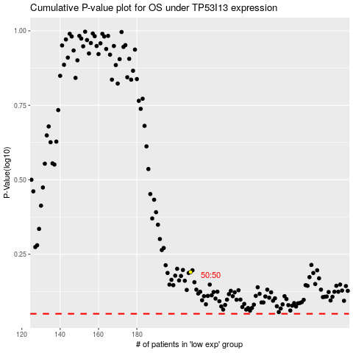

 |  |  |  |  |  | cases_OS | p_OS | rank | exp
 |  |  |  |  |  |  | cases_RFS | p_RFS | rank | exp

