TP53TG1 _multivariate
Reported by Tex Li-Hsing Chi. tex@gate.sinica.edu.tw 2019-08-15

Table 2. The clinicopathological features of HNSCC cohort and TP53TG1 expression. (Chi square test)
Cutoff at -0.239 (49.8%)
 |  | TP53TG1 expression |  | TP53TG1 expression |  | (Optimised)
 | Features | Low | (%) | High | (%) | Case no | P-value | Remark | Matthews
Gender | Female | 151 | 36.4 | 155 | 37.3 | 415 | 0.8007 | 0 | 0
2 | Male | 56 | 13.5 | 53 | 12.8
Age at diagnosis | <=65y | 135 | 32.5 | 139 | 33.5 | 415 | 0.8084 | 0 | 0
4 | >65y | 72 | 17.3 | 69 | 16.6
Clinical T Status | T1+T2 | 84 | 20.2 | 65 | 15.7 | 415 | 0.0603 | 0 | 0
6 | T3+T4 | 123 | 29.6 | 143 | 34.5
Clinical N Status | N0 | 102 | 24.6 | 114 | 27.5 | 415 | 0.3031 | 0 | 0
8 | N1-3 | 105 | 25.3 | 94 | 22.7
Clinical M Status | M0 | 207 | 49.9 | 205 | 49.4 | 415 | 0.2482 | 0 | 0
10 | M1 | 0 | 0 | 3 | 0.7
Clinical Stage | Stage I+II | 56 | 13.5 | 46 | 11.1 | 415 | 0.2918 | 0 | 0
12 | Stage III+IV | 151 | 36.4 | 162 | 39
Surgical Margin status | Negative | 160 | 38.6 | 158 | 38.1 | 415 | 0.8167 | 0 | 0
14 | Positive | 47 | 11.3 | 50 | 12
Tobacco Exposure | Low | 79 | 19 | 82 | 19.8 | 415 | 0.8405 | 0 | 0
16 | High | 128 | 30.8 | 126 | 30.4

Table 3. Univariate/Multivariate Cox's proportional hazards regression analyses on OS time of TP53TG1 gene expression in HNSCC

 |  | Univariate |  |  |  | Multivariate
 | Features | HR | CI95%(L) | CI95%(H) | P-value | HR | CI95%(L) | CI95%(H) | P-value
1 | Female | 1 |  |  |  | 1
Gender | Male | 1.157 | 0.843 | 1.587 | 0.367 | 1.199 | 0.858 | 1.675 | 0.289
11 | <=65y | 1 |  |  |  | 1
Age at diagnosis | >65y | 1.329 | 0.99 | 1.784 | 0.058 | 1.394 | 1.026 | 1.894 | 0.034
12 | T1+T2 | 1 |  |  |  | 1
Clinical T Status | T3+T4 | 1.409 | 1.028 | 1.931 | 0.033 | 2.174 | 1.147 | 4.118 | 0.017
13 | N0 | 1 |  |  |  | 1
Clinical N Status | N1-3 | 1.185 | 0.89 | 1.577 | 0.246 | 1.245 | 0.872 | 1.776 | 0.227
14 | M0 | 1 |  |  |  | 1
Clinical M Status | M1 | 4.097 | 1.009 | 16.644 | 0.049 | 8.949 | 1.928 | 41.535 | 0.005
15 | Stage I+II | 1 |  |  |  | 1
Clinical Stage | Stage III+IV | 1.245 | 0.882 | 1.759 | 0.213 | 0.509 | 0.237 | 1.093 | 0.083
16 | Negative | 1 |  |  |  | 1
Surgical Margin status | Positive | 1.591 | 1.155 | 2.191 | 0.004 | 1.663 | 1.203 | 2.299 | 0.002
17 | Low | 1 |  |  |  | 1
Tobacco Exposure | High | 1.364 | 1.008 | 1.844 | 0.044 | 1.45 | 1.053 | 1.997 | 0.023
18 | Low | 1 |  |  |  | 1
RNAseq(z-score) | High | 1.156 | 0.868 | 1.54 | 0.322 | 1.076 | 0.805 | 1.438 | 0.622

Table 4. Univariate/Multivariate Cox's proportional hazards regression analyses on RFS time of TP53TG1 gene expression in HNSCC

 |  | Univariate |  |  |  | Multivariate
 | Features | HR | CI95%(L) | CI95%(H) | P-value | HR | CI95%(L) | CI95%(H) | P-value
1 | Female | 1 |  |  |  | 1
Gender | Male | 1.157 | 0.843 | 1.587 | 0.367 | 1.199 | 0.858 | 1.675 | 0.289
11 | <=65y | 1 |  |  |  | 1
Age at diagnosis | >65y | 1.329 | 0.99 | 1.784 | 0.058 | 1.394 | 1.026 | 1.894 | 0.034
12 | T1+T2 | 1 |  |  |  | 1
Clinical T Status | T3+T4 | 1.409 | 1.028 | 1.931 | 0.033 | 2.174 | 1.147 | 4.118 | 0.017
13 | N0 | 1 |  |  |  | 1
Clinical N Status | N1-3 | 1.185 | 0.89 | 1.577 | 0.246 | 1.245 | 0.872 | 1.776 | 0.227
14 | M0 | 1 |  |  |  | 1
Clinical M Status | M1 | 4.097 | 1.009 | 16.644 | 0.049 | 8.949 | 1.928 | 41.535 | 0.005
15 | Stage I+II | 1 |  |  |  | 1
Clinical Stage | Stage III+IV | 1.245 | 0.882 | 1.759 | 0.213 | 0.509 | 0.237 | 1.093 | 0.083
16 | Negative | 1 |  |  |  | 1
Surgical Margin status | Positive | 1.591 | 1.155 | 2.191 | 0.004 | 1.663 | 1.203 | 2.299 | 0.002
17 | Low | 1 |  |  |  | 1
Tobacco Exposure | High | 1.364 | 1.008 | 1.844 | 0.044 | 1.45 | 1.053 | 1.997 | 0.023
18 | Low | 1 |  |  |  | 1
RNAseq(z-score) | High | 1.156 | 0.868 | 1.54 | 0.322 | 1.076 | 0.805 | 1.438 | 0.622

Kaplan-Meier survival estimate: Cutoff at -0.239 (49.8%)



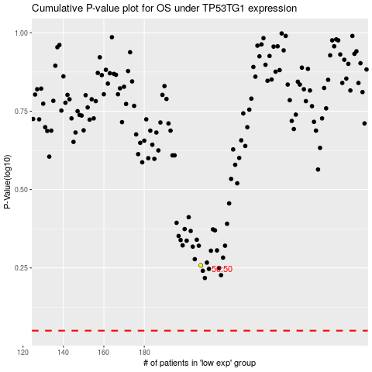

 |  |  |  |  |  | cases_OS | p_OS | rank | exp
 |  |  |  |  |  |  | cases_RFS | p_RFS | rank | exp

