TPI1 _multivariate
Reported by Tex Li-Hsing Chi. tex@gate.sinica.edu.tw 2019-08-15

Table 2. The clinicopathological features of HNSCC cohort and TPI1 expression. (Chi square test)
Cutoff at 0.045 (61.6%)
 |  | TPI1 expression |  | TPI1 expression |  | (Optimised)
 | Features | Low | (%) | High | (%) | Case no | P-value | Remark | Matthews
Gender | Female | 182 | 43.9 | 124 | 29.9 | 415 | 0.1508 | 0 | 0
2 | Male | 74 | 17.8 | 35 | 8.4
Age at diagnosis | <=65y | 173 | 41.7 | 101 | 24.3 | 415 | 0.4584 | 0 | 0
4 | >65y | 83 | 20 | 58 | 14
Clinical T Status | T1+T2 | 101 | 24.3 | 48 | 11.6 | 415 | 0.0707 | 0 | 0
6 | T3+T4 | 155 | 37.3 | 111 | 26.7
Clinical N Status | N0 | 141 | 34 | 75 | 18.1 | 415 | 0.1425 | 0 | 0
8 | N1-3 | 115 | 27.7 | 84 | 20.2
Clinical M Status | M0 | 255 | 61.4 | 157 | 37.8 | 415 | 0.5612 | 0 | 0
10 | M1 | 1 | 0.2 | 2 | 0.5
Clinical Stage | Stage I+II | 71 | 17.1 | 31 | 7.5 | 415 | 0.0755 | 0 | 0
12 | Stage III+IV | 185 | 44.6 | 128 | 30.8
Surgical Margin status | Negative | 196 | 47.2 | 122 | 29.4 | 415 | 1 | 0 | 0
14 | Positive | 60 | 14.5 | 37 | 8.9
Tobacco Exposure | Low | 108 | 26 | 53 | 12.8 | 415 | 0.0786 | 0 | 0
16 | High | 148 | 35.7 | 106 | 25.5

Table 3. Univariate/Multivariate Cox's proportional hazards regression analyses on OS time of TPI1 gene expression in HNSCC

 |  | Univariate |  |  |  | Multivariate
 | Features | HR | CI95%(L) | CI95%(H) | P-value | HR | CI95%(L) | CI95%(H) | P-value
1 | Female | 1 |  |  |  | 1
Gender | Male | 1.157 | 0.843 | 1.587 | 0.367 | 1.237 | 0.884 | 1.731 | 0.215
11 | <=65y | 1 |  |  |  | 1
Age at diagnosis | >65y | 1.329 | 0.99 | 1.784 | 0.058 | 1.358 | 1 | 1.846 | 0.05
12 | T1+T2 | 1 |  |  |  | 1
Clinical T Status | T3+T4 | 1.409 | 1.028 | 1.931 | 0.033 | 2.15 | 1.138 | 4.064 | 0.018
13 | N0 | 1 |  |  |  | 1
Clinical N Status | N1-3 | 1.185 | 0.89 | 1.577 | 0.246 | 1.208 | 0.847 | 1.724 | 0.297
14 | M0 | 1 |  |  |  | 1
Clinical M Status | M1 | 4.097 | 1.009 | 16.644 | 0.049 | 8.753 | 1.907 | 40.189 | 0.005
15 | Stage I+II | 1 |  |  |  | 1
Clinical Stage | Stage III+IV | 1.245 | 0.882 | 1.759 | 0.213 | 0.512 | 0.239 | 1.099 | 0.086
16 | Negative | 1 |  |  |  | 1
Surgical Margin status | Positive | 1.591 | 1.155 | 2.191 | 0.004 | 1.699 | 1.23 | 2.348 | 0.001
17 | Low | 1 |  |  |  | 1
Tobacco Exposure | High | 1.364 | 1.008 | 1.844 | 0.044 | 1.436 | 1.041 | 1.981 | 0.027
18 | Low | 1 |  |  |  | 1
RNAseq(z-score) | High | 1.404 | 1.051 | 1.874 | 0.021 | 1.352 | 1.008 | 1.813 | 0.044

Table 4. Univariate/Multivariate Cox's proportional hazards regression analyses on RFS time of TPI1 gene expression in HNSCC

 |  | Univariate |  |  |  | Multivariate
 | Features | HR | CI95%(L) | CI95%(H) | P-value | HR | CI95%(L) | CI95%(H) | P-value
1 | Female | 1 |  |  |  | 1
Gender | Male | 1.157 | 0.843 | 1.587 | 0.367 | 1.237 | 0.884 | 1.731 | 0.215
11 | <=65y | 1 |  |  |  | 1
Age at diagnosis | >65y | 1.329 | 0.99 | 1.784 | 0.058 | 1.358 | 1 | 1.846 | 0.05
12 | T1+T2 | 1 |  |  |  | 1
Clinical T Status | T3+T4 | 1.409 | 1.028 | 1.931 | 0.033 | 2.15 | 1.138 | 4.064 | 0.018
13 | N0 | 1 |  |  |  | 1
Clinical N Status | N1-3 | 1.185 | 0.89 | 1.577 | 0.246 | 1.208 | 0.847 | 1.724 | 0.297
14 | M0 | 1 |  |  |  | 1
Clinical M Status | M1 | 4.097 | 1.009 | 16.644 | 0.049 | 8.753 | 1.907 | 40.189 | 0.005
15 | Stage I+II | 1 |  |  |  | 1
Clinical Stage | Stage III+IV | 1.245 | 0.882 | 1.759 | 0.213 | 0.512 | 0.239 | 1.099 | 0.086
16 | Negative | 1 |  |  |  | 1
Surgical Margin status | Positive | 1.591 | 1.155 | 2.191 | 0.004 | 1.699 | 1.23 | 2.348 | 0.001
17 | Low | 1 |  |  |  | 1
Tobacco Exposure | High | 1.364 | 1.008 | 1.844 | 0.044 | 1.436 | 1.041 | 1.981 | 0.027
18 | Low | 1 |  |  |  | 1
RNAseq(z-score) | High | 1.404 | 1.051 | 1.874 | 0.021 | 1.352 | 1.008 | 1.813 | 0.044

Kaplan-Meier survival estimate: Cutoff at 0.045 (61.6%)

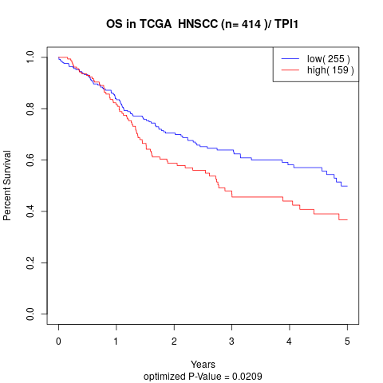

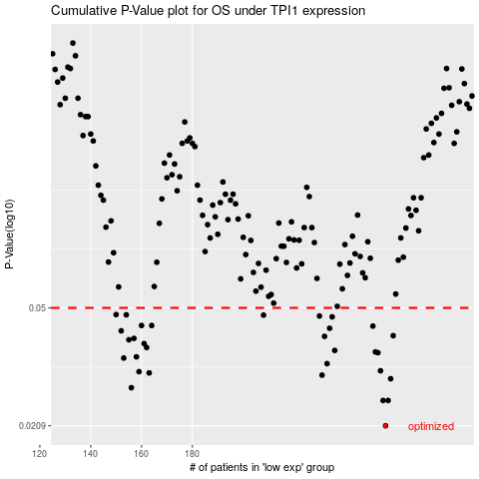

 |  |  |  |  |  | cases_OS | p_OS | rank | exp
 |  |  |  |  |  | 256 | 0.0209 | 82 | 0.045127345919
 |  |  |  |  |  | 255 | 0.0252 | 39 | 0.035317137858
 |  |  |  |  |  | 257 | 0.0252 | 244 | 0.047010494935
 |  |  |  |  |  | 156 | 0.0277 | 281 | -0.34452106057
 |  |  |  |  |  | 258 | 0.0296 | 296 | 0.069471778509
 |  |  |  |  |  | 231 | 0.0304 | 221 | -0.085061707269
 |  |  |  |  |  | 163 | 0.0309 | 155 | -0.32459684449
 |  |  |  |  |  | 159 | 0.0312 | 239 | -0.34151779992
 |  |  |  |  |  | 254 | 0.0314 | 286 | 0.035038391791
 |  |  |  |  |  | 233 | 0.0331 | 208 | -0.077517505066
 |  |  |  |  |  | 153 | 0.0345 | 70 | -0.35308698721
 |  |  |  |  |  | 158 | 0.0348 | 24 | -0.34294339414
 |  |  |  |  |  | 253 | 0.0359 | 29 | 0.032971160934
 |  |  |  |  |  | 252 | 0.0361 | 358 | 0.030308996223
 |  |  |  |  |  | 236 | 0.0365 | 289 | -0.055532417657
 |  |  |  |  |  | 162 | 0.0373 | 164 | -0.32579956375
 |  |  |  |  |  | 161 | 0.0384 | 25 | -0.32832477337
 |  |  |  |  |  | 155 | 0.0395 | 131 | -0.3446392948
 |  |  |  |  |  | 157 | 0.0399 | 292 | -0.34435257282
 |  |  |  |  |  | 232 | 0.0405 | 83 | -0.077577523112
 |  |  |  |  |  | 259 | 0.0407 | 199 | 0.071297705021
 |  |  |  |  |  | 152 | 0.0422 | 365 | -0.35593797691
 |  |  |  |  |  | 234 | 0.043 | 254 | -0.072921209121
 |  |  |  |  |  | 251 | 0.0437 | 95 | 0.029984236321
 |  |  |  |  |  | 160 | 0.0439 | 103 | -0.33879531243
 |  |  |  |  |  | 164 | 0.0439 | 204 | -0.31724194424
 |  |  |  |  |  | 235 | 0.0468 | 44 | -0.067674002225
 |  |  |  |  |  | 230 | 0.0471 | 184 | -0.087501407738
 |  |  |  |  |  | 208 | 0.0474 | 247 | -0.18730907404
 |  |  |  |  |  | 154 | 0.0475 | 119 | -0.35072014308
 |  |  |  |  |  | 150 | 0.0476 | 90 | -0.36080569221
 |  |  |  |  |  |  | cases_RFS | p_RFS | rank | exp
 |  |  |  |  |  |  | 255 | 0.0209 | 39 | 0.035317137858
 |  |  |  |  |  |  | 256 | 0.0252 | 82 | 0.045127345919
 |  |  |  |  |  |  | 254 | 0.0252 | 286 | 0.035038391791
 |  |  |  |  |  |  | 155 | 0.0277 | 131 | -0.3446392948
 |  |  |  |  |  |  | 257 | 0.0296 | 244 | 0.047010494935
 |  |  |  |  |  |  | 230 | 0.0304 | 184 | -0.087501407738
 |  |  |  |  |  |  | 162 | 0.0309 | 164 | -0.32579956375
 |  |  |  |  |  |  | 158 | 0.0312 | 24 | -0.34294339414
 |  |  |  |  |  |  | 253 | 0.0314 | 29 | 0.032971160934
 |  |  |  |  |  |  | 232 | 0.0331 | 83 | -0.077577523112
 |  |  |  |  |  |  | 152 | 0.0345 | 365 | -0.35593797691
 |  |  |  |  |  |  | 157 | 0.0348 | 292 | -0.34435257282
 |  |  |  |  |  |  | 252 | 0.0359 | 358 | 0.030308996223
 |  |  |  |  |  |  | 251 | 0.0361 | 95 | 0.029984236321
 |  |  |  |  |  |  | 235 | 0.0365 | 44 | -0.067674002225
 |  |  |  |  |  |  | 161 | 0.0373 | 25 | -0.32832477337
 |  |  |  |  |  |  | 160 | 0.0384 | 103 | -0.33879531243
 |  |  |  |  |  |  | 154 | 0.0395 | 119 | -0.35072014308
 |  |  |  |  |  |  | 156 | 0.0399 | 281 | -0.34452106057
 |  |  |  |  |  |  | 231 | 0.0405 | 221 | -0.085061707269
 |  |  |  |  |  |  | 258 | 0.0407 | 296 | 0.069471778509
 |  |  |  |  |  |  | 151 | 0.0422 | 403 | -0.36058718943
 |  |  |  |  |  |  | 233 | 0.043 | 208 | -0.077517505066
 |  |  |  |  |  |  | 250 | 0.0437 | 205 | 0.028783265935
 |  |  |  |  |  |  | 163 | 0.0439 | 155 | -0.32459684449
 |  |  |  |  |  |  | 159 | 0.0439 | 239 | -0.34151779992
 |  |  |  |  |  |  | 234 | 0.0468 | 254 | -0.072921209121
 |  |  |  |  |  |  | 229 | 0.0471 | 140 | -0.098681882123
 |  |  |  |  |  |  | 207 | 0.0474 | 132 | -0.18844801253
 |  |  |  |  |  |  | 153 | 0.0475 | 70 | -0.35308698721
 |  |  |  |  |  |  | 149 | 0.0476 | 175 | -0.36236482327

