TPMT _multivariate
Reported by Tex Li-Hsing Chi. tex@gate.sinica.edu.tw 2019-08-15

Table 2. The clinicopathological features of HNSCC cohort and TPMT expression. (Chi square test)
Cutoff at -0.163 (50.0%)
 |  | TPMT expression |  | TPMT expression |  | (Optimised)
 | Features | Low | (%) | High | (%) | Case no | P-value | Remark | Matthews
Gender | Female | 158 | 38.1 | 148 | 35.7 | 415 | 0.2774 | 0 | 0
2 | Male | 49 | 11.8 | 60 | 14.5
Age at diagnosis | <=65y | 132 | 31.8 | 142 | 34.2 | 415 | 0.3874 | 0 | 0
4 | >65y | 75 | 18.1 | 66 | 15.9
Clinical T Status | T1+T2 | 73 | 17.6 | 76 | 18.3 | 415 | 0.8666 | 0 | 0
6 | T3+T4 | 134 | 32.3 | 132 | 31.8
Clinical N Status | N0 | 104 | 25.1 | 112 | 27 | 415 | 0.5243 | 0 | 0
8 | N1-3 | 103 | 24.8 | 96 | 23.1
Clinical M Status | M0 | 206 | 49.6 | 206 | 49.6 | 415 | 1 | 0 | 0
10 | M1 | 1 | 0.2 | 2 | 0.5
Clinical Stage | Stage I+II | 48 | 11.6 | 54 | 13 | 415 | 0.5878 | 0 | 0
12 | Stage III+IV | 159 | 38.3 | 154 | 37.1
Surgical Margin status | Negative | 159 | 38.3 | 159 | 38.3 | 415 | 1 | 0 | 0
14 | Positive | 48 | 11.6 | 49 | 11.8
Tobacco Exposure | Low | 78 | 18.8 | 83 | 20 | 415 | 0.6873 | 0 | 0
16 | High | 129 | 31.1 | 125 | 30.1

Table 3. Univariate/Multivariate Cox's proportional hazards regression analyses on OS time of TPMT gene expression in HNSCC

 |  | Univariate |  |  |  | Multivariate
 | Features | HR | CI95%(L) | CI95%(H) | P-value | HR | CI95%(L) | CI95%(H) | P-value
1 | Female | 1 |  |  |  | 1
Gender | Male | 1.157 | 0.843 | 1.587 | 0.367 | 1.224 | 0.874 | 1.714 | 0.24
11 | <=65y | 1 |  |  |  | 1
Age at diagnosis | >65y | 1.329 | 0.99 | 1.784 | 0.058 | 1.386 | 1.019 | 1.884 | 0.038
12 | T1+T2 | 1 |  |  |  | 1
Clinical T Status | T3+T4 | 1.409 | 1.028 | 1.931 | 0.033 | 2.189 | 1.157 | 4.14 | 0.016
13 | N0 | 1 |  |  |  | 1
Clinical N Status | N1-3 | 1.185 | 0.89 | 1.577 | 0.246 | 1.225 | 0.857 | 1.751 | 0.265
14 | M0 | 1 |  |  |  | 1
Clinical M Status | M1 | 4.097 | 1.009 | 16.644 | 0.049 | 9.872 | 2.147 | 45.394 | 0.003
15 | Stage I+II | 1 |  |  |  | 1
Clinical Stage | Stage III+IV | 1.245 | 0.882 | 1.759 | 0.213 | 0.507 | 0.236 | 1.088 | 0.081
16 | Negative | 1 |  |  |  | 1
Surgical Margin status | Positive | 1.591 | 1.155 | 2.191 | 0.004 | 1.664 | 1.204 | 2.3 | 0.002
17 | Low | 1 |  |  |  | 1
Tobacco Exposure | High | 1.364 | 1.008 | 1.844 | 0.044 | 1.451 | 1.053 | 1.999 | 0.023
18 | Low | 1 |  |  |  | 1
RNAseq(z-score) | High | 0.851 | 0.639 | 1.134 | 0.27 | 0.865 | 0.647 | 1.157 | 0.328

Table 4. Univariate/Multivariate Cox's proportional hazards regression analyses on RFS time of TPMT gene expression in HNSCC

 |  | Univariate |  |  |  | Multivariate
 | Features | HR | CI95%(L) | CI95%(H) | P-value | HR | CI95%(L) | CI95%(H) | P-value
1 | Female | 1 |  |  |  | 1
Gender | Male | 1.157 | 0.843 | 1.587 | 0.367 | 1.224 | 0.874 | 1.714 | 0.24
11 | <=65y | 1 |  |  |  | 1
Age at diagnosis | >65y | 1.329 | 0.99 | 1.784 | 0.058 | 1.386 | 1.019 | 1.884 | 0.038
12 | T1+T2 | 1 |  |  |  | 1
Clinical T Status | T3+T4 | 1.409 | 1.028 | 1.931 | 0.033 | 2.189 | 1.157 | 4.14 | 0.016
13 | N0 | 1 |  |  |  | 1
Clinical N Status | N1-3 | 1.185 | 0.89 | 1.577 | 0.246 | 1.225 | 0.857 | 1.751 | 0.265
14 | M0 | 1 |  |  |  | 1
Clinical M Status | M1 | 4.097 | 1.009 | 16.644 | 0.049 | 9.872 | 2.147 | 45.394 | 0.003
15 | Stage I+II | 1 |  |  |  | 1
Clinical Stage | Stage III+IV | 1.245 | 0.882 | 1.759 | 0.213 | 0.507 | 0.236 | 1.088 | 0.081
16 | Negative | 1 |  |  |  | 1
Surgical Margin status | Positive | 1.591 | 1.155 | 2.191 | 0.004 | 1.664 | 1.204 | 2.3 | 0.002
17 | Low | 1 |  |  |  | 1
Tobacco Exposure | High | 1.364 | 1.008 | 1.844 | 0.044 | 1.451 | 1.053 | 1.999 | 0.023
18 | Low | 1 |  |  |  | 1
RNAseq(z-score) | High | 0.851 | 0.639 | 1.134 | 0.27 | 0.865 | 0.647 | 1.157 | 0.328

Kaplan-Meier survival estimate: Cutoff at -0.163 (50.0%)



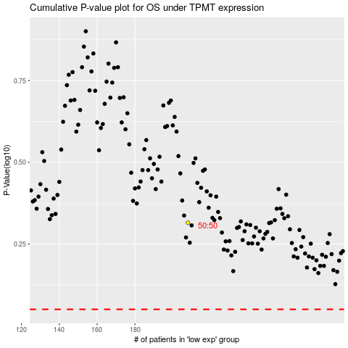

 |  |  |  |  |  | cases_OS | p_OS | rank | exp
 |  |  |  |  |  |  | cases_RFS | p_RFS | rank | exp

