TPRG1L _multivariate
Reported by Tex Li-Hsing Chi. tex@gate.sinica.edu.tw 2019-08-15

Table 2. The clinicopathological features of HNSCC cohort and TPRG1L expression. (Chi square test)
Cutoff at -0.193 (50.0%)
 |  | TPRG1L expression |  | TPRG1L expression |  | (Optimised)
 | Features | Low | (%) | High | (%) | Case no | P-value | Remark | Matthews
Gender | Female | 150 | 36.1 | 156 | 37.6 | 415 | 0.6344 | 0 | 0
2 | Male | 57 | 13.7 | 52 | 12.5
Age at diagnosis | <=65y | 128 | 30.8 | 146 | 35.2 | 415 | 0.0904 | 0 | 0
4 | >65y | 79 | 19 | 62 | 14.9
Clinical T Status | T1+T2 | 73 | 17.6 | 76 | 18.3 | 415 | 0.8666 | 0 | 0
6 | T3+T4 | 134 | 32.3 | 132 | 31.8
Clinical N Status | N0 | 111 | 26.7 | 105 | 25.3 | 415 | 0.5875 | 0 | 0
8 | N1-3 | 96 | 23.1 | 103 | 24.8
Clinical M Status | M0 | 206 | 49.6 | 206 | 49.6 | 415 | 1 | 0 | 0
10 | M1 | 1 | 0.2 | 2 | 0.5
Clinical Stage | Stage I+II | 51 | 12.3 | 51 | 12.3 | 415 | 1 | 0 | 0
12 | Stage III+IV | 156 | 37.6 | 157 | 37.8
Surgical Margin status | Negative | 150 | 36.1 | 168 | 40.5 | 415 | 0.0492 | 1 | 0
14 | Positive | 57 | 13.7 | 40 | 9.6
Tobacco Exposure | Low | 75 | 18.1 | 86 | 20.7 | 415 | 0.3141 | 0 | 0
16 | High | 132 | 31.8 | 122 | 29.4

Table 3. Univariate/Multivariate Cox's proportional hazards regression analyses on OS time of TPRG1L gene expression in HNSCC

 |  | Univariate |  |  |  | Multivariate
 | Features | HR | CI95%(L) | CI95%(H) | P-value | HR | CI95%(L) | CI95%(H) | P-value
1 | Female | 1 |  |  |  | 1
Gender | Male | 1.157 | 0.843 | 1.587 | 0.367 | 1.196 | 0.855 | 1.672 | 0.296
11 | <=65y | 1 |  |  |  | 1
Age at diagnosis | >65y | 1.329 | 0.99 | 1.784 | 0.058 | 1.385 | 1.018 | 1.884 | 0.038
12 | T1+T2 | 1 |  |  |  | 1
Clinical T Status | T3+T4 | 1.409 | 1.028 | 1.931 | 0.033 | 2.212 | 1.17 | 4.183 | 0.015
13 | N0 | 1 |  |  |  | 1
Clinical N Status | N1-3 | 1.185 | 0.89 | 1.577 | 0.246 | 1.258 | 0.88 | 1.8 | 0.209
14 | M0 | 1 |  |  |  | 1
Clinical M Status | M1 | 4.097 | 1.009 | 16.644 | 0.049 | 9.668 | 2.105 | 44.409 | 0.004
15 | Stage I+II | 1 |  |  |  | 1
Clinical Stage | Stage III+IV | 1.245 | 0.882 | 1.759 | 0.213 | 0.498 | 0.232 | 1.071 | 0.074
16 | Negative | 1 |  |  |  | 1
Surgical Margin status | Positive | 1.591 | 1.155 | 2.191 | 0.004 | 1.653 | 1.195 | 2.288 | 0.002
17 | Low | 1 |  |  |  | 1
Tobacco Exposure | High | 1.364 | 1.008 | 1.844 | 0.044 | 1.446 | 1.049 | 1.994 | 0.024
18 | Low | 1 |  |  |  | 1
RNAseq(z-score) | High | 0.865 | 0.648 | 1.154 | 0.323 | 0.904 | 0.674 | 1.212 | 0.499

Table 4. Univariate/Multivariate Cox's proportional hazards regression analyses on RFS time of TPRG1L gene expression in HNSCC

 |  | Univariate |  |  |  | Multivariate
 | Features | HR | CI95%(L) | CI95%(H) | P-value | HR | CI95%(L) | CI95%(H) | P-value
1 | Female | 1 |  |  |  | 1
Gender | Male | 1.157 | 0.843 | 1.587 | 0.367 | 1.196 | 0.855 | 1.672 | 0.296
11 | <=65y | 1 |  |  |  | 1
Age at diagnosis | >65y | 1.329 | 0.99 | 1.784 | 0.058 | 1.385 | 1.018 | 1.884 | 0.038
12 | T1+T2 | 1 |  |  |  | 1
Clinical T Status | T3+T4 | 1.409 | 1.028 | 1.931 | 0.033 | 2.212 | 1.17 | 4.183 | 0.015
13 | N0 | 1 |  |  |  | 1
Clinical N Status | N1-3 | 1.185 | 0.89 | 1.577 | 0.246 | 1.258 | 0.88 | 1.8 | 0.209
14 | M0 | 1 |  |  |  | 1
Clinical M Status | M1 | 4.097 | 1.009 | 16.644 | 0.049 | 9.668 | 2.105 | 44.409 | 0.004
15 | Stage I+II | 1 |  |  |  | 1
Clinical Stage | Stage III+IV | 1.245 | 0.882 | 1.759 | 0.213 | 0.498 | 0.232 | 1.071 | 0.074
16 | Negative | 1 |  |  |  | 1
Surgical Margin status | Positive | 1.591 | 1.155 | 2.191 | 0.004 | 1.653 | 1.195 | 2.288 | 0.002
17 | Low | 1 |  |  |  | 1
Tobacco Exposure | High | 1.364 | 1.008 | 1.844 | 0.044 | 1.446 | 1.049 | 1.994 | 0.024
18 | Low | 1 |  |  |  | 1
RNAseq(z-score) | High | 0.865 | 0.648 | 1.154 | 0.323 | 0.904 | 0.674 | 1.212 | 0.499

Kaplan-Meier survival estimate: Cutoff at -0.193 (50.0%)



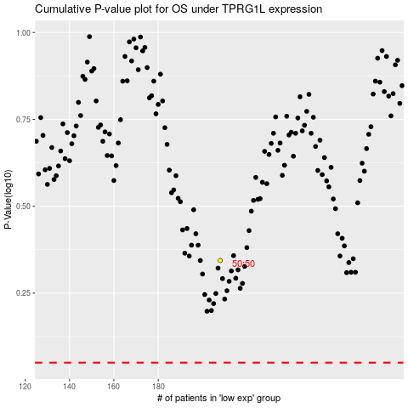

 |  |  |  |  |  | cases_OS | p_OS | rank | exp
 |  |  |  |  |  |  | cases_RFS | p_RFS | rank | exp

