TPRN _multivariate
Reported by Tex Li-Hsing Chi. tex@gate.sinica.edu.tw 2019-08-15

Table 2. The clinicopathological features of HNSCC cohort and TPRN expression. (Chi square test)
Cutoff at -0.334 (49.8%)
 |  | TPRN expression |  | TPRN expression |  | (Optimised)
 | Features | Low | (%) | High | (%) | Case no | P-value | Remark | Matthews
Gender | Female | 143 | 34.5 | 163 | 39.3 | 415 | 0.0416 | 1 | 0
2 | Male | 64 | 15.4 | 45 | 10.8
Age at diagnosis | <=65y | 134 | 32.3 | 140 | 33.7 | 415 | 0.6529 | 0 | 0
4 | >65y | 73 | 17.6 | 68 | 16.4
Clinical T Status | T1+T2 | 82 | 19.8 | 67 | 16.1 | 415 | 0.1417 | 0 | 0
6 | T3+T4 | 125 | 30.1 | 141 | 34
Clinical N Status | N0 | 104 | 25.1 | 112 | 27 | 415 | 0.5243 | 0 | 0
8 | N1-3 | 103 | 24.8 | 96 | 23.1
Clinical M Status | M0 | 207 | 49.9 | 205 | 49.4 | 415 | 0.2482 | 0 | 0
10 | M1 | 0 | 0 | 3 | 0.7
Clinical Stage | Stage I+II | 59 | 14.2 | 43 | 10.4 | 415 | 0.0822 | 0 | 0
12 | Stage III+IV | 148 | 35.7 | 165 | 39.8
Surgical Margin status | Negative | 159 | 38.3 | 159 | 38.3 | 415 | 1 | 0 | 0
14 | Positive | 48 | 11.6 | 49 | 11.8
Tobacco Exposure | Low | 88 | 21.2 | 73 | 17.6 | 415 | 0.1314 | 0 | 0
16 | High | 119 | 28.7 | 135 | 32.5

Table 3. Univariate/Multivariate Cox's proportional hazards regression analyses on OS time of TPRN gene expression in HNSCC

 |  | Univariate |  |  |  | Multivariate
 | Features | HR | CI95%(L) | CI95%(H) | P-value | HR | CI95%(L) | CI95%(H) | P-value
1 | Female | 1 |  |  |  | 1
Gender | Male | 1.157 | 0.843 | 1.587 | 0.367 | 1.175 | 0.84 | 1.644 | 0.346
11 | <=65y | 1 |  |  |  | 1
Age at diagnosis | >65y | 1.329 | 0.99 | 1.784 | 0.058 | 1.404 | 1.033 | 1.91 | 0.03
12 | T1+T2 | 1 |  |  |  | 1
Clinical T Status | T3+T4 | 1.409 | 1.028 | 1.931 | 0.033 | 2.215 | 1.171 | 4.188 | 0.014
13 | N0 | 1 |  |  |  | 1
Clinical N Status | N1-3 | 1.185 | 0.89 | 1.577 | 0.246 | 1.242 | 0.871 | 1.772 | 0.231
14 | M0 | 1 |  |  |  | 1
Clinical M Status | M1 | 4.097 | 1.009 | 16.644 | 0.049 | 10.323 | 2.234 | 47.693 | 0.003
15 | Stage I+II | 1 |  |  |  | 1
Clinical Stage | Stage III+IV | 1.245 | 0.882 | 1.759 | 0.213 | 0.513 | 0.239 | 1.101 | 0.087
16 | Negative | 1 |  |  |  | 1
Surgical Margin status | Positive | 1.591 | 1.155 | 2.191 | 0.004 | 1.684 | 1.219 | 2.327 | 0.002
17 | Low | 1 |  |  |  | 1
Tobacco Exposure | High | 1.364 | 1.008 | 1.844 | 0.044 | 1.467 | 1.064 | 2.022 | 0.019
18 | Low | 1 |  |  |  | 1
RNAseq(z-score) | High | 0.902 | 0.677 | 1.202 | 0.48 | 0.834 | 0.621 | 1.12 | 0.228

Table 4. Univariate/Multivariate Cox's proportional hazards regression analyses on RFS time of TPRN gene expression in HNSCC

 |  | Univariate |  |  |  | Multivariate
 | Features | HR | CI95%(L) | CI95%(H) | P-value | HR | CI95%(L) | CI95%(H) | P-value
1 | Female | 1 |  |  |  | 1
Gender | Male | 1.157 | 0.843 | 1.587 | 0.367 | 1.175 | 0.84 | 1.644 | 0.346
11 | <=65y | 1 |  |  |  | 1
Age at diagnosis | >65y | 1.329 | 0.99 | 1.784 | 0.058 | 1.404 | 1.033 | 1.91 | 0.03
12 | T1+T2 | 1 |  |  |  | 1
Clinical T Status | T3+T4 | 1.409 | 1.028 | 1.931 | 0.033 | 2.215 | 1.171 | 4.188 | 0.014
13 | N0 | 1 |  |  |  | 1
Clinical N Status | N1-3 | 1.185 | 0.89 | 1.577 | 0.246 | 1.242 | 0.871 | 1.772 | 0.231
14 | M0 | 1 |  |  |  | 1
Clinical M Status | M1 | 4.097 | 1.009 | 16.644 | 0.049 | 10.323 | 2.234 | 47.693 | 0.003
15 | Stage I+II | 1 |  |  |  | 1
Clinical Stage | Stage III+IV | 1.245 | 0.882 | 1.759 | 0.213 | 0.513 | 0.239 | 1.101 | 0.087
16 | Negative | 1 |  |  |  | 1
Surgical Margin status | Positive | 1.591 | 1.155 | 2.191 | 0.004 | 1.684 | 1.219 | 2.327 | 0.002
17 | Low | 1 |  |  |  | 1
Tobacco Exposure | High | 1.364 | 1.008 | 1.844 | 0.044 | 1.467 | 1.064 | 2.022 | 0.019
18 | Low | 1 |  |  |  | 1
RNAseq(z-score) | High | 0.902 | 0.677 | 1.202 | 0.48 | 0.834 | 0.621 | 1.12 | 0.228

Kaplan-Meier survival estimate: Cutoff at -0.334 (49.8%)



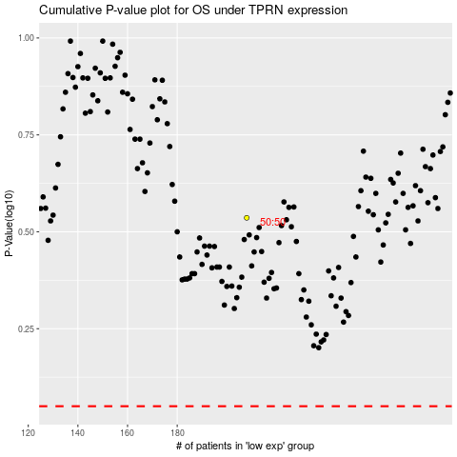

 |  |  |  |  |  | cases_OS | p_OS | rank | exp
 |  |  |  |  |  |  | cases_RFS | p_RFS | rank | exp

