TPST2 _multivariate
Reported by Tex Li-Hsing Chi. tex@gate.sinica.edu.tw 2019-08-15

Table 2. The clinicopathological features of HNSCC cohort and TPST2 expression. (Chi square test)
Cutoff at -0.071 (50.0%)
 |  | TPST2 expression |  | TPST2 expression |  | (Optimised)
 | Features | Low | (%) | High | (%) | Case no | P-value | Remark | Matthews
Gender | Female | 143 | 34.5 | 163 | 39.3 | 415 | 0.0416 | 1 | 0
2 | Male | 64 | 15.4 | 45 | 10.8
Age at diagnosis | <=65y | 133 | 32 | 141 | 34 | 415 | 0.5111 | 0 | 0
4 | >65y | 74 | 17.8 | 67 | 16.1
Clinical T Status | T1+T2 | 79 | 19 | 70 | 16.9 | 415 | 0.3924 | 0 | 0
6 | T3+T4 | 128 | 30.8 | 138 | 33.3
Clinical N Status | N0 | 110 | 26.5 | 106 | 25.5 | 415 | 0.7294 | 0 | 0
8 | N1-3 | 97 | 23.4 | 102 | 24.6
Clinical M Status | M0 | 207 | 49.9 | 205 | 49.4 | 415 | 0.2482 | 0 | 0
10 | M1 | 0 | 0 | 3 | 0.7
Clinical Stage | Stage I+II | 56 | 13.5 | 46 | 11.1 | 415 | 0.2918 | 0 | 0
12 | Stage III+IV | 151 | 36.4 | 162 | 39
Surgical Margin status | Negative | 163 | 39.3 | 155 | 37.3 | 415 | 0.3537 | 0 | 0
14 | Positive | 44 | 10.6 | 53 | 12.8
Tobacco Exposure | Low | 89 | 21.4 | 72 | 17.3 | 415 | 0.0872 | 0 | 0
16 | High | 118 | 28.4 | 136 | 32.8

Table 3. Univariate/Multivariate Cox's proportional hazards regression analyses on OS time of TPST2 gene expression in HNSCC

 |  | Univariate |  |  |  | Multivariate
 | Features | HR | CI95%(L) | CI95%(H) | P-value | HR | CI95%(L) | CI95%(H) | P-value
1 | Female | 1 |  |  |  | 1
Gender | Male | 1.157 | 0.843 | 1.587 | 0.367 | 1.205 | 0.862 | 1.684 | 0.274
11 | <=65y | 1 |  |  |  | 1
Age at diagnosis | >65y | 1.329 | 0.99 | 1.784 | 0.058 | 1.401 | 1.03 | 1.906 | 0.032
12 | T1+T2 | 1 |  |  |  | 1
Clinical T Status | T3+T4 | 1.409 | 1.028 | 1.931 | 0.033 | 2.17 | 1.146 | 4.112 | 0.017
13 | N0 | 1 |  |  |  | 1
Clinical N Status | N1-3 | 1.185 | 0.89 | 1.577 | 0.246 | 1.245 | 0.873 | 1.777 | 0.227
14 | M0 | 1 |  |  |  | 1
Clinical M Status | M1 | 4.097 | 1.009 | 16.644 | 0.049 | 8.911 | 1.921 | 41.33 | 0.005
15 | Stage I+II | 1 |  |  |  | 1
Clinical Stage | Stage III+IV | 1.245 | 0.882 | 1.759 | 0.213 | 0.508 | 0.237 | 1.092 | 0.083
16 | Negative | 1 |  |  |  | 1
Surgical Margin status | Positive | 1.591 | 1.155 | 2.191 | 0.004 | 1.652 | 1.192 | 2.288 | 0.003
17 | Low | 1 |  |  |  | 1
Tobacco Exposure | High | 1.364 | 1.008 | 1.844 | 0.044 | 1.439 | 1.042 | 1.986 | 0.027
18 | Low | 1 |  |  |  | 1
RNAseq(z-score) | High | 1.189 | 0.891 | 1.587 | 0.239 | 1.086 | 0.806 | 1.464 | 0.588

Table 4. Univariate/Multivariate Cox's proportional hazards regression analyses on RFS time of TPST2 gene expression in HNSCC

 |  | Univariate |  |  |  | Multivariate
 | Features | HR | CI95%(L) | CI95%(H) | P-value | HR | CI95%(L) | CI95%(H) | P-value
1 | Female | 1 |  |  |  | 1
Gender | Male | 1.157 | 0.843 | 1.587 | 0.367 | 1.205 | 0.862 | 1.684 | 0.274
11 | <=65y | 1 |  |  |  | 1
Age at diagnosis | >65y | 1.329 | 0.99 | 1.784 | 0.058 | 1.401 | 1.03 | 1.906 | 0.032
12 | T1+T2 | 1 |  |  |  | 1
Clinical T Status | T3+T4 | 1.409 | 1.028 | 1.931 | 0.033 | 2.17 | 1.146 | 4.112 | 0.017
13 | N0 | 1 |  |  |  | 1
Clinical N Status | N1-3 | 1.185 | 0.89 | 1.577 | 0.246 | 1.245 | 0.873 | 1.777 | 0.227
14 | M0 | 1 |  |  |  | 1
Clinical M Status | M1 | 4.097 | 1.009 | 16.644 | 0.049 | 8.911 | 1.921 | 41.33 | 0.005
15 | Stage I+II | 1 |  |  |  | 1
Clinical Stage | Stage III+IV | 1.245 | 0.882 | 1.759 | 0.213 | 0.508 | 0.237 | 1.092 | 0.083
16 | Negative | 1 |  |  |  | 1
Surgical Margin status | Positive | 1.591 | 1.155 | 2.191 | 0.004 | 1.652 | 1.192 | 2.288 | 0.003
17 | Low | 1 |  |  |  | 1
Tobacco Exposure | High | 1.364 | 1.008 | 1.844 | 0.044 | 1.439 | 1.042 | 1.986 | 0.027
18 | Low | 1 |  |  |  | 1
RNAseq(z-score) | High | 1.189 | 0.891 | 1.587 | 0.239 | 1.086 | 0.806 | 1.464 | 0.588

Kaplan-Meier survival estimate: Cutoff at -0.071 (50.0%)



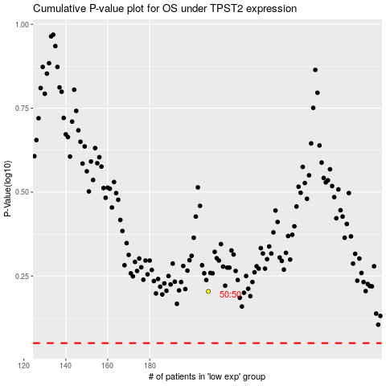

 |  |  |  |  |  | cases_OS | p_OS | rank | exp
 |  |  |  |  |  |  | cases_RFS | p_RFS | rank | exp

