TPT1 _multivariate
Reported by Tex Li-Hsing Chi. tex@gate.sinica.edu.tw 2019-08-15

Table 2. The clinicopathological features of HNSCC cohort and TPT1 expression. (Chi square test)
Cutoff at -0.302 (50.0%)
 |  | TPT1 expression |  | TPT1 expression |  | (Optimised)
 | Features | Low | (%) | High | (%) | Case no | P-value | Remark | Matthews
Gender | Female | 158 | 38.1 | 148 | 35.7 | 415 | 0.2774 | 0 | 0
2 | Male | 49 | 11.8 | 60 | 14.5
Age at diagnosis | <=65y | 148 | 35.7 | 126 | 30.4 | 415 | 0.0248 | 1 | 0
4 | >65y | 59 | 14.2 | 82 | 19.8
Clinical T Status | T1+T2 | 78 | 18.8 | 71 | 17.1 | 415 | 0.5152 | 0 | 0
6 | T3+T4 | 129 | 31.1 | 137 | 33
Clinical N Status | N0 | 101 | 24.3 | 115 | 27.7 | 415 | 0.2201 | 0 | 0
8 | N1-3 | 106 | 25.5 | 93 | 22.4
Clinical M Status | M0 | 205 | 49.4 | 207 | 49.9 | 415 | 0.6232 | 0 | 0
10 | M1 | 2 | 0.5 | 1 | 0.2
Clinical Stage | Stage I+II | 46 | 11.1 | 56 | 13.5 | 415 | 0.3182 | 0 | 0
12 | Stage III+IV | 161 | 38.8 | 152 | 36.6
Surgical Margin status | Negative | 161 | 38.8 | 157 | 37.8 | 415 | 0.6429 | 0 | 0
14 | Positive | 46 | 11.1 | 51 | 12.3
Tobacco Exposure | Low | 80 | 19.3 | 81 | 19.5 | 415 | 1 | 0 | 0
16 | High | 127 | 30.6 | 127 | 30.6

Table 3. Univariate/Multivariate Cox's proportional hazards regression analyses on OS time of TPT1 gene expression in HNSCC

 |  | Univariate |  |  |  | Multivariate
 | Features | HR | CI95%(L) | CI95%(H) | P-value | HR | CI95%(L) | CI95%(H) | P-value
1 | Female | 1 |  |  |  | 1
Gender | Male | 1.157 | 0.843 | 1.587 | 0.367 | 1.191 | 0.851 | 1.666 | 0.308
11 | <=65y | 1 |  |  |  | 1
Age at diagnosis | >65y | 1.329 | 0.99 | 1.784 | 0.058 | 1.382 | 1.017 | 1.88 | 0.039
12 | T1+T2 | 1 |  |  |  | 1
Clinical T Status | T3+T4 | 1.409 | 1.028 | 1.931 | 0.033 | 2.169 | 1.146 | 4.107 | 0.017
13 | N0 | 1 |  |  |  | 1
Clinical N Status | N1-3 | 1.185 | 0.89 | 1.577 | 0.246 | 1.241 | 0.871 | 1.77 | 0.232
14 | M0 | 1 |  |  |  | 1
Clinical M Status | M1 | 4.097 | 1.009 | 16.644 | 0.049 | 9.493 | 2.071 | 43.524 | 0.004
15 | Stage I+II | 1 |  |  |  | 1
Clinical Stage | Stage III+IV | 1.245 | 0.882 | 1.759 | 0.213 | 0.517 | 0.24 | 1.113 | 0.092
16 | Negative | 1 |  |  |  | 1
Surgical Margin status | Positive | 1.591 | 1.155 | 2.191 | 0.004 | 1.657 | 1.198 | 2.292 | 0.002
17 | Low | 1 |  |  |  | 1
Tobacco Exposure | High | 1.364 | 1.008 | 1.844 | 0.044 | 1.457 | 1.057 | 2.009 | 0.022
18 | Low | 1 |  |  |  | 1
RNAseq(z-score) | High | 1.145 | 0.859 | 1.526 | 0.356 | 1.099 | 0.82 | 1.475 | 0.527

Table 4. Univariate/Multivariate Cox's proportional hazards regression analyses on RFS time of TPT1 gene expression in HNSCC

 |  | Univariate |  |  |  | Multivariate
 | Features | HR | CI95%(L) | CI95%(H) | P-value | HR | CI95%(L) | CI95%(H) | P-value
1 | Female | 1 |  |  |  | 1
Gender | Male | 1.157 | 0.843 | 1.587 | 0.367 | 1.191 | 0.851 | 1.666 | 0.308
11 | <=65y | 1 |  |  |  | 1
Age at diagnosis | >65y | 1.329 | 0.99 | 1.784 | 0.058 | 1.382 | 1.017 | 1.88 | 0.039
12 | T1+T2 | 1 |  |  |  | 1
Clinical T Status | T3+T4 | 1.409 | 1.028 | 1.931 | 0.033 | 2.169 | 1.146 | 4.107 | 0.017
13 | N0 | 1 |  |  |  | 1
Clinical N Status | N1-3 | 1.185 | 0.89 | 1.577 | 0.246 | 1.241 | 0.871 | 1.77 | 0.232
14 | M0 | 1 |  |  |  | 1
Clinical M Status | M1 | 4.097 | 1.009 | 16.644 | 0.049 | 9.493 | 2.071 | 43.524 | 0.004
15 | Stage I+II | 1 |  |  |  | 1
Clinical Stage | Stage III+IV | 1.245 | 0.882 | 1.759 | 0.213 | 0.517 | 0.24 | 1.113 | 0.092
16 | Negative | 1 |  |  |  | 1
Surgical Margin status | Positive | 1.591 | 1.155 | 2.191 | 0.004 | 1.657 | 1.198 | 2.292 | 0.002
17 | Low | 1 |  |  |  | 1
Tobacco Exposure | High | 1.364 | 1.008 | 1.844 | 0.044 | 1.457 | 1.057 | 2.009 | 0.022
18 | Low | 1 |  |  |  | 1
RNAseq(z-score) | High | 1.145 | 0.859 | 1.526 | 0.356 | 1.099 | 0.82 | 1.475 | 0.527

Kaplan-Meier survival estimate: Cutoff at -0.302 (50.0%)



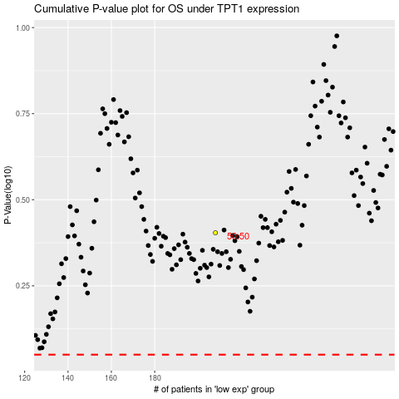

 |  |  |  |  |  | cases_OS | p_OS | rank | exp
 |  |  |  |  |  |  | cases_RFS | p_RFS | rank | exp

