TPTE _multivariate
Reported by Tex Li-Hsing Chi. tex@gate.sinica.edu.tw 2019-08-15

Table 2. The clinicopathological features of HNSCC cohort and TPTE expression. (Chi square test)
Cutoff at -0.183 (50.0%)
 |  | TPTE expression |  | TPTE expression |  | (Optimised)
 | Features | Low | (%) | High | (%) | Case no | P-value | Remark | Matthews
Gender | Female | 157 | 37.8 | 149 | 35.9 | 415 | 0.3881 | 0 | 0
2 | Male | 50 | 12 | 59 | 14.2
Age at diagnosis | <=65y | 136 | 32.8 | 138 | 33.3 | 415 | 0.9719 | 0 | 0
4 | >65y | 71 | 17.1 | 70 | 16.9
Clinical T Status | T1+T2 | 83 | 20 | 66 | 15.9 | 415 | 0.0941 | 0 | 0
6 | T3+T4 | 124 | 29.9 | 142 | 34.2
Clinical N Status | N0 | 104 | 25.1 | 112 | 27 | 415 | 0.5243 | 0 | 0
8 | N1-3 | 103 | 24.8 | 96 | 23.1
Clinical M Status | M0 | 206 | 49.6 | 206 | 49.6 | 415 | 1 | 0 | 0
10 | M1 | 1 | 0.2 | 2 | 0.5
Clinical Stage | Stage I+II | 54 | 13 | 48 | 11.6 | 415 | 0.5498 | 0 | 0
12 | Stage III+IV | 153 | 36.9 | 160 | 38.6
Surgical Margin status | Negative | 162 | 39 | 156 | 37.6 | 415 | 0.4867 | 0 | 0
14 | Positive | 45 | 10.8 | 52 | 12.5
Tobacco Exposure | Low | 81 | 19.5 | 80 | 19.3 | 415 | 0.9199 | 0 | 0
16 | High | 126 | 30.4 | 128 | 30.8

Table 3. Univariate/Multivariate Cox's proportional hazards regression analyses on OS time of TPTE gene expression in HNSCC

 |  | Univariate |  |  |  | Multivariate
 | Features | HR | CI95%(L) | CI95%(H) | P-value | HR | CI95%(L) | CI95%(H) | P-value
1 | Female | 1 |  |  |  | 1
Gender | Male | 1.157 | 0.843 | 1.587 | 0.367 | 1.213 | 0.868 | 1.695 | 0.258
11 | <=65y | 1 |  |  |  | 1
Age at diagnosis | >65y | 1.329 | 0.99 | 1.784 | 0.058 | 1.396 | 1.026 | 1.901 | 0.034
12 | T1+T2 | 1 |  |  |  | 1
Clinical T Status | T3+T4 | 1.409 | 1.028 | 1.931 | 0.033 | 2.286 | 1.207 | 4.331 | 0.011
13 | N0 | 1 |  |  |  | 1
Clinical N Status | N1-3 | 1.185 | 0.89 | 1.577 | 0.246 | 1.218 | 0.853 | 1.741 | 0.278
14 | M0 | 1 |  |  |  | 1
Clinical M Status | M1 | 4.097 | 1.009 | 16.644 | 0.049 | 10.022 | 2.182 | 46.028 | 0.003
15 | Stage I+II | 1 |  |  |  | 1
Clinical Stage | Stage III+IV | 1.245 | 0.882 | 1.759 | 0.213 | 0.504 | 0.235 | 1.081 | 0.079
16 | Negative | 1 |  |  |  | 1
Surgical Margin status | Positive | 1.591 | 1.155 | 2.191 | 0.004 | 1.647 | 1.192 | 2.276 | 0.003
17 | Low | 1 |  |  |  | 1
Tobacco Exposure | High | 1.364 | 1.008 | 1.844 | 0.044 | 1.429 | 1.037 | 1.971 | 0.029
18 | Low | 1 |  |  |  | 1
RNAseq(z-score) | High | 0.796 | 0.597 | 1.062 | 0.12 | 0.769 | 0.575 | 1.029 | 0.078

Table 4. Univariate/Multivariate Cox's proportional hazards regression analyses on RFS time of TPTE gene expression in HNSCC

 |  | Univariate |  |  |  | Multivariate
 | Features | HR | CI95%(L) | CI95%(H) | P-value | HR | CI95%(L) | CI95%(H) | P-value
1 | Female | 1 |  |  |  | 1
Gender | Male | 1.157 | 0.843 | 1.587 | 0.367 | 1.213 | 0.868 | 1.695 | 0.258
11 | <=65y | 1 |  |  |  | 1
Age at diagnosis | >65y | 1.329 | 0.99 | 1.784 | 0.058 | 1.396 | 1.026 | 1.901 | 0.034
12 | T1+T2 | 1 |  |  |  | 1
Clinical T Status | T3+T4 | 1.409 | 1.028 | 1.931 | 0.033 | 2.286 | 1.207 | 4.331 | 0.011
13 | N0 | 1 |  |  |  | 1
Clinical N Status | N1-3 | 1.185 | 0.89 | 1.577 | 0.246 | 1.218 | 0.853 | 1.741 | 0.278
14 | M0 | 1 |  |  |  | 1
Clinical M Status | M1 | 4.097 | 1.009 | 16.644 | 0.049 | 10.022 | 2.182 | 46.028 | 0.003
15 | Stage I+II | 1 |  |  |  | 1
Clinical Stage | Stage III+IV | 1.245 | 0.882 | 1.759 | 0.213 | 0.504 | 0.235 | 1.081 | 0.079
16 | Negative | 1 |  |  |  | 1
Surgical Margin status | Positive | 1.591 | 1.155 | 2.191 | 0.004 | 1.647 | 1.192 | 2.276 | 0.003
17 | Low | 1 |  |  |  | 1
Tobacco Exposure | High | 1.364 | 1.008 | 1.844 | 0.044 | 1.429 | 1.037 | 1.971 | 0.029
18 | Low | 1 |  |  |  | 1
RNAseq(z-score) | High | 0.796 | 0.597 | 1.062 | 0.12 | 0.769 | 0.575 | 1.029 | 0.078

Kaplan-Meier survival estimate: Cutoff at -0.183 (50.0%)



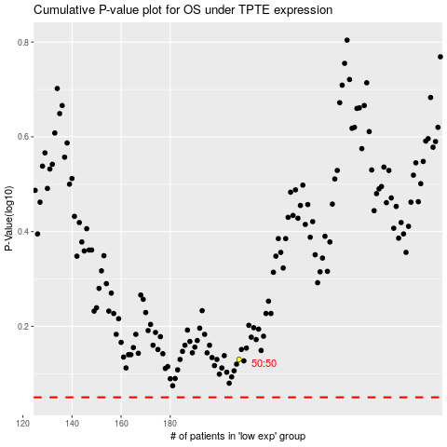

 |  |  |  |  |  | cases_OS | p_OS | rank | exp
 |  |  |  |  |  |  | cases_RFS | p_RFS | rank | exp

