TPTE2P1 _multivariate
Reported by Tex Li-Hsing Chi. tex@gate.sinica.edu.tw 2019-08-15

Table 2. The clinicopathological features of HNSCC cohort and TPTE2P1 expression. (Chi square test)
Cutoff at -0.302 (49.8%)
 |  | TPTE2P1 expression |  | TPTE2P1 expression |  | (Optimised)
 | Features | Low | (%) | High | (%) | Case no | P-value | Remark | Matthews
Gender | Female | 150 | 36.1 | 156 | 37.6 | 415 | 0.6344 | 0 | 0
2 | Male | 57 | 13.7 | 52 | 12.5
Age at diagnosis | <=65y | 144 | 34.7 | 130 | 31.3 | 415 | 0.1568 | 0 | 0
4 | >65y | 63 | 15.2 | 78 | 18.8
Clinical T Status | T1+T2 | 77 | 18.6 | 72 | 17.3 | 415 | 0.6556 | 0 | 0
6 | T3+T4 | 130 | 31.3 | 136 | 32.8
Clinical N Status | N0 | 108 | 26 | 108 | 26 | 415 | 1 | 0 | 0
8 | N1-3 | 99 | 23.9 | 100 | 24.1
Clinical M Status | M0 | 204 | 49.2 | 208 | 50.1 | 415 | 0.1232 | 0 | 0
10 | M1 | 3 | 0.7 | 0 | 0
Clinical Stage | Stage I+II | 54 | 13 | 48 | 11.6 | 415 | 0.5498 | 0 | 0
12 | Stage III+IV | 153 | 36.9 | 160 | 38.6
Surgical Margin status | Negative | 163 | 39.3 | 155 | 37.3 | 415 | 0.3537 | 0 | 0
14 | Positive | 44 | 10.6 | 53 | 12.8
Tobacco Exposure | Low | 75 | 18.1 | 86 | 20.7 | 415 | 0.3141 | 0 | 0
16 | High | 132 | 31.8 | 122 | 29.4

Table 3. Univariate/Multivariate Cox's proportional hazards regression analyses on OS time of TPTE2P1 gene expression in HNSCC

 |  | Univariate |  |  |  | Multivariate
 | Features | HR | CI95%(L) | CI95%(H) | P-value | HR | CI95%(L) | CI95%(H) | P-value
1 | Female | 1 |  |  |  | 1
Gender | Male | 1.157 | 0.843 | 1.587 | 0.367 | 1.2 | 0.859 | 1.677 | 0.285
11 | <=65y | 1 |  |  |  | 1
Age at diagnosis | >65y | 1.329 | 0.99 | 1.784 | 0.058 | 1.418 | 1.04 | 1.933 | 0.027
12 | T1+T2 | 1 |  |  |  | 1
Clinical T Status | T3+T4 | 1.409 | 1.028 | 1.931 | 0.033 | 2.197 | 1.162 | 4.154 | 0.015
13 | N0 | 1 |  |  |  | 1
Clinical N Status | N1-3 | 1.185 | 0.89 | 1.577 | 0.246 | 1.254 | 0.878 | 1.789 | 0.213
14 | M0 | 1 |  |  |  | 1
Clinical M Status | M1 | 4.097 | 1.009 | 16.644 | 0.049 | 8.743 | 1.893 | 40.394 | 0.005
15 | Stage I+II | 1 |  |  |  | 1
Clinical Stage | Stage III+IV | 1.245 | 0.882 | 1.759 | 0.213 | 0.512 | 0.238 | 1.1 | 0.086
16 | Negative | 1 |  |  |  | 1
Surgical Margin status | Positive | 1.591 | 1.155 | 2.191 | 0.004 | 1.682 | 1.217 | 2.324 | 0.002
17 | Low | 1 |  |  |  | 1
Tobacco Exposure | High | 1.364 | 1.008 | 1.844 | 0.044 | 1.441 | 1.045 | 1.987 | 0.026
18 | Low | 1 |  |  |  | 1
RNAseq(z-score) | High | 0.914 | 0.686 | 1.218 | 0.54 | 0.876 | 0.652 | 1.176 | 0.378

Table 4. Univariate/Multivariate Cox's proportional hazards regression analyses on RFS time of TPTE2P1 gene expression in HNSCC

 |  | Univariate |  |  |  | Multivariate
 | Features | HR | CI95%(L) | CI95%(H) | P-value | HR | CI95%(L) | CI95%(H) | P-value
1 | Female | 1 |  |  |  | 1
Gender | Male | 1.157 | 0.843 | 1.587 | 0.367 | 1.2 | 0.859 | 1.677 | 0.285
11 | <=65y | 1 |  |  |  | 1
Age at diagnosis | >65y | 1.329 | 0.99 | 1.784 | 0.058 | 1.418 | 1.04 | 1.933 | 0.027
12 | T1+T2 | 1 |  |  |  | 1
Clinical T Status | T3+T4 | 1.409 | 1.028 | 1.931 | 0.033 | 2.197 | 1.162 | 4.154 | 0.015
13 | N0 | 1 |  |  |  | 1
Clinical N Status | N1-3 | 1.185 | 0.89 | 1.577 | 0.246 | 1.254 | 0.878 | 1.789 | 0.213
14 | M0 | 1 |  |  |  | 1
Clinical M Status | M1 | 4.097 | 1.009 | 16.644 | 0.049 | 8.743 | 1.893 | 40.394 | 0.005
15 | Stage I+II | 1 |  |  |  | 1
Clinical Stage | Stage III+IV | 1.245 | 0.882 | 1.759 | 0.213 | 0.512 | 0.238 | 1.1 | 0.086
16 | Negative | 1 |  |  |  | 1
Surgical Margin status | Positive | 1.591 | 1.155 | 2.191 | 0.004 | 1.682 | 1.217 | 2.324 | 0.002
17 | Low | 1 |  |  |  | 1
Tobacco Exposure | High | 1.364 | 1.008 | 1.844 | 0.044 | 1.441 | 1.045 | 1.987 | 0.026
18 | Low | 1 |  |  |  | 1
RNAseq(z-score) | High | 0.914 | 0.686 | 1.218 | 0.54 | 0.876 | 0.652 | 1.176 | 0.378

Kaplan-Meier survival estimate: Cutoff at -0.302 (49.8%)



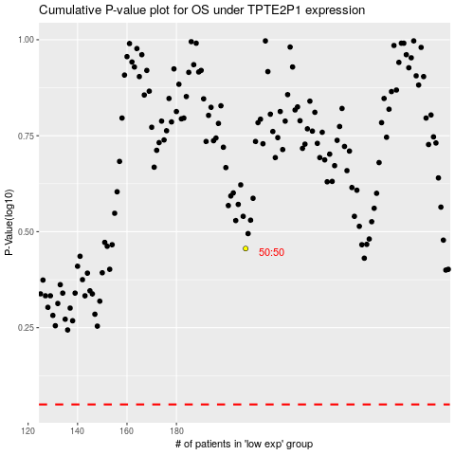

 |  |  |  |  |  | cases_OS | p_OS | rank | exp
 |  |  |  |  |  |  | cases_RFS | p_RFS | rank | exp

