TRA2B _multivariate
Reported by Tex Li-Hsing Chi. tex@gate.sinica.edu.tw 2019-08-15

Table 2. The clinicopathological features of HNSCC cohort and TRA2B expression. (Chi square test)
Cutoff at -0.205 (49.8%)
 |  | TRA2B expression |  | TRA2B expression |  | (Optimised)
 | Features | Low | (%) | High | (%) | Case no | P-value | Remark | Matthews
Gender | Female | 146 | 35.2 | 160 | 38.6 | 415 | 0.1714 | 0 | 0
2 | Male | 61 | 14.7 | 48 | 11.6
Age at diagnosis | <=65y | 127 | 30.6 | 147 | 35.4 | 415 | 0.0573 | 0 | 0
4 | >65y | 80 | 19.3 | 61 | 14.7
Clinical T Status | T1+T2 | 68 | 16.4 | 81 | 19.5 | 415 | 0.2336 | 0 | 0
6 | T3+T4 | 139 | 33.5 | 127 | 30.6
Clinical N Status | N0 | 109 | 26.3 | 107 | 25.8 | 415 | 0.8812 | 0 | 0
8 | N1-3 | 98 | 23.6 | 101 | 24.3
Clinical M Status | M0 | 207 | 49.9 | 205 | 49.4 | 415 | 0.2482 | 0 | 0
10 | M1 | 0 | 0 | 3 | 0.7
Clinical Stage | Stage I+II | 54 | 13 | 48 | 11.6 | 415 | 0.5498 | 0 | 0
12 | Stage III+IV | 153 | 36.9 | 160 | 38.6
Surgical Margin status | Negative | 168 | 40.5 | 150 | 36.1 | 415 | 0.0366 | 1 | 0
14 | Positive | 39 | 9.4 | 58 | 14
Tobacco Exposure | Low | 95 | 22.9 | 66 | 15.9 | 415 | 0.0035 | 1 | 0
16 | High | 112 | 27 | 142 | 34.2

Table 3. Univariate/Multivariate Cox's proportional hazards regression analyses on OS time of TRA2B gene expression in HNSCC

 |  | Univariate |  |  |  | Multivariate
 | Features | HR | CI95%(L) | CI95%(H) | P-value | HR | CI95%(L) | CI95%(H) | P-value
1 | Female | 1 |  |  |  | 1
Gender | Male | 1.157 | 0.843 | 1.587 | 0.367 | 1.185 | 0.848 | 1.657 | 0.32
11 | <=65y | 1 |  |  |  | 1
Age at diagnosis | >65y | 1.329 | 0.99 | 1.784 | 0.058 | 1.401 | 1.029 | 1.907 | 0.032
12 | T1+T2 | 1 |  |  |  | 1
Clinical T Status | T3+T4 | 1.409 | 1.028 | 1.931 | 0.033 | 2.12 | 1.12 | 4.013 | 0.021
13 | N0 | 1 |  |  |  | 1
Clinical N Status | N1-3 | 1.185 | 0.89 | 1.577 | 0.246 | 1.22 | 0.855 | 1.742 | 0.273
14 | M0 | 1 |  |  |  | 1
Clinical M Status | M1 | 4.097 | 1.009 | 16.644 | 0.049 | 10.212 | 2.218 | 47.022 | 0.003
15 | Stage I+II | 1 |  |  |  | 1
Clinical Stage | Stage III+IV | 1.245 | 0.882 | 1.759 | 0.213 | 0.536 | 0.248 | 1.155 | 0.111
16 | Negative | 1 |  |  |  | 1
Surgical Margin status | Positive | 1.591 | 1.155 | 2.191 | 0.004 | 1.704 | 1.233 | 2.355 | 0.001
17 | Low | 1 |  |  |  | 1
Tobacco Exposure | High | 1.364 | 1.008 | 1.844 | 0.044 | 1.51 | 1.091 | 2.091 | 0.013
18 | Low | 1 |  |  |  | 1
RNAseq(z-score) | High | 0.855 | 0.64 | 1.143 | 0.291 | 0.803 | 0.595 | 1.085 | 0.154

Table 4. Univariate/Multivariate Cox's proportional hazards regression analyses on RFS time of TRA2B gene expression in HNSCC

 |  | Univariate |  |  |  | Multivariate
 | Features | HR | CI95%(L) | CI95%(H) | P-value | HR | CI95%(L) | CI95%(H) | P-value
1 | Female | 1 |  |  |  | 1
Gender | Male | 1.157 | 0.843 | 1.587 | 0.367 | 1.185 | 0.848 | 1.657 | 0.32
11 | <=65y | 1 |  |  |  | 1
Age at diagnosis | >65y | 1.329 | 0.99 | 1.784 | 0.058 | 1.401 | 1.029 | 1.907 | 0.032
12 | T1+T2 | 1 |  |  |  | 1
Clinical T Status | T3+T4 | 1.409 | 1.028 | 1.931 | 0.033 | 2.12 | 1.12 | 4.013 | 0.021
13 | N0 | 1 |  |  |  | 1
Clinical N Status | N1-3 | 1.185 | 0.89 | 1.577 | 0.246 | 1.22 | 0.855 | 1.742 | 0.273
14 | M0 | 1 |  |  |  | 1
Clinical M Status | M1 | 4.097 | 1.009 | 16.644 | 0.049 | 10.212 | 2.218 | 47.022 | 0.003
15 | Stage I+II | 1 |  |  |  | 1
Clinical Stage | Stage III+IV | 1.245 | 0.882 | 1.759 | 0.213 | 0.536 | 0.248 | 1.155 | 0.111
16 | Negative | 1 |  |  |  | 1
Surgical Margin status | Positive | 1.591 | 1.155 | 2.191 | 0.004 | 1.704 | 1.233 | 2.355 | 0.001
17 | Low | 1 |  |  |  | 1
Tobacco Exposure | High | 1.364 | 1.008 | 1.844 | 0.044 | 1.51 | 1.091 | 2.091 | 0.013
18 | Low | 1 |  |  |  | 1
RNAseq(z-score) | High | 0.855 | 0.64 | 1.143 | 0.291 | 0.803 | 0.595 | 1.085 | 0.154

Kaplan-Meier survival estimate: Cutoff at -0.205 (49.8%)



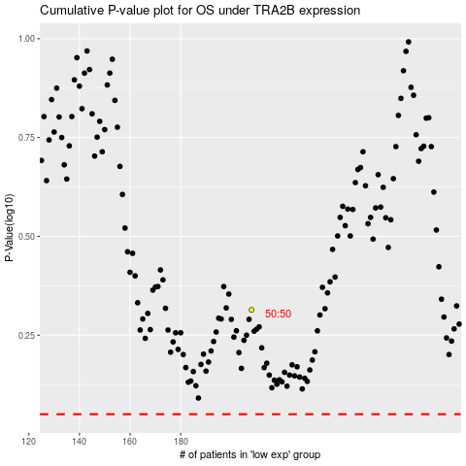

 |  |  |  |  |  | cases_OS | p_OS | rank | exp
 |  |  |  |  |  |  | cases_RFS | p_RFS | rank | exp

