TRABD _multivariate
Reported by Tex Li-Hsing Chi. tex@gate.sinica.edu.tw 2019-08-15

Table 2. The clinicopathological features of HNSCC cohort and TRABD expression. (Chi square test)
Cutoff at -0.151 (50.0%)
 |  | TRABD expression |  | TRABD expression |  | (Optimised)
 | Features | Low | (%) | High | (%) | Case no | P-value | Remark | Matthews
Gender | Female | 150 | 36.1 | 156 | 37.6 | 415 | 0.6344 | 0 | 0
2 | Male | 57 | 13.7 | 52 | 12.5
Age at diagnosis | <=65y | 137 | 33 | 137 | 33 | 415 | 1 | 0 | 0
4 | >65y | 70 | 16.9 | 71 | 17.1
Clinical T Status | T1+T2 | 87 | 21 | 62 | 14.9 | 415 | 0.0127 | 1 | 0
6 | T3+T4 | 120 | 28.9 | 146 | 35.2
Clinical N Status | N0 | 109 | 26.3 | 107 | 25.8 | 415 | 0.8812 | 0 | 0
8 | N1-3 | 98 | 23.6 | 101 | 24.3
Clinical M Status | M0 | 206 | 49.6 | 206 | 49.6 | 415 | 1 | 0 | 0
10 | M1 | 1 | 0.2 | 2 | 0.5
Clinical Stage | Stage I+II | 60 | 14.5 | 42 | 10.1 | 415 | 0.0493 | 1 | 0
12 | Stage III+IV | 147 | 35.4 | 166 | 40
Surgical Margin status | Negative | 165 | 39.8 | 153 | 36.9 | 415 | 0.1639 | 0 | 0
14 | Positive | 42 | 10.1 | 55 | 13.3
Tobacco Exposure | Low | 88 | 21.2 | 73 | 17.6 | 415 | 0.1314 | 0 | 0
16 | High | 119 | 28.7 | 135 | 32.5

Table 3. Univariate/Multivariate Cox's proportional hazards regression analyses on OS time of TRABD gene expression in HNSCC

 |  | Univariate |  |  |  | Multivariate
 | Features | HR | CI95%(L) | CI95%(H) | P-value | HR | CI95%(L) | CI95%(H) | P-value
1 | Female | 1 |  |  |  | 1
Gender | Male | 1.157 | 0.843 | 1.587 | 0.367 | 1.199 | 0.859 | 1.672 | 0.286
11 | <=65y | 1 |  |  |  | 1
Age at diagnosis | >65y | 1.329 | 0.99 | 1.784 | 0.058 | 1.409 | 1.035 | 1.917 | 0.029
12 | T1+T2 | 1 |  |  |  | 1
Clinical T Status | T3+T4 | 1.409 | 1.028 | 1.931 | 0.033 | 2.276 | 1.2 | 4.315 | 0.012
13 | N0 | 1 |  |  |  | 1
Clinical N Status | N1-3 | 1.185 | 0.89 | 1.577 | 0.246 | 1.231 | 0.863 | 1.757 | 0.251
14 | M0 | 1 |  |  |  | 1
Clinical M Status | M1 | 4.097 | 1.009 | 16.644 | 0.049 | 9.908 | 2.155 | 45.55 | 0.003
15 | Stage I+II | 1 |  |  |  | 1
Clinical Stage | Stage III+IV | 1.245 | 0.882 | 1.759 | 0.213 | 0.498 | 0.232 | 1.069 | 0.074
16 | Negative | 1 |  |  |  | 1
Surgical Margin status | Positive | 1.591 | 1.155 | 2.191 | 0.004 | 1.714 | 1.236 | 2.377 | 0.001
17 | Low | 1 |  |  |  | 1
Tobacco Exposure | High | 1.364 | 1.008 | 1.844 | 0.044 | 1.487 | 1.077 | 2.055 | 0.016
18 | Low | 1 |  |  |  | 1
RNAseq(z-score) | High | 0.979 | 0.734 | 1.306 | 0.887 | 0.843 | 0.627 | 1.133 | 0.258

Table 4. Univariate/Multivariate Cox's proportional hazards regression analyses on RFS time of TRABD gene expression in HNSCC

 |  | Univariate |  |  |  | Multivariate
 | Features | HR | CI95%(L) | CI95%(H) | P-value | HR | CI95%(L) | CI95%(H) | P-value
1 | Female | 1 |  |  |  | 1
Gender | Male | 1.157 | 0.843 | 1.587 | 0.367 | 1.199 | 0.859 | 1.672 | 0.286
11 | <=65y | 1 |  |  |  | 1
Age at diagnosis | >65y | 1.329 | 0.99 | 1.784 | 0.058 | 1.409 | 1.035 | 1.917 | 0.029
12 | T1+T2 | 1 |  |  |  | 1
Clinical T Status | T3+T4 | 1.409 | 1.028 | 1.931 | 0.033 | 2.276 | 1.2 | 4.315 | 0.012
13 | N0 | 1 |  |  |  | 1
Clinical N Status | N1-3 | 1.185 | 0.89 | 1.577 | 0.246 | 1.231 | 0.863 | 1.757 | 0.251
14 | M0 | 1 |  |  |  | 1
Clinical M Status | M1 | 4.097 | 1.009 | 16.644 | 0.049 | 9.908 | 2.155 | 45.55 | 0.003
15 | Stage I+II | 1 |  |  |  | 1
Clinical Stage | Stage III+IV | 1.245 | 0.882 | 1.759 | 0.213 | 0.498 | 0.232 | 1.069 | 0.074
16 | Negative | 1 |  |  |  | 1
Surgical Margin status | Positive | 1.591 | 1.155 | 2.191 | 0.004 | 1.714 | 1.236 | 2.377 | 0.001
17 | Low | 1 |  |  |  | 1
Tobacco Exposure | High | 1.364 | 1.008 | 1.844 | 0.044 | 1.487 | 1.077 | 2.055 | 0.016
18 | Low | 1 |  |  |  | 1
RNAseq(z-score) | High | 0.979 | 0.734 | 1.306 | 0.887 | 0.843 | 0.627 | 1.133 | 0.258

Kaplan-Meier survival estimate: Cutoff at -0.151 (50.0%)



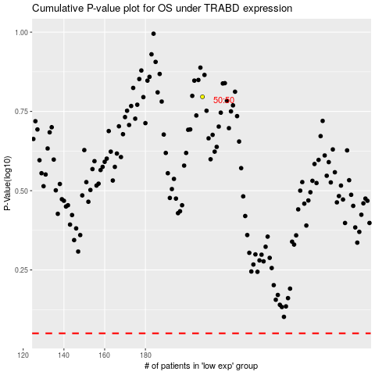

 |  |  |  |  |  | cases_OS | p_OS | rank | exp
 |  |  |  |  |  |  | cases_RFS | p_RFS | rank | exp

