TRAF2 _multivariate
Reported by Tex Li-Hsing Chi. tex@gate.sinica.edu.tw 2019-08-15

Table 2. The clinicopathological features of HNSCC cohort and TRAF2 expression. (Chi square test)
Cutoff at -0.201 (49.8%)
 |  | TRAF2 expression |  | TRAF2 expression |  | (Optimised)
 | Features | Low | (%) | High | (%) | Case no | P-value | Remark | Matthews
Gender | Female | 146 | 35.2 | 160 | 38.6 | 415 | 0.1714 | 0 | 0
2 | Male | 61 | 14.7 | 48 | 11.6
Age at diagnosis | <=65y | 135 | 32.5 | 139 | 33.5 | 415 | 0.8084 | 0 | 0
4 | >65y | 72 | 17.3 | 69 | 16.6
Clinical T Status | T1+T2 | 69 | 16.6 | 80 | 19.3 | 415 | 0.3239 | 0 | 0
6 | T3+T4 | 138 | 33.3 | 128 | 30.8
Clinical N Status | N0 | 113 | 27.2 | 103 | 24.8 | 415 | 0.3495 | 1 | 0
8 | N1-3 | 94 | 22.7 | 105 | 25.3
Clinical M Status | M0 | 206 | 49.6 | 206 | 49.6 | 415 | 1 | 0 | 0
10 | M1 | 1 | 0.2 | 2 | 0.5
Clinical Stage | Stage I+II | 49 | 11.8 | 53 | 12.8 | 415 | 0.7535 | 0 | 0
12 | Stage III+IV | 158 | 38.1 | 155 | 37.3
Surgical Margin status | Negative | 163 | 39.3 | 155 | 37.3 | 415 | 0.3537 | 0 | 0
14 | Positive | 44 | 10.6 | 53 | 12.8
Tobacco Exposure | Low | 81 | 19.5 | 80 | 19.3 | 415 | 0.9199 | 0 | 0
16 | High | 126 | 30.4 | 128 | 30.8

Table 3. Univariate/Multivariate Cox's proportional hazards regression analyses on OS time of TRAF2 gene expression in HNSCC

 |  | Univariate |  |  |  | Multivariate
 | Features | HR | CI95%(L) | CI95%(H) | P-value | HR | CI95%(L) | CI95%(H) | P-value
1 | Female | 1 |  |  |  | 1
Gender | Male | 1.157 | 0.843 | 1.587 | 0.367 | 1.205 | 0.862 | 1.685 | 0.274
11 | <=65y | 1 |  |  |  | 1
Age at diagnosis | >65y | 1.329 | 0.99 | 1.784 | 0.058 | 1.384 | 1.017 | 1.884 | 0.039
12 | T1+T2 | 1 |  |  |  | 1
Clinical T Status | T3+T4 | 1.409 | 1.028 | 1.931 | 0.033 | 2.216 | 1.171 | 4.192 | 0.014
13 | N0 | 1 |  |  |  | 1
Clinical N Status | N1-3 | 1.185 | 0.89 | 1.577 | 0.246 | 1.234 | 0.864 | 1.763 | 0.248
14 | M0 | 1 |  |  |  | 1
Clinical M Status | M1 | 4.097 | 1.009 | 16.644 | 0.049 | 9.409 | 2.053 | 43.133 | 0.004
15 | Stage I+II | 1 |  |  |  | 1
Clinical Stage | Stage III+IV | 1.245 | 0.882 | 1.759 | 0.213 | 0.503 | 0.234 | 1.08 | 0.078
16 | Negative | 1 |  |  |  | 1
Surgical Margin status | Positive | 1.591 | 1.155 | 2.191 | 0.004 | 1.663 | 1.202 | 2.3 | 0.002
17 | Low | 1 |  |  |  | 1
Tobacco Exposure | High | 1.364 | 1.008 | 1.844 | 0.044 | 1.452 | 1.054 | 2.001 | 0.023
18 | Low | 1 |  |  |  | 1
RNAseq(z-score) | High | 1.105 | 0.83 | 1.472 | 0.495 | 1.057 | 0.79 | 1.414 | 0.709

Table 4. Univariate/Multivariate Cox's proportional hazards regression analyses on RFS time of TRAF2 gene expression in HNSCC

 |  | Univariate |  |  |  | Multivariate
 | Features | HR | CI95%(L) | CI95%(H) | P-value | HR | CI95%(L) | CI95%(H) | P-value
1 | Female | 1 |  |  |  | 1
Gender | Male | 1.157 | 0.843 | 1.587 | 0.367 | 1.205 | 0.862 | 1.685 | 0.274
11 | <=65y | 1 |  |  |  | 1
Age at diagnosis | >65y | 1.329 | 0.99 | 1.784 | 0.058 | 1.384 | 1.017 | 1.884 | 0.039
12 | T1+T2 | 1 |  |  |  | 1
Clinical T Status | T3+T4 | 1.409 | 1.028 | 1.931 | 0.033 | 2.216 | 1.171 | 4.192 | 0.014
13 | N0 | 1 |  |  |  | 1
Clinical N Status | N1-3 | 1.185 | 0.89 | 1.577 | 0.246 | 1.234 | 0.864 | 1.763 | 0.248
14 | M0 | 1 |  |  |  | 1
Clinical M Status | M1 | 4.097 | 1.009 | 16.644 | 0.049 | 9.409 | 2.053 | 43.133 | 0.004
15 | Stage I+II | 1 |  |  |  | 1
Clinical Stage | Stage III+IV | 1.245 | 0.882 | 1.759 | 0.213 | 0.503 | 0.234 | 1.08 | 0.078
16 | Negative | 1 |  |  |  | 1
Surgical Margin status | Positive | 1.591 | 1.155 | 2.191 | 0.004 | 1.663 | 1.202 | 2.3 | 0.002
17 | Low | 1 |  |  |  | 1
Tobacco Exposure | High | 1.364 | 1.008 | 1.844 | 0.044 | 1.452 | 1.054 | 2.001 | 0.023
18 | Low | 1 |  |  |  | 1
RNAseq(z-score) | High | 1.105 | 0.83 | 1.472 | 0.495 | 1.057 | 0.79 | 1.414 | 0.709

Kaplan-Meier survival estimate: Cutoff at -0.201 (49.8%)



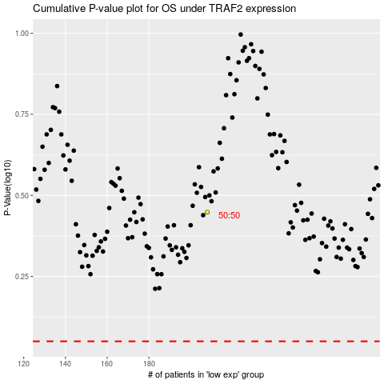

 |  |  |  |  |  | cases_OS | p_OS | rank | exp
 |  |  |  |  |  |  | cases_RFS | p_RFS | rank | exp

