TRAF3 _multivariate
Reported by Tex Li-Hsing Chi. tex@gate.sinica.edu.tw 2019-08-15

Table 2. The clinicopathological features of HNSCC cohort and TRAF3 expression. (Chi square test)
Cutoff at -0.073 (49.8%)
 |  | TRAF3 expression |  | TRAF3 expression |  | (Optimised)
 | Features | Low | (%) | High | (%) | Case no | P-value | Remark | Matthews
Gender | Female | 153 | 36.9 | 153 | 36.9 | 415 | 1 | 0 | 0
2 | Male | 54 | 13 | 55 | 13.3
Age at diagnosis | <=65y | 136 | 32.8 | 138 | 33.3 | 415 | 0.9719 | 0 | 0
4 | >65y | 71 | 17.1 | 70 | 16.9
Clinical T Status | T1+T2 | 83 | 20 | 66 | 15.9 | 415 | 0.0941 | 0 | 0
6 | T3+T4 | 124 | 29.9 | 142 | 34.2
Clinical N Status | N0 | 110 | 26.5 | 106 | 25.5 | 415 | 0.7294 | 0 | 0
8 | N1-3 | 97 | 23.4 | 102 | 24.6
Clinical M Status | M0 | 204 | 49.2 | 208 | 50.1 | 415 | 0.1232 | 0 | 0
10 | M1 | 3 | 0.7 | 0 | 0
Clinical Stage | Stage I+II | 57 | 13.7 | 45 | 10.8 | 415 | 0.1998 | 0 | 0
12 | Stage III+IV | 150 | 36.1 | 163 | 39.3
Surgical Margin status | Negative | 157 | 37.8 | 161 | 38.8 | 415 | 0.729 | 0 | 0
14 | Positive | 50 | 12 | 47 | 11.3
Tobacco Exposure | Low | 92 | 22.2 | 69 | 16.6 | 415 | 0.0206 | 1 | 0
16 | High | 115 | 27.7 | 139 | 33.5

Table 3. Univariate/Multivariate Cox's proportional hazards regression analyses on OS time of TRAF3 gene expression in HNSCC

 |  | Univariate |  |  |  | Multivariate
 | Features | HR | CI95%(L) | CI95%(H) | P-value | HR | CI95%(L) | CI95%(H) | P-value
1 | Female | 1 |  |  |  | 1
Gender | Male | 1.157 | 0.843 | 1.587 | 0.367 | 1.203 | 0.861 | 1.681 | 0.278
11 | <=65y | 1 |  |  |  | 1
Age at diagnosis | >65y | 1.329 | 0.99 | 1.784 | 0.058 | 1.385 | 1.018 | 1.883 | 0.038
12 | T1+T2 | 1 |  |  |  | 1
Clinical T Status | T3+T4 | 1.409 | 1.028 | 1.931 | 0.033 | 2.205 | 1.166 | 4.168 | 0.015
13 | N0 | 1 |  |  |  | 1
Clinical N Status | N1-3 | 1.185 | 0.89 | 1.577 | 0.246 | 1.248 | 0.874 | 1.782 | 0.223
14 | M0 | 1 |  |  |  | 1
Clinical M Status | M1 | 4.097 | 1.009 | 16.644 | 0.049 | 9.767 | 2.114 | 45.113 | 0.004
15 | Stage I+II | 1 |  |  |  | 1
Clinical Stage | Stage III+IV | 1.245 | 0.882 | 1.759 | 0.213 | 0.5 | 0.233 | 1.074 | 0.076
16 | Negative | 1 |  |  |  | 1
Surgical Margin status | Positive | 1.591 | 1.155 | 2.191 | 0.004 | 1.676 | 1.212 | 2.316 | 0.002
17 | Low | 1 |  |  |  | 1
Tobacco Exposure | High | 1.364 | 1.008 | 1.844 | 0.044 | 1.439 | 1.042 | 1.988 | 0.027
18 | Low | 1 |  |  |  | 1
RNAseq(z-score) | High | 1.092 | 0.82 | 1.455 | 0.547 | 1.077 | 0.803 | 1.444 | 0.621

Table 4. Univariate/Multivariate Cox's proportional hazards regression analyses on RFS time of TRAF3 gene expression in HNSCC

 |  | Univariate |  |  |  | Multivariate
 | Features | HR | CI95%(L) | CI95%(H) | P-value | HR | CI95%(L) | CI95%(H) | P-value
1 | Female | 1 |  |  |  | 1
Gender | Male | 1.157 | 0.843 | 1.587 | 0.367 | 1.203 | 0.861 | 1.681 | 0.278
11 | <=65y | 1 |  |  |  | 1
Age at diagnosis | >65y | 1.329 | 0.99 | 1.784 | 0.058 | 1.385 | 1.018 | 1.883 | 0.038
12 | T1+T2 | 1 |  |  |  | 1
Clinical T Status | T3+T4 | 1.409 | 1.028 | 1.931 | 0.033 | 2.205 | 1.166 | 4.168 | 0.015
13 | N0 | 1 |  |  |  | 1
Clinical N Status | N1-3 | 1.185 | 0.89 | 1.577 | 0.246 | 1.248 | 0.874 | 1.782 | 0.223
14 | M0 | 1 |  |  |  | 1
Clinical M Status | M1 | 4.097 | 1.009 | 16.644 | 0.049 | 9.767 | 2.114 | 45.113 | 0.004
15 | Stage I+II | 1 |  |  |  | 1
Clinical Stage | Stage III+IV | 1.245 | 0.882 | 1.759 | 0.213 | 0.5 | 0.233 | 1.074 | 0.076
16 | Negative | 1 |  |  |  | 1
Surgical Margin status | Positive | 1.591 | 1.155 | 2.191 | 0.004 | 1.676 | 1.212 | 2.316 | 0.002
17 | Low | 1 |  |  |  | 1
Tobacco Exposure | High | 1.364 | 1.008 | 1.844 | 0.044 | 1.439 | 1.042 | 1.988 | 0.027
18 | Low | 1 |  |  |  | 1
RNAseq(z-score) | High | 1.092 | 0.82 | 1.455 | 0.547 | 1.077 | 0.803 | 1.444 | 0.621

Kaplan-Meier survival estimate: Cutoff at -0.073 (49.8%)



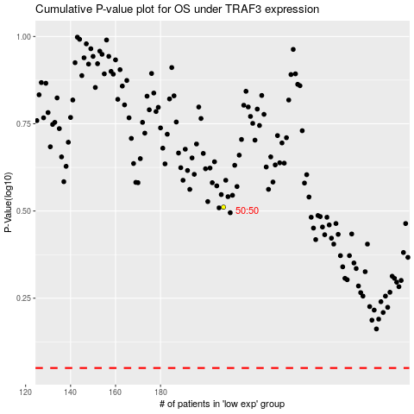

 |  |  |  |  |  | cases_OS | p_OS | rank | exp
 |  |  |  |  |  |  | cases_RFS | p_RFS | rank | exp

