TRAF3IP1 _multivariate
Reported by Tex Li-Hsing Chi. tex@gate.sinica.edu.tw 2019-08-15

Table 2. The clinicopathological features of HNSCC cohort and TRAF3IP1 expression. (Chi square test)
Cutoff at -0.19 (49.8%)
 |  | TRAF3IP1 expression |  | TRAF3IP1 expression |  | (Optimised)
 | Features | Low | (%) | High | (%) | Case no | P-value | Remark | Matthews
Gender | Female | 143 | 34.5 | 163 | 39.3 | 415 | 0.0416 | 1 | 0
2 | Male | 64 | 15.4 | 45 | 10.8
Age at diagnosis | <=65y | 139 | 33.5 | 135 | 32.5 | 415 | 0.7044 | 0 | 0
4 | >65y | 68 | 16.4 | 73 | 17.6
Clinical T Status | T1+T2 | 74 | 17.8 | 75 | 18.1 | 415 | 1 | 0 | 0
6 | T3+T4 | 133 | 32 | 133 | 32
Clinical N Status | N0 | 110 | 26.5 | 106 | 25.5 | 415 | 0.7294 | 0 | 0
8 | N1-3 | 97 | 23.4 | 102 | 24.6
Clinical M Status | M0 | 204 | 49.2 | 208 | 50.1 | 415 | 0.1232 | 0 | 0
10 | M1 | 3 | 0.7 | 0 | 0
Clinical Stage | Stage I+II | 53 | 12.8 | 49 | 11.8 | 415 | 0.7113 | 0 | 0
12 | Stage III+IV | 154 | 37.1 | 159 | 38.3
Surgical Margin status | Negative | 158 | 38.1 | 160 | 38.6 | 415 | 0.9081 | 0 | 0
14 | Positive | 49 | 11.8 | 48 | 11.6
Tobacco Exposure | Low | 87 | 21 | 74 | 17.8 | 415 | 0.1911 | 0 | 0
16 | High | 120 | 28.9 | 134 | 32.3

Table 3. Univariate/Multivariate Cox's proportional hazards regression analyses on OS time of TRAF3IP1 gene expression in HNSCC

 |  | Univariate |  |  |  | Multivariate
 | Features | HR | CI95%(L) | CI95%(H) | P-value | HR | CI95%(L) | CI95%(H) | P-value
1 | Female | 1 |  |  |  | 1
Gender | Male | 1.157 | 0.843 | 1.587 | 0.367 | 1.185 | 0.844 | 1.662 | 0.327
11 | <=65y | 1 |  |  |  | 1
Age at diagnosis | >65y | 1.329 | 0.99 | 1.784 | 0.058 | 1.395 | 1.026 | 1.897 | 0.033
12 | T1+T2 | 1 |  |  |  | 1
Clinical T Status | T3+T4 | 1.409 | 1.028 | 1.931 | 0.033 | 2.201 | 1.164 | 4.162 | 0.015
13 | N0 | 1 |  |  |  | 1
Clinical N Status | N1-3 | 1.185 | 0.89 | 1.577 | 0.246 | 1.248 | 0.874 | 1.781 | 0.223
14 | M0 | 1 |  |  |  | 1
Clinical M Status | M1 | 4.097 | 1.009 | 16.644 | 0.049 | 8.978 | 1.94 | 41.549 | 0.005
15 | Stage I+II | 1 |  |  |  | 1
Clinical Stage | Stage III+IV | 1.245 | 0.882 | 1.759 | 0.213 | 0.506 | 0.236 | 1.085 | 0.08
16 | Negative | 1 |  |  |  | 1
Surgical Margin status | Positive | 1.591 | 1.155 | 2.191 | 0.004 | 1.676 | 1.213 | 2.316 | 0.002
17 | Low | 1 |  |  |  | 1
Tobacco Exposure | High | 1.364 | 1.008 | 1.844 | 0.044 | 1.449 | 1.052 | 1.998 | 0.023
18 | Low | 1 |  |  |  | 1
RNAseq(z-score) | High | 0.903 | 0.677 | 1.203 | 0.484 | 0.923 | 0.688 | 1.24 | 0.596

Table 4. Univariate/Multivariate Cox's proportional hazards regression analyses on RFS time of TRAF3IP1 gene expression in HNSCC

 |  | Univariate |  |  |  | Multivariate
 | Features | HR | CI95%(L) | CI95%(H) | P-value | HR | CI95%(L) | CI95%(H) | P-value
1 | Female | 1 |  |  |  | 1
Gender | Male | 1.157 | 0.843 | 1.587 | 0.367 | 1.185 | 0.844 | 1.662 | 0.327
11 | <=65y | 1 |  |  |  | 1
Age at diagnosis | >65y | 1.329 | 0.99 | 1.784 | 0.058 | 1.395 | 1.026 | 1.897 | 0.033
12 | T1+T2 | 1 |  |  |  | 1
Clinical T Status | T3+T4 | 1.409 | 1.028 | 1.931 | 0.033 | 2.201 | 1.164 | 4.162 | 0.015
13 | N0 | 1 |  |  |  | 1
Clinical N Status | N1-3 | 1.185 | 0.89 | 1.577 | 0.246 | 1.248 | 0.874 | 1.781 | 0.223
14 | M0 | 1 |  |  |  | 1
Clinical M Status | M1 | 4.097 | 1.009 | 16.644 | 0.049 | 8.978 | 1.94 | 41.549 | 0.005
15 | Stage I+II | 1 |  |  |  | 1
Clinical Stage | Stage III+IV | 1.245 | 0.882 | 1.759 | 0.213 | 0.506 | 0.236 | 1.085 | 0.08
16 | Negative | 1 |  |  |  | 1
Surgical Margin status | Positive | 1.591 | 1.155 | 2.191 | 0.004 | 1.676 | 1.213 | 2.316 | 0.002
17 | Low | 1 |  |  |  | 1
Tobacco Exposure | High | 1.364 | 1.008 | 1.844 | 0.044 | 1.449 | 1.052 | 1.998 | 0.023
18 | Low | 1 |  |  |  | 1
RNAseq(z-score) | High | 0.903 | 0.677 | 1.203 | 0.484 | 0.923 | 0.688 | 1.24 | 0.596

Kaplan-Meier survival estimate: Cutoff at -0.19 (49.8%)



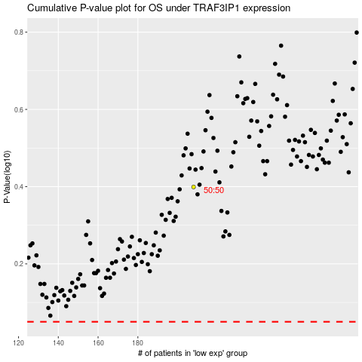

 |  |  |  |  |  | cases_OS | p_OS | rank | exp
 |  |  |  |  |  |  | cases_RFS | p_RFS | rank | exp

