TRAF3IP2 _multivariate
Reported by Tex Li-Hsing Chi. tex@gate.sinica.edu.tw 2019-08-15

Table 2. The clinicopathological features of HNSCC cohort and TRAF3IP2 expression. (Chi square test)
Cutoff at 0.039 (50.0%)
 |  | TRAF3IP2 expression |  | TRAF3IP2 expression |  | (Optimised)
 | Features | Low | (%) | High | (%) | Case no | P-value | Remark | Matthews
Gender | Female | 164 | 39.5 | 142 | 34.2 | 415 | 0.0153 | 1 | 0
2 | Male | 43 | 10.4 | 66 | 15.9
Age at diagnosis | <=65y | 138 | 33.3 | 136 | 32.8 | 415 | 0.8634 | 0 | 0
4 | >65y | 69 | 16.6 | 72 | 17.3
Clinical T Status | T1+T2 | 84 | 20.2 | 65 | 15.7 | 415 | 0.0603 | 0 | 0
6 | T3+T4 | 123 | 29.6 | 143 | 34.5
Clinical N Status | N0 | 108 | 26 | 108 | 26 | 415 | 1 | 0 | 0
8 | N1-3 | 99 | 23.9 | 100 | 24.1
Clinical M Status | M0 | 207 | 49.9 | 205 | 49.4 | 415 | 0.2482 | 0 | 0
10 | M1 | 0 | 0 | 3 | 0.7
Clinical Stage | Stage I+II | 53 | 12.8 | 49 | 11.8 | 415 | 0.7113 | 0 | 0
12 | Stage III+IV | 154 | 37.1 | 159 | 38.3
Surgical Margin status | Negative | 154 | 37.1 | 164 | 39.5 | 415 | 0.2984 | 0 | 0
14 | Positive | 53 | 12.8 | 44 | 10.6
Tobacco Exposure | Low | 72 | 17.3 | 89 | 21.4 | 415 | 0.1071 | 0 | 0
16 | High | 135 | 32.5 | 119 | 28.7

Table 3. Univariate/Multivariate Cox's proportional hazards regression analyses on OS time of TRAF3IP2 gene expression in HNSCC

 |  | Univariate |  |  |  | Multivariate
 | Features | HR | CI95%(L) | CI95%(H) | P-value | HR | CI95%(L) | CI95%(H) | P-value
1 | Female | 1 |  |  |  | 1
Gender | Male | 1.157 | 0.843 | 1.587 | 0.367 | 1.181 | 0.844 | 1.652 | 0.332
11 | <=65y | 1 |  |  |  | 1
Age at diagnosis | >65y | 1.329 | 0.99 | 1.784 | 0.058 | 1.408 | 1.034 | 1.916 | 0.03
12 | T1+T2 | 1 |  |  |  | 1
Clinical T Status | T3+T4 | 1.409 | 1.028 | 1.931 | 0.033 | 2.159 | 1.141 | 4.085 | 0.018
13 | N0 | 1 |  |  |  | 1
Clinical N Status | N1-3 | 1.185 | 0.89 | 1.577 | 0.246 | 1.248 | 0.874 | 1.78 | 0.223
14 | M0 | 1 |  |  |  | 1
Clinical M Status | M1 | 4.097 | 1.009 | 16.644 | 0.049 | 8.521 | 1.841 | 39.432 | 0.006
15 | Stage I+II | 1 |  |  |  | 1
Clinical Stage | Stage III+IV | 1.245 | 0.882 | 1.759 | 0.213 | 0.508 | 0.237 | 1.09 | 0.082
16 | Negative | 1 |  |  |  | 1
Surgical Margin status | Positive | 1.591 | 1.155 | 2.191 | 0.004 | 1.693 | 1.224 | 2.341 | 0.001
17 | Low | 1 |  |  |  | 1
Tobacco Exposure | High | 1.364 | 1.008 | 1.844 | 0.044 | 1.494 | 1.079 | 2.07 | 0.016
18 | Low | 1 |  |  |  | 1
RNAseq(z-score) | High | 1.161 | 0.87 | 1.549 | 0.311 | 1.185 | 0.881 | 1.594 | 0.262

Table 4. Univariate/Multivariate Cox's proportional hazards regression analyses on RFS time of TRAF3IP2 gene expression in HNSCC

 |  | Univariate |  |  |  | Multivariate
 | Features | HR | CI95%(L) | CI95%(H) | P-value | HR | CI95%(L) | CI95%(H) | P-value
1 | Female | 1 |  |  |  | 1
Gender | Male | 1.157 | 0.843 | 1.587 | 0.367 | 1.181 | 0.844 | 1.652 | 0.332
11 | <=65y | 1 |  |  |  | 1
Age at diagnosis | >65y | 1.329 | 0.99 | 1.784 | 0.058 | 1.408 | 1.034 | 1.916 | 0.03
12 | T1+T2 | 1 |  |  |  | 1
Clinical T Status | T3+T4 | 1.409 | 1.028 | 1.931 | 0.033 | 2.159 | 1.141 | 4.085 | 0.018
13 | N0 | 1 |  |  |  | 1
Clinical N Status | N1-3 | 1.185 | 0.89 | 1.577 | 0.246 | 1.248 | 0.874 | 1.78 | 0.223
14 | M0 | 1 |  |  |  | 1
Clinical M Status | M1 | 4.097 | 1.009 | 16.644 | 0.049 | 8.521 | 1.841 | 39.432 | 0.006
15 | Stage I+II | 1 |  |  |  | 1
Clinical Stage | Stage III+IV | 1.245 | 0.882 | 1.759 | 0.213 | 0.508 | 0.237 | 1.09 | 0.082
16 | Negative | 1 |  |  |  | 1
Surgical Margin status | Positive | 1.591 | 1.155 | 2.191 | 0.004 | 1.693 | 1.224 | 2.341 | 0.001
17 | Low | 1 |  |  |  | 1
Tobacco Exposure | High | 1.364 | 1.008 | 1.844 | 0.044 | 1.494 | 1.079 | 2.07 | 0.016
18 | Low | 1 |  |  |  | 1
RNAseq(z-score) | High | 1.161 | 0.87 | 1.549 | 0.311 | 1.185 | 0.881 | 1.594 | 0.262

Kaplan-Meier survival estimate: Cutoff at 0.039 (50.0%)

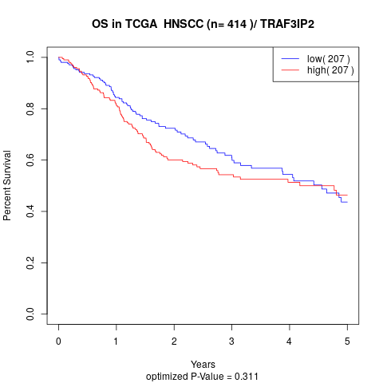

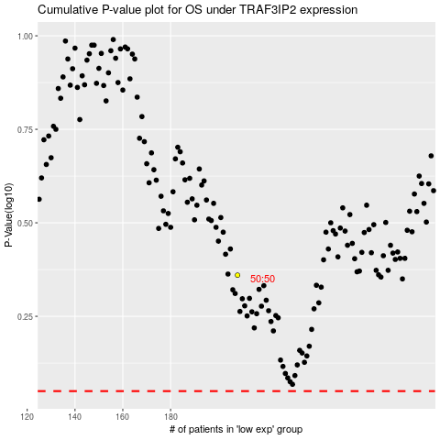

 |  |  |  |  |  | cases_OS | p_OS | rank | exp
 |  |  |  |  |  |  | cases_RFS | p_RFS | rank | exp

