TRAF5 _multivariate
Reported by Tex Li-Hsing Chi. tex@gate.sinica.edu.tw 2019-08-15

Table 2. The clinicopathological features of HNSCC cohort and TRAF5 expression. (Chi square test)
Cutoff at -0.176 (49.8%)
 |  | TRAF5 expression |  | TRAF5 expression |  | (Optimised)
 | Features | Low | (%) | High | (%) | Case no | P-value | Remark | Matthews
Gender | Female | 153 | 36.9 | 153 | 36.9 | 415 | 1 | 0 | 0
2 | Male | 54 | 13 | 55 | 13.3
Age at diagnosis | <=65y | 144 | 34.7 | 130 | 31.3 | 415 | 0.1568 | 0 | 0
4 | >65y | 63 | 15.2 | 78 | 18.8
Clinical T Status | T1+T2 | 64 | 15.4 | 85 | 20.5 | 415 | 0.0445 | 1 | 0
6 | T3+T4 | 143 | 34.5 | 123 | 29.6
Clinical N Status | N0 | 105 | 25.3 | 111 | 26.7 | 415 | 0.6598 | 0 | 0
8 | N1-3 | 102 | 24.6 | 97 | 23.4
Clinical M Status | M0 | 205 | 49.4 | 207 | 49.9 | 415 | 0.6232 | 0 | 0
10 | M1 | 2 | 0.5 | 1 | 0.2
Clinical Stage | Stage I+II | 42 | 10.1 | 60 | 14.5 | 415 | 0.0561 | 0 | 0
12 | Stage III+IV | 165 | 39.8 | 148 | 35.7
Surgical Margin status | Negative | 167 | 40.2 | 151 | 36.4 | 415 | 0.0632 | 0 | 0
14 | Positive | 40 | 9.6 | 57 | 13.7
Tobacco Exposure | Low | 80 | 19.3 | 81 | 19.5 | 415 | 1 | 0 | 0
16 | High | 127 | 30.6 | 127 | 30.6

Table 3. Univariate/Multivariate Cox's proportional hazards regression analyses on OS time of TRAF5 gene expression in HNSCC

 |  | Univariate |  |  |  | Multivariate
 | Features | HR | CI95%(L) | CI95%(H) | P-value | HR | CI95%(L) | CI95%(H) | P-value
1 | Female | 1 |  |  |  | 1
Gender | Male | 1.157 | 0.843 | 1.587 | 0.367 | 1.19 | 0.85 | 1.665 | 0.31
11 | <=65y | 1 |  |  |  | 1
Age at diagnosis | >65y | 1.329 | 0.99 | 1.784 | 0.058 | 1.41 | 1.036 | 1.918 | 0.029
12 | T1+T2 | 1 |  |  |  | 1
Clinical T Status | T3+T4 | 1.409 | 1.028 | 1.931 | 0.033 | 2.168 | 1.146 | 4.1 | 0.017
13 | N0 | 1 |  |  |  | 1
Clinical N Status | N1-3 | 1.185 | 0.89 | 1.577 | 0.246 | 1.253 | 0.878 | 1.788 | 0.214
14 | M0 | 1 |  |  |  | 1
Clinical M Status | M1 | 4.097 | 1.009 | 16.644 | 0.049 | 8.835 | 1.922 | 40.606 | 0.005
15 | Stage I+II | 1 |  |  |  | 1
Clinical Stage | Stage III+IV | 1.245 | 0.882 | 1.759 | 0.213 | 0.488 | 0.227 | 1.05 | 0.067
16 | Negative | 1 |  |  |  | 1
Surgical Margin status | Positive | 1.591 | 1.155 | 2.191 | 0.004 | 1.727 | 1.245 | 2.396 | 0.001
17 | Low | 1 |  |  |  | 1
Tobacco Exposure | High | 1.364 | 1.008 | 1.844 | 0.044 | 1.474 | 1.067 | 2.036 | 0.018
18 | Low | 1 |  |  |  | 1
RNAseq(z-score) | High | 0.845 | 0.634 | 1.126 | 0.25 | 0.821 | 0.61 | 1.105 | 0.193

Table 4. Univariate/Multivariate Cox's proportional hazards regression analyses on RFS time of TRAF5 gene expression in HNSCC

 |  | Univariate |  |  |  | Multivariate
 | Features | HR | CI95%(L) | CI95%(H) | P-value | HR | CI95%(L) | CI95%(H) | P-value
1 | Female | 1 |  |  |  | 1
Gender | Male | 1.157 | 0.843 | 1.587 | 0.367 | 1.19 | 0.85 | 1.665 | 0.31
11 | <=65y | 1 |  |  |  | 1
Age at diagnosis | >65y | 1.329 | 0.99 | 1.784 | 0.058 | 1.41 | 1.036 | 1.918 | 0.029
12 | T1+T2 | 1 |  |  |  | 1
Clinical T Status | T3+T4 | 1.409 | 1.028 | 1.931 | 0.033 | 2.168 | 1.146 | 4.1 | 0.017
13 | N0 | 1 |  |  |  | 1
Clinical N Status | N1-3 | 1.185 | 0.89 | 1.577 | 0.246 | 1.253 | 0.878 | 1.788 | 0.214
14 | M0 | 1 |  |  |  | 1
Clinical M Status | M1 | 4.097 | 1.009 | 16.644 | 0.049 | 8.835 | 1.922 | 40.606 | 0.005
15 | Stage I+II | 1 |  |  |  | 1
Clinical Stage | Stage III+IV | 1.245 | 0.882 | 1.759 | 0.213 | 0.488 | 0.227 | 1.05 | 0.067
16 | Negative | 1 |  |  |  | 1
Surgical Margin status | Positive | 1.591 | 1.155 | 2.191 | 0.004 | 1.727 | 1.245 | 2.396 | 0.001
17 | Low | 1 |  |  |  | 1
Tobacco Exposure | High | 1.364 | 1.008 | 1.844 | 0.044 | 1.474 | 1.067 | 2.036 | 0.018
18 | Low | 1 |  |  |  | 1
RNAseq(z-score) | High | 0.845 | 0.634 | 1.126 | 0.25 | 0.821 | 0.61 | 1.105 | 0.193

Kaplan-Meier survival estimate: Cutoff at -0.176 (49.8%)



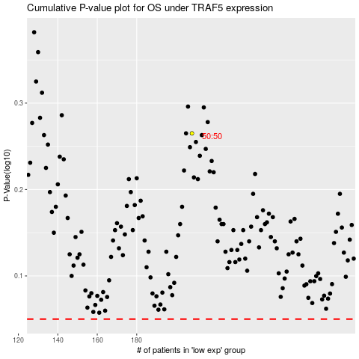

 |  |  |  |  |  | cases_OS | p_OS | rank | exp
 |  |  |  |  |  |  | cases_RFS | p_RFS | rank | exp

