TRAF7 _multivariate
Reported by Tex Li-Hsing Chi. tex@gate.sinica.edu.tw 2019-08-15

Table 2. The clinicopathological features of HNSCC cohort and TRAF7 expression. (Chi square test)
Cutoff at -0.086 (50.0%)
 |  | TRAF7 expression |  | TRAF7 expression |  | (Optimised)
 | Features | Low | (%) | High | (%) | Case no | P-value | Remark | Matthews
Gender | Female | 140 | 33.7 | 166 | 40 | 415 | 0.0068 | 1 | 0
2 | Male | 67 | 16.1 | 42 | 10.1
Age at diagnosis | <=65y | 131 | 31.6 | 143 | 34.5 | 415 | 0.2839 | 0 | 0
4 | >65y | 76 | 18.3 | 65 | 15.7
Clinical T Status | T1+T2 | 86 | 20.7 | 63 | 15.2 | 415 | 0.0221 | 1 | 0
6 | T3+T4 | 121 | 29.2 | 145 | 34.9
Clinical N Status | N0 | 109 | 26.3 | 107 | 25.8 | 415 | 0.8812 | 0 | 0
8 | N1-3 | 98 | 23.6 | 101 | 24.3
Clinical M Status | M0 | 207 | 49.9 | 205 | 49.4 | 415 | 0.2482 | 0 | 0
10 | M1 | 0 | 0 | 3 | 0.7
Clinical Stage | Stage I+II | 60 | 14.5 | 42 | 10.1 | 415 | 0.0493 | 1 | 0
12 | Stage III+IV | 147 | 35.4 | 166 | 40
Surgical Margin status | Negative | 146 | 35.2 | 172 | 41.4 | 415 | 0.0037 | 1 | 0
14 | Positive | 61 | 14.7 | 36 | 8.7
Tobacco Exposure | Low | 92 | 22.2 | 69 | 16.6 | 415 | 0.0206 | 1 | 0
16 | High | 115 | 27.7 | 139 | 33.5

Table 3. Univariate/Multivariate Cox's proportional hazards regression analyses on OS time of TRAF7 gene expression in HNSCC

 |  | Univariate |  |  |  | Multivariate
 | Features | HR | CI95%(L) | CI95%(H) | P-value | HR | CI95%(L) | CI95%(H) | P-value
1 | Female | 1 |  |  |  | 1
Gender | Male | 1.157 | 0.843 | 1.587 | 0.367 | 1.197 | 0.856 | 1.674 | 0.294
11 | <=65y | 1 |  |  |  | 1
Age at diagnosis | >65y | 1.329 | 0.99 | 1.784 | 0.058 | 1.388 | 1.02 | 1.888 | 0.037
12 | T1+T2 | 1 |  |  |  | 1
Clinical T Status | T3+T4 | 1.409 | 1.028 | 1.931 | 0.033 | 2.213 | 1.169 | 4.188 | 0.015
13 | N0 | 1 |  |  |  | 1
Clinical N Status | N1-3 | 1.185 | 0.89 | 1.577 | 0.246 | 1.237 | 0.866 | 1.766 | 0.243
14 | M0 | 1 |  |  |  | 1
Clinical M Status | M1 | 4.097 | 1.009 | 16.644 | 0.049 | 9.64 | 2.083 | 44.608 | 0.004
15 | Stage I+II | 1 |  |  |  | 1
Clinical Stage | Stage III+IV | 1.245 | 0.882 | 1.759 | 0.213 | 0.506 | 0.236 | 1.086 | 0.08
16 | Negative | 1 |  |  |  | 1
Surgical Margin status | Positive | 1.591 | 1.155 | 2.191 | 0.004 | 1.66 | 1.197 | 2.302 | 0.002
17 | Low | 1 |  |  |  | 1
Tobacco Exposure | High | 1.364 | 1.008 | 1.844 | 0.044 | 1.458 | 1.057 | 2.011 | 0.021
18 | Low | 1 |  |  |  | 1
RNAseq(z-score) | High | 0.938 | 0.704 | 1.249 | 0.66 | 0.957 | 0.709 | 1.293 | 0.776

Table 4. Univariate/Multivariate Cox's proportional hazards regression analyses on RFS time of TRAF7 gene expression in HNSCC

 |  | Univariate |  |  |  | Multivariate
 | Features | HR | CI95%(L) | CI95%(H) | P-value | HR | CI95%(L) | CI95%(H) | P-value
1 | Female | 1 |  |  |  | 1
Gender | Male | 1.157 | 0.843 | 1.587 | 0.367 | 1.197 | 0.856 | 1.674 | 0.294
11 | <=65y | 1 |  |  |  | 1
Age at diagnosis | >65y | 1.329 | 0.99 | 1.784 | 0.058 | 1.388 | 1.02 | 1.888 | 0.037
12 | T1+T2 | 1 |  |  |  | 1
Clinical T Status | T3+T4 | 1.409 | 1.028 | 1.931 | 0.033 | 2.213 | 1.169 | 4.188 | 0.015
13 | N0 | 1 |  |  |  | 1
Clinical N Status | N1-3 | 1.185 | 0.89 | 1.577 | 0.246 | 1.237 | 0.866 | 1.766 | 0.243
14 | M0 | 1 |  |  |  | 1
Clinical M Status | M1 | 4.097 | 1.009 | 16.644 | 0.049 | 9.64 | 2.083 | 44.608 | 0.004
15 | Stage I+II | 1 |  |  |  | 1
Clinical Stage | Stage III+IV | 1.245 | 0.882 | 1.759 | 0.213 | 0.506 | 0.236 | 1.086 | 0.08
16 | Negative | 1 |  |  |  | 1
Surgical Margin status | Positive | 1.591 | 1.155 | 2.191 | 0.004 | 1.66 | 1.197 | 2.302 | 0.002
17 | Low | 1 |  |  |  | 1
Tobacco Exposure | High | 1.364 | 1.008 | 1.844 | 0.044 | 1.458 | 1.057 | 2.011 | 0.021
18 | Low | 1 |  |  |  | 1
RNAseq(z-score) | High | 0.938 | 0.704 | 1.249 | 0.66 | 0.957 | 0.709 | 1.293 | 0.776

Kaplan-Meier survival estimate: Cutoff at -0.086 (50.0%)



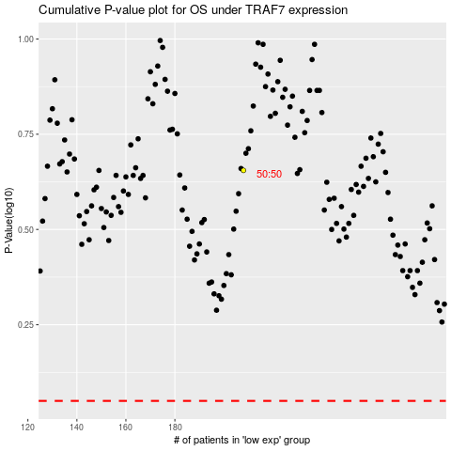

 |  |  |  |  |  | cases_OS | p_OS | rank | exp
 |  |  |  |  |  |  | cases_RFS | p_RFS | rank | exp

