TRAFD1 _multivariate
Reported by Tex Li-Hsing Chi. tex@gate.sinica.edu.tw 2019-08-15

Table 2. The clinicopathological features of HNSCC cohort and TRAFD1 expression. (Chi square test)
Cutoff at -0.275 (50.0%)
 |  | TRAFD1 expression |  | TRAFD1 expression |  | (Optimised)
 | Features | Low | (%) | High | (%) | Case no | P-value | Remark | Matthews
Gender | Female | 156 | 37.6 | 150 | 36.1 | 415 | 0.5222 | 0 | 0
2 | Male | 51 | 12.3 | 58 | 14
Age at diagnosis | <=65y | 146 | 35.2 | 128 | 30.8 | 415 | 0.0672 | 0 | 0
4 | >65y | 61 | 14.7 | 80 | 19.3
Clinical T Status | T1+T2 | 60 | 14.5 | 89 | 21.4 | 415 | 0.0047 | 1 | 0
6 | T3+T4 | 147 | 35.4 | 119 | 28.7
Clinical N Status | N0 | 100 | 24.1 | 116 | 28 | 415 | 0.1548 | 0 | 0
8 | N1-3 | 107 | 25.8 | 92 | 22.2
Clinical M Status | M0 | 207 | 49.9 | 205 | 49.4 | 415 | 0.2482 | 0 | 0
10 | M1 | 0 | 0 | 3 | 0.7
Clinical Stage | Stage I+II | 42 | 10.1 | 60 | 14.5 | 415 | 0.0561 | 0 | 0
12 | Stage III+IV | 165 | 39.8 | 148 | 35.7
Surgical Margin status | Negative | 159 | 38.3 | 159 | 38.3 | 415 | 1 | 0 | 0
14 | Positive | 48 | 11.6 | 49 | 11.8
Tobacco Exposure | Low | 65 | 15.7 | 96 | 23.1 | 415 | 0.0025 | 1 | 0
16 | High | 142 | 34.2 | 112 | 27

Table 3. Univariate/Multivariate Cox's proportional hazards regression analyses on OS time of TRAFD1 gene expression in HNSCC

 |  | Univariate |  |  |  | Multivariate
 | Features | HR | CI95%(L) | CI95%(H) | P-value | HR | CI95%(L) | CI95%(H) | P-value
1 | Female | 1 |  |  |  | 1
Gender | Male | 1.157 | 0.843 | 1.587 | 0.367 | 1.198 | 0.857 | 1.675 | 0.29
11 | <=65y | 1 |  |  |  | 1
Age at diagnosis | >65y | 1.329 | 0.99 | 1.784 | 0.058 | 1.409 | 1.035 | 1.918 | 0.03
12 | T1+T2 | 1 |  |  |  | 1
Clinical T Status | T3+T4 | 1.409 | 1.028 | 1.931 | 0.033 | 2.187 | 1.156 | 4.134 | 0.016
13 | N0 | 1 |  |  |  | 1
Clinical N Status | N1-3 | 1.185 | 0.89 | 1.577 | 0.246 | 1.236 | 0.866 | 1.765 | 0.243
14 | M0 | 1 |  |  |  | 1
Clinical M Status | M1 | 4.097 | 1.009 | 16.644 | 0.049 | 9.945 | 2.152 | 45.962 | 0.003
15 | Stage I+II | 1 |  |  |  | 1
Clinical Stage | Stage III+IV | 1.245 | 0.882 | 1.759 | 0.213 | 0.501 | 0.234 | 1.077 | 0.077
16 | Negative | 1 |  |  |  | 1
Surgical Margin status | Positive | 1.591 | 1.155 | 2.191 | 0.004 | 1.683 | 1.217 | 2.327 | 0.002
17 | Low | 1 |  |  |  | 1
Tobacco Exposure | High | 1.364 | 1.008 | 1.844 | 0.044 | 1.436 | 1.041 | 1.982 | 0.027
18 | Low | 1 |  |  |  | 1
RNAseq(z-score) | High | 0.895 | 0.672 | 1.193 | 0.451 | 0.898 | 0.668 | 1.207 | 0.476

Table 4. Univariate/Multivariate Cox's proportional hazards regression analyses on RFS time of TRAFD1 gene expression in HNSCC

 |  | Univariate |  |  |  | Multivariate
 | Features | HR | CI95%(L) | CI95%(H) | P-value | HR | CI95%(L) | CI95%(H) | P-value
1 | Female | 1 |  |  |  | 1
Gender | Male | 1.157 | 0.843 | 1.587 | 0.367 | 1.198 | 0.857 | 1.675 | 0.29
11 | <=65y | 1 |  |  |  | 1
Age at diagnosis | >65y | 1.329 | 0.99 | 1.784 | 0.058 | 1.409 | 1.035 | 1.918 | 0.03
12 | T1+T2 | 1 |  |  |  | 1
Clinical T Status | T3+T4 | 1.409 | 1.028 | 1.931 | 0.033 | 2.187 | 1.156 | 4.134 | 0.016
13 | N0 | 1 |  |  |  | 1
Clinical N Status | N1-3 | 1.185 | 0.89 | 1.577 | 0.246 | 1.236 | 0.866 | 1.765 | 0.243
14 | M0 | 1 |  |  |  | 1
Clinical M Status | M1 | 4.097 | 1.009 | 16.644 | 0.049 | 9.945 | 2.152 | 45.962 | 0.003
15 | Stage I+II | 1 |  |  |  | 1
Clinical Stage | Stage III+IV | 1.245 | 0.882 | 1.759 | 0.213 | 0.501 | 0.234 | 1.077 | 0.077
16 | Negative | 1 |  |  |  | 1
Surgical Margin status | Positive | 1.591 | 1.155 | 2.191 | 0.004 | 1.683 | 1.217 | 2.327 | 0.002
17 | Low | 1 |  |  |  | 1
Tobacco Exposure | High | 1.364 | 1.008 | 1.844 | 0.044 | 1.436 | 1.041 | 1.982 | 0.027
18 | Low | 1 |  |  |  | 1
RNAseq(z-score) | High | 0.895 | 0.672 | 1.193 | 0.451 | 0.898 | 0.668 | 1.207 | 0.476

Kaplan-Meier survival estimate: Cutoff at -0.275 (50.0%)



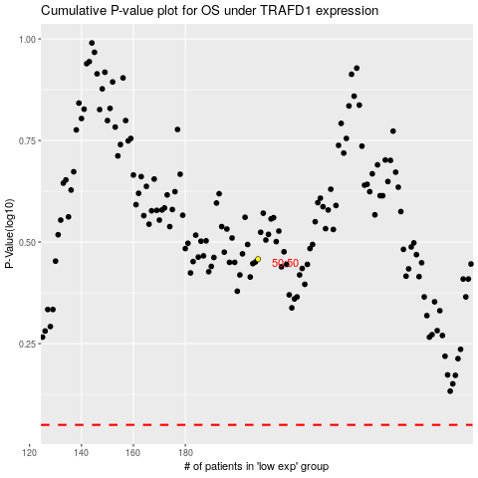

 |  |  |  |  |  | cases_OS | p_OS | rank | exp
 |  |  |  |  |  |  | cases_RFS | p_RFS | rank | exp

