TRAK1 _multivariate
Reported by Tex Li-Hsing Chi. tex@gate.sinica.edu.tw 2019-08-15

Table 2. The clinicopathological features of HNSCC cohort and TRAK1 expression. (Chi square test)
Cutoff at -0.255 (50.0%)
 |  | TRAK1 expression |  | TRAK1 expression |  | (Optimised)
 | Features | Low | (%) | High | (%) | Case no | P-value | Remark | Matthews
Gender | Female | 162 | 39 | 144 | 34.7 | 415 | 0.0479 | 1 | 0
2 | Male | 45 | 10.8 | 64 | 15.4
Age at diagnosis | <=65y | 146 | 35.2 | 128 | 30.8 | 415 | 0.0672 | 0 | 0
4 | >65y | 61 | 14.7 | 80 | 19.3
Clinical T Status | T1+T2 | 68 | 16.4 | 81 | 19.5 | 415 | 0.2336 | 0 | 0
6 | T3+T4 | 139 | 33.5 | 127 | 30.6
Clinical N Status | N0 | 103 | 24.8 | 113 | 27.2 | 415 | 0.4047 | 0 | 0
8 | N1-3 | 104 | 25.1 | 95 | 22.9
Clinical M Status | M0 | 206 | 49.6 | 206 | 49.6 | 415 | 1 | 0 | 0
10 | M1 | 1 | 0.2 | 2 | 0.5
Clinical Stage | Stage I+II | 51 | 12.3 | 51 | 12.3 | 415 | 1 | 0 | 0
12 | Stage III+IV | 156 | 37.6 | 157 | 37.8
Surgical Margin status | Negative | 166 | 40 | 152 | 36.6 | 415 | 0.1042 | 0 | 0
14 | Positive | 41 | 9.9 | 56 | 13.5
Tobacco Exposure | Low | 68 | 16.4 | 93 | 22.4 | 415 | 0.0156 | 1 | 0
16 | High | 139 | 33.5 | 115 | 27.7

Table 3. Univariate/Multivariate Cox's proportional hazards regression analyses on OS time of TRAK1 gene expression in HNSCC

 |  | Univariate |  |  |  | Multivariate
 | Features | HR | CI95%(L) | CI95%(H) | P-value | HR | CI95%(L) | CI95%(H) | P-value
1 | Female | 1 |  |  |  | 1
Gender | Male | 1.157 | 0.843 | 1.587 | 0.367 | 1.205 | 0.863 | 1.683 | 0.274
11 | <=65y | 1 |  |  |  | 1
Age at diagnosis | >65y | 1.329 | 0.99 | 1.784 | 0.058 | 1.404 | 1.032 | 1.911 | 0.031
12 | T1+T2 | 1 |  |  |  | 1
Clinical T Status | T3+T4 | 1.409 | 1.028 | 1.931 | 0.033 | 2.159 | 1.139 | 4.089 | 0.018
13 | N0 | 1 |  |  |  | 1
Clinical N Status | N1-3 | 1.185 | 0.89 | 1.577 | 0.246 | 1.229 | 0.86 | 1.755 | 0.257
14 | M0 | 1 |  |  |  | 1
Clinical M Status | M1 | 4.097 | 1.009 | 16.644 | 0.049 | 9.347 | 2.039 | 42.847 | 0.004
15 | Stage I+II | 1 |  |  |  | 1
Clinical Stage | Stage III+IV | 1.245 | 0.882 | 1.759 | 0.213 | 0.519 | 0.241 | 1.117 | 0.094
16 | Negative | 1 |  |  |  | 1
Surgical Margin status | Positive | 1.591 | 1.155 | 2.191 | 0.004 | 1.667 | 1.207 | 2.303 | 0.002
17 | Low | 1 |  |  |  | 1
Tobacco Exposure | High | 1.364 | 1.008 | 1.844 | 0.044 | 1.436 | 1.041 | 1.981 | 0.028
18 | Low | 1 |  |  |  | 1
RNAseq(z-score) | High | 0.866 | 0.65 | 1.154 | 0.327 | 0.895 | 0.668 | 1.198 | 0.455

Table 4. Univariate/Multivariate Cox's proportional hazards regression analyses on RFS time of TRAK1 gene expression in HNSCC

 |  | Univariate |  |  |  | Multivariate
 | Features | HR | CI95%(L) | CI95%(H) | P-value | HR | CI95%(L) | CI95%(H) | P-value
1 | Female | 1 |  |  |  | 1
Gender | Male | 1.157 | 0.843 | 1.587 | 0.367 | 1.205 | 0.863 | 1.683 | 0.274
11 | <=65y | 1 |  |  |  | 1
Age at diagnosis | >65y | 1.329 | 0.99 | 1.784 | 0.058 | 1.404 | 1.032 | 1.911 | 0.031
12 | T1+T2 | 1 |  |  |  | 1
Clinical T Status | T3+T4 | 1.409 | 1.028 | 1.931 | 0.033 | 2.159 | 1.139 | 4.089 | 0.018
13 | N0 | 1 |  |  |  | 1
Clinical N Status | N1-3 | 1.185 | 0.89 | 1.577 | 0.246 | 1.229 | 0.86 | 1.755 | 0.257
14 | M0 | 1 |  |  |  | 1
Clinical M Status | M1 | 4.097 | 1.009 | 16.644 | 0.049 | 9.347 | 2.039 | 42.847 | 0.004
15 | Stage I+II | 1 |  |  |  | 1
Clinical Stage | Stage III+IV | 1.245 | 0.882 | 1.759 | 0.213 | 0.519 | 0.241 | 1.117 | 0.094
16 | Negative | 1 |  |  |  | 1
Surgical Margin status | Positive | 1.591 | 1.155 | 2.191 | 0.004 | 1.667 | 1.207 | 2.303 | 0.002
17 | Low | 1 |  |  |  | 1
Tobacco Exposure | High | 1.364 | 1.008 | 1.844 | 0.044 | 1.436 | 1.041 | 1.981 | 0.028
18 | Low | 1 |  |  |  | 1
RNAseq(z-score) | High | 0.866 | 0.65 | 1.154 | 0.327 | 0.895 | 0.668 | 1.198 | 0.455

Kaplan-Meier survival estimate: Cutoff at -0.255 (50.0%)



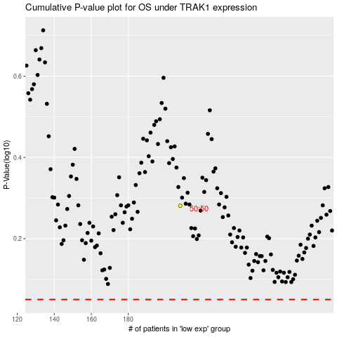

 |  |  |  |  |  | cases_OS | p_OS | rank | exp
 |  |  |  |  |  |  | cases_RFS | p_RFS | rank | exp

