TRAK2 _multivariate
Reported by Tex Li-Hsing Chi. tex@gate.sinica.edu.tw 2019-08-15

Table 2. The clinicopathological features of HNSCC cohort and TRAK2 expression. (Chi square test)
Cutoff at -0.18 (49.8%)
 |  | TRAK2 expression |  | TRAK2 expression |  | (Optimised)
 | Features | Low | (%) | High | (%) | Case no | P-value | Remark | Matthews
Gender | Female | 151 | 36.4 | 155 | 37.3 | 415 | 0.8007 | 0 | 0
2 | Male | 56 | 13.5 | 53 | 12.8
Age at diagnosis | <=65y | 132 | 31.8 | 142 | 34.2 | 415 | 0.3874 | 0 | 0
4 | >65y | 75 | 18.1 | 66 | 15.9
Clinical T Status | T1+T2 | 60 | 14.5 | 89 | 21.4 | 415 | 0.0047 | 1 | 0
6 | T3+T4 | 147 | 35.4 | 119 | 28.7
Clinical N Status | N0 | 108 | 26 | 108 | 26 | 415 | 1 | 0 | 0
8 | N1-3 | 99 | 23.9 | 100 | 24.1
Clinical M Status | M0 | 205 | 49.4 | 207 | 49.9 | 415 | 0.6232 | 0 | 0
10 | M1 | 2 | 0.5 | 1 | 0.2
Clinical Stage | Stage I+II | 39 | 9.4 | 63 | 15.2 | 415 | 0.0095 | 1 | 0
12 | Stage III+IV | 168 | 40.5 | 145 | 34.9
Surgical Margin status | Negative | 156 | 37.6 | 162 | 39 | 415 | 0.5636 | 0 | 0
14 | Positive | 51 | 12.3 | 46 | 11.1
Tobacco Exposure | Low | 83 | 20 | 78 | 18.8 | 415 | 0.6152 | 0 | 0
16 | High | 124 | 29.9 | 130 | 31.3

Table 3. Univariate/Multivariate Cox's proportional hazards regression analyses on OS time of TRAK2 gene expression in HNSCC

 |  | Univariate |  |  |  | Multivariate
 | Features | HR | CI95%(L) | CI95%(H) | P-value | HR | CI95%(L) | CI95%(H) | P-value
1 | Female | 1 |  |  |  | 1
Gender | Male | 1.157 | 0.843 | 1.587 | 0.367 | 1.211 | 0.866 | 1.691 | 0.263
11 | <=65y | 1 |  |  |  | 1
Age at diagnosis | >65y | 1.329 | 0.99 | 1.784 | 0.058 | 1.402 | 1.03 | 1.907 | 0.031
12 | T1+T2 | 1 |  |  |  | 1
Clinical T Status | T3+T4 | 1.409 | 1.028 | 1.931 | 0.033 | 2.227 | 1.177 | 4.215 | 0.014
13 | N0 | 1 |  |  |  | 1
Clinical N Status | N1-3 | 1.185 | 0.89 | 1.577 | 0.246 | 1.238 | 0.868 | 1.767 | 0.238
14 | M0 | 1 |  |  |  | 1
Clinical M Status | M1 | 4.097 | 1.009 | 16.644 | 0.049 | 9.602 | 2.093 | 44.052 | 0.004
15 | Stage I+II | 1 |  |  |  | 1
Clinical Stage | Stage III+IV | 1.245 | 0.882 | 1.759 | 0.213 | 0.509 | 0.237 | 1.094 | 0.084
16 | Negative | 1 |  |  |  | 1
Surgical Margin status | Positive | 1.591 | 1.155 | 2.191 | 0.004 | 1.695 | 1.224 | 2.346 | 0.001
17 | Low | 1 |  |  |  | 1
Tobacco Exposure | High | 1.364 | 1.008 | 1.844 | 0.044 | 1.459 | 1.059 | 2.009 | 0.021
18 | Low | 1 |  |  |  | 1
RNAseq(z-score) | High | 0.987 | 0.741 | 1.315 | 0.928 | 1.125 | 0.839 | 1.508 | 0.431

Table 4. Univariate/Multivariate Cox's proportional hazards regression analyses on RFS time of TRAK2 gene expression in HNSCC

 |  | Univariate |  |  |  | Multivariate
 | Features | HR | CI95%(L) | CI95%(H) | P-value | HR | CI95%(L) | CI95%(H) | P-value
1 | Female | 1 |  |  |  | 1
Gender | Male | 1.157 | 0.843 | 1.587 | 0.367 | 1.211 | 0.866 | 1.691 | 0.263
11 | <=65y | 1 |  |  |  | 1
Age at diagnosis | >65y | 1.329 | 0.99 | 1.784 | 0.058 | 1.402 | 1.03 | 1.907 | 0.031
12 | T1+T2 | 1 |  |  |  | 1
Clinical T Status | T3+T4 | 1.409 | 1.028 | 1.931 | 0.033 | 2.227 | 1.177 | 4.215 | 0.014
13 | N0 | 1 |  |  |  | 1
Clinical N Status | N1-3 | 1.185 | 0.89 | 1.577 | 0.246 | 1.238 | 0.868 | 1.767 | 0.238
14 | M0 | 1 |  |  |  | 1
Clinical M Status | M1 | 4.097 | 1.009 | 16.644 | 0.049 | 9.602 | 2.093 | 44.052 | 0.004
15 | Stage I+II | 1 |  |  |  | 1
Clinical Stage | Stage III+IV | 1.245 | 0.882 | 1.759 | 0.213 | 0.509 | 0.237 | 1.094 | 0.084
16 | Negative | 1 |  |  |  | 1
Surgical Margin status | Positive | 1.591 | 1.155 | 2.191 | 0.004 | 1.695 | 1.224 | 2.346 | 0.001
17 | Low | 1 |  |  |  | 1
Tobacco Exposure | High | 1.364 | 1.008 | 1.844 | 0.044 | 1.459 | 1.059 | 2.009 | 0.021
18 | Low | 1 |  |  |  | 1
RNAseq(z-score) | High | 0.987 | 0.741 | 1.315 | 0.928 | 1.125 | 0.839 | 1.508 | 0.431

Kaplan-Meier survival estimate: Cutoff at -0.18 (49.8%)



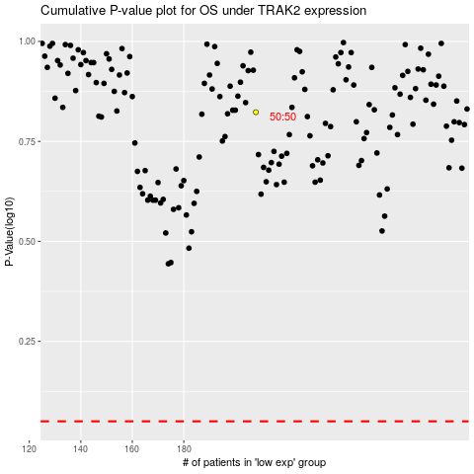

 |  |  |  |  |  | cases_OS | p_OS | rank | exp
 |  |  |  |  |  |  | cases_RFS | p_RFS | rank | exp

