TRAM1 _multivariate
Reported by Tex Li-Hsing Chi. tex@gate.sinica.edu.tw 2019-08-15

Table 2. The clinicopathological features of HNSCC cohort and TRAM1 expression. (Chi square test)
Cutoff at -0.108 (50.0%)
 |  | TRAM1 expression |  | TRAM1 expression |  | (Optimised)
 | Features | Low | (%) | High | (%) | Case no | P-value | Remark | Matthews
Gender | Female | 166 | 40 | 140 | 33.7 | 415 | 0.0041 | 1 | 0
2 | Male | 41 | 9.9 | 68 | 16.4
Age at diagnosis | <=65y | 139 | 33.5 | 135 | 32.5 | 415 | 0.7044 | 0 | 0
4 | >65y | 68 | 16.4 | 73 | 17.6
Clinical T Status | T1+T2 | 66 | 15.9 | 83 | 20 | 415 | 0.1095 | 0 | 0
6 | T3+T4 | 141 | 34 | 125 | 30.1
Clinical N Status | N0 | 105 | 25.3 | 111 | 26.7 | 415 | 0.6598 | 0 | 0
8 | N1-3 | 102 | 24.6 | 97 | 23.4
Clinical M Status | M0 | 205 | 49.4 | 207 | 49.9 | 415 | 0.6232 | 0 | 0
10 | M1 | 2 | 0.5 | 1 | 0.2
Clinical Stage | Stage I+II | 36 | 8.7 | 66 | 15.9 | 415 | 0.001 | 1 | 0
12 | Stage III+IV | 171 | 41.2 | 142 | 34.2
Surgical Margin status | Negative | 159 | 38.3 | 159 | 38.3 | 415 | 1 | 0 | 0
14 | Positive | 48 | 11.6 | 49 | 11.8
Tobacco Exposure | Low | 77 | 18.6 | 84 | 20.2 | 415 | 0.5459 | 0 | 0
16 | High | 130 | 31.3 | 124 | 29.9

Table 3. Univariate/Multivariate Cox's proportional hazards regression analyses on OS time of TRAM1 gene expression in HNSCC

 |  | Univariate |  |  |  | Multivariate
 | Features | HR | CI95%(L) | CI95%(H) | P-value | HR | CI95%(L) | CI95%(H) | P-value
1 | Female | 1 |  |  |  | 1
Gender | Male | 1.157 | 0.843 | 1.587 | 0.367 | 1.173 | 0.839 | 1.642 | 0.351
11 | <=65y | 1 |  |  |  | 1
Age at diagnosis | >65y | 1.329 | 0.99 | 1.784 | 0.058 | 1.398 | 1.028 | 1.901 | 0.033
12 | T1+T2 | 1 |  |  |  | 1
Clinical T Status | T3+T4 | 1.409 | 1.028 | 1.931 | 0.033 | 2.122 | 1.12 | 4.019 | 0.021
13 | N0 | 1 |  |  |  | 1
Clinical N Status | N1-3 | 1.185 | 0.89 | 1.577 | 0.246 | 1.209 | 0.846 | 1.727 | 0.298
14 | M0 | 1 |  |  |  | 1
Clinical M Status | M1 | 4.097 | 1.009 | 16.644 | 0.049 | 9.603 | 2.095 | 44.015 | 0.004
15 | Stage I+II | 1 |  |  |  | 1
Clinical Stage | Stage III+IV | 1.245 | 0.882 | 1.759 | 0.213 | 0.57 | 0.261 | 1.247 | 0.159
16 | Negative | 1 |  |  |  | 1
Surgical Margin status | Positive | 1.591 | 1.155 | 2.191 | 0.004 | 1.67 | 1.209 | 2.307 | 0.002
17 | Low | 1 |  |  |  | 1
Tobacco Exposure | High | 1.364 | 1.008 | 1.844 | 0.044 | 1.458 | 1.059 | 2.009 | 0.021
18 | Low | 1 |  |  |  | 1
RNAseq(z-score) | High | 1.182 | 0.887 | 1.576 | 0.253 | 1.251 | 0.923 | 1.695 | 0.148

Table 4. Univariate/Multivariate Cox's proportional hazards regression analyses on RFS time of TRAM1 gene expression in HNSCC

 |  | Univariate |  |  |  | Multivariate
 | Features | HR | CI95%(L) | CI95%(H) | P-value | HR | CI95%(L) | CI95%(H) | P-value
1 | Female | 1 |  |  |  | 1
Gender | Male | 1.157 | 0.843 | 1.587 | 0.367 | 1.173 | 0.839 | 1.642 | 0.351
11 | <=65y | 1 |  |  |  | 1
Age at diagnosis | >65y | 1.329 | 0.99 | 1.784 | 0.058 | 1.398 | 1.028 | 1.901 | 0.033
12 | T1+T2 | 1 |  |  |  | 1
Clinical T Status | T3+T4 | 1.409 | 1.028 | 1.931 | 0.033 | 2.122 | 1.12 | 4.019 | 0.021
13 | N0 | 1 |  |  |  | 1
Clinical N Status | N1-3 | 1.185 | 0.89 | 1.577 | 0.246 | 1.209 | 0.846 | 1.727 | 0.298
14 | M0 | 1 |  |  |  | 1
Clinical M Status | M1 | 4.097 | 1.009 | 16.644 | 0.049 | 9.603 | 2.095 | 44.015 | 0.004
15 | Stage I+II | 1 |  |  |  | 1
Clinical Stage | Stage III+IV | 1.245 | 0.882 | 1.759 | 0.213 | 0.57 | 0.261 | 1.247 | 0.159
16 | Negative | 1 |  |  |  | 1
Surgical Margin status | Positive | 1.591 | 1.155 | 2.191 | 0.004 | 1.67 | 1.209 | 2.307 | 0.002
17 | Low | 1 |  |  |  | 1
Tobacco Exposure | High | 1.364 | 1.008 | 1.844 | 0.044 | 1.458 | 1.059 | 2.009 | 0.021
18 | Low | 1 |  |  |  | 1
RNAseq(z-score) | High | 1.182 | 0.887 | 1.576 | 0.253 | 1.251 | 0.923 | 1.695 | 0.148

Kaplan-Meier survival estimate: Cutoff at -0.108 (50.0%)



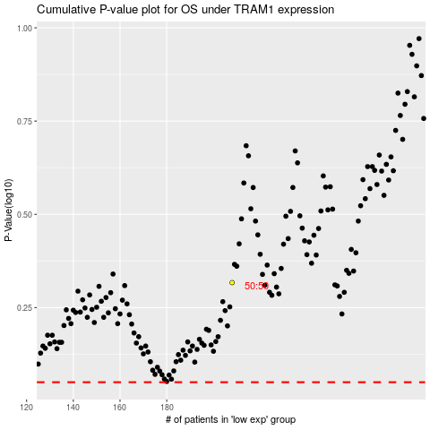

 |  |  |  |  |  | cases_OS | p_OS | rank | exp
 |  |  |  |  |  |  | cases_RFS | p_RFS | rank | exp

