TRAM1L1 _multivariate
Reported by Tex Li-Hsing Chi. tex@gate.sinica.edu.tw 2019-08-15

Table 2. The clinicopathological features of HNSCC cohort and TRAM1L1 expression. (Chi square test)
Cutoff at -0.343 (49.8%)
 |  | TRAM1L1 expression |  | TRAM1L1 expression |  | (Optimised)
 | Features | Low | (%) | High | (%) | Case no | P-value | Remark | Matthews
Gender | Female | 155 | 37.3 | 151 | 36.4 | 415 | 0.6768 | 0 | 0
2 | Male | 52 | 12.5 | 57 | 13.7
Age at diagnosis | <=65y | 138 | 33.3 | 136 | 32.8 | 415 | 0.8634 | 0 | 0
4 | >65y | 69 | 16.6 | 72 | 17.3
Clinical T Status | T1+T2 | 76 | 18.3 | 73 | 17.6 | 415 | 0.8092 | 0 | 0
6 | T3+T4 | 131 | 31.6 | 135 | 32.5
Clinical N Status | N0 | 103 | 24.8 | 113 | 27.2 | 415 | 0.4047 | 0 | 0
8 | N1-3 | 104 | 25.1 | 95 | 22.9
Clinical M Status | M0 | 205 | 49.4 | 207 | 49.9 | 415 | 0.6232 | 0 | 0
10 | M1 | 2 | 0.5 | 1 | 0.2
Clinical Stage | Stage I+II | 49 | 11.8 | 53 | 12.8 | 415 | 0.7535 | 0 | 0
12 | Stage III+IV | 158 | 38.1 | 155 | 37.3
Surgical Margin status | Negative | 151 | 36.4 | 167 | 40.2 | 415 | 0.0828 | 0 | 0
14 | Positive | 56 | 13.5 | 41 | 9.9
Tobacco Exposure | Low | 84 | 20.2 | 77 | 18.6 | 415 | 0.4816 | 0 | 0
16 | High | 123 | 29.6 | 131 | 31.6

Table 3. Univariate/Multivariate Cox's proportional hazards regression analyses on OS time of TRAM1L1 gene expression in HNSCC

 |  | Univariate |  |  |  | Multivariate
 | Features | HR | CI95%(L) | CI95%(H) | P-value | HR | CI95%(L) | CI95%(H) | P-value
1 | Female | 1 |  |  |  | 1
Gender | Male | 1.157 | 0.843 | 1.587 | 0.367 | 1.203 | 0.861 | 1.68 | 0.279
11 | <=65y | 1 |  |  |  | 1
Age at diagnosis | >65y | 1.329 | 0.99 | 1.784 | 0.058 | 1.392 | 1.024 | 1.892 | 0.035
12 | T1+T2 | 1 |  |  |  | 1
Clinical T Status | T3+T4 | 1.409 | 1.028 | 1.931 | 0.033 | 2.206 | 1.167 | 4.172 | 0.015
13 | N0 | 1 |  |  |  | 1
Clinical N Status | N1-3 | 1.185 | 0.89 | 1.577 | 0.246 | 1.239 | 0.868 | 1.767 | 0.238
14 | M0 | 1 |  |  |  | 1
Clinical M Status | M1 | 4.097 | 1.009 | 16.644 | 0.049 | 9.314 | 2.029 | 42.763 | 0.004
15 | Stage I+II | 1 |  |  |  | 1
Clinical Stage | Stage III+IV | 1.245 | 0.882 | 1.759 | 0.213 | 0.504 | 0.235 | 1.082 | 0.079
16 | Negative | 1 |  |  |  | 1
Surgical Margin status | Positive | 1.591 | 1.155 | 2.191 | 0.004 | 1.663 | 1.202 | 2.303 | 0.002
17 | Low | 1 |  |  |  | 1
Tobacco Exposure | High | 1.364 | 1.008 | 1.844 | 0.044 | 1.454 | 1.055 | 2.004 | 0.022
18 | Low | 1 |  |  |  | 1
RNAseq(z-score) | High | 0.924 | 0.693 | 1.231 | 0.588 | 0.96 | 0.718 | 1.282 | 0.781

Table 4. Univariate/Multivariate Cox's proportional hazards regression analyses on RFS time of TRAM1L1 gene expression in HNSCC

 |  | Univariate |  |  |  | Multivariate
 | Features | HR | CI95%(L) | CI95%(H) | P-value | HR | CI95%(L) | CI95%(H) | P-value
1 | Female | 1 |  |  |  | 1
Gender | Male | 1.157 | 0.843 | 1.587 | 0.367 | 1.203 | 0.861 | 1.68 | 0.279
11 | <=65y | 1 |  |  |  | 1
Age at diagnosis | >65y | 1.329 | 0.99 | 1.784 | 0.058 | 1.392 | 1.024 | 1.892 | 0.035
12 | T1+T2 | 1 |  |  |  | 1
Clinical T Status | T3+T4 | 1.409 | 1.028 | 1.931 | 0.033 | 2.206 | 1.167 | 4.172 | 0.015
13 | N0 | 1 |  |  |  | 1
Clinical N Status | N1-3 | 1.185 | 0.89 | 1.577 | 0.246 | 1.239 | 0.868 | 1.767 | 0.238
14 | M0 | 1 |  |  |  | 1
Clinical M Status | M1 | 4.097 | 1.009 | 16.644 | 0.049 | 9.314 | 2.029 | 42.763 | 0.004
15 | Stage I+II | 1 |  |  |  | 1
Clinical Stage | Stage III+IV | 1.245 | 0.882 | 1.759 | 0.213 | 0.504 | 0.235 | 1.082 | 0.079
16 | Negative | 1 |  |  |  | 1
Surgical Margin status | Positive | 1.591 | 1.155 | 2.191 | 0.004 | 1.663 | 1.202 | 2.303 | 0.002
17 | Low | 1 |  |  |  | 1
Tobacco Exposure | High | 1.364 | 1.008 | 1.844 | 0.044 | 1.454 | 1.055 | 2.004 | 0.022
18 | Low | 1 |  |  |  | 1
RNAseq(z-score) | High | 0.924 | 0.693 | 1.231 | 0.588 | 0.96 | 0.718 | 1.282 | 0.781

Kaplan-Meier survival estimate: Cutoff at -0.343 (49.8%)



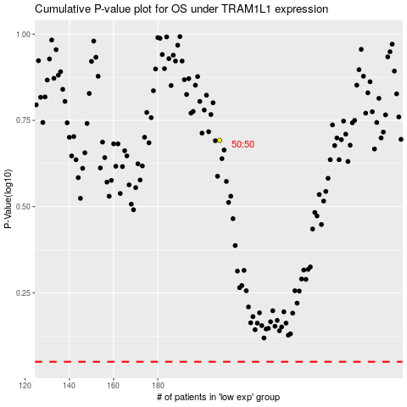

 |  |  |  |  |  | cases_OS | p_OS | rank | exp
 |  |  |  |  |  |  | cases_RFS | p_RFS | rank | exp

