TRAP1 _multivariate
Reported by Tex Li-Hsing Chi. tex@gate.sinica.edu.tw 2019-08-15

Table 2. The clinicopathological features of HNSCC cohort and TRAP1 expression. (Chi square test)
Cutoff at -0.188 (49.8%)
 |  | TRAP1 expression |  | TRAP1 expression |  | (Optimised)
 | Features | Low | (%) | High | (%) | Case no | P-value | Remark | Matthews
Gender | Female | 143 | 34.5 | 163 | 39.3 | 415 | 0.0416 | 1 | 0
2 | Male | 64 | 15.4 | 45 | 10.8
Age at diagnosis | <=65y | 133 | 32 | 141 | 34 | 415 | 0.5111 | 0 | 0
4 | >65y | 74 | 17.8 | 67 | 16.1
Clinical T Status | T1+T2 | 90 | 21.7 | 59 | 14.2 | 415 | 0.0019 | 1 | 0
6 | T3+T4 | 117 | 28.2 | 149 | 35.9
Clinical N Status | N0 | 111 | 26.7 | 105 | 25.3 | 415 | 0.5875 | 0 | 0
8 | N1-3 | 96 | 23.1 | 103 | 24.8
Clinical M Status | M0 | 207 | 49.9 | 205 | 49.4 | 415 | 0.2482 | 0 | 0
10 | M1 | 0 | 0 | 3 | 0.7
Clinical Stage | Stage I+II | 65 | 15.7 | 37 | 8.9 | 415 | 0.0019 | 1 | 0
12 | Stage III+IV | 142 | 34.2 | 171 | 41.2
Surgical Margin status | Negative | 157 | 37.8 | 161 | 38.8 | 415 | 0.729 | 0 | 0
14 | Positive | 50 | 12 | 47 | 11.3
Tobacco Exposure | Low | 100 | 24.1 | 61 | 14.7 | 415 | 1e-04 | 1 | 0
16 | High | 107 | 25.8 | 147 | 35.4

Table 3. Univariate/Multivariate Cox's proportional hazards regression analyses on OS time of TRAP1 gene expression in HNSCC

 |  | Univariate |  |  |  | Multivariate
 | Features | HR | CI95%(L) | CI95%(H) | P-value | HR | CI95%(L) | CI95%(H) | P-value
1 | Female | 1 |  |  |  | 1
Gender | Male | 1.157 | 0.843 | 1.587 | 0.367 | 1.202 | 0.86 | 1.678 | 0.281
11 | <=65y | 1 |  |  |  | 1
Age at diagnosis | >65y | 1.329 | 0.99 | 1.784 | 0.058 | 1.39 | 1.022 | 1.891 | 0.036
12 | T1+T2 | 1 |  |  |  | 1
Clinical T Status | T3+T4 | 1.409 | 1.028 | 1.931 | 0.033 | 2.205 | 1.166 | 4.17 | 0.015
13 | N0 | 1 |  |  |  | 1
Clinical N Status | N1-3 | 1.185 | 0.89 | 1.577 | 0.246 | 1.24 | 0.869 | 1.769 | 0.236
14 | M0 | 1 |  |  |  | 1
Clinical M Status | M1 | 4.097 | 1.009 | 16.644 | 0.049 | 9.506 | 2.057 | 43.937 | 0.004
15 | Stage I+II | 1 |  |  |  | 1
Clinical Stage | Stage III+IV | 1.245 | 0.882 | 1.759 | 0.213 | 0.506 | 0.235 | 1.087 | 0.081
16 | Negative | 1 |  |  |  | 1
Surgical Margin status | Positive | 1.591 | 1.155 | 2.191 | 0.004 | 1.673 | 1.21 | 2.313 | 0.002
17 | Low | 1 |  |  |  | 1
Tobacco Exposure | High | 1.364 | 1.008 | 1.844 | 0.044 | 1.457 | 1.055 | 2.014 | 0.022
18 | Low | 1 |  |  |  | 1
RNAseq(z-score) | High | 1.08 | 0.811 | 1.439 | 0.597 | 0.981 | 0.73 | 1.318 | 0.897

Table 4. Univariate/Multivariate Cox's proportional hazards regression analyses on RFS time of TRAP1 gene expression in HNSCC

 |  | Univariate |  |  |  | Multivariate
 | Features | HR | CI95%(L) | CI95%(H) | P-value | HR | CI95%(L) | CI95%(H) | P-value
1 | Female | 1 |  |  |  | 1
Gender | Male | 1.157 | 0.843 | 1.587 | 0.367 | 1.202 | 0.86 | 1.678 | 0.281
11 | <=65y | 1 |  |  |  | 1
Age at diagnosis | >65y | 1.329 | 0.99 | 1.784 | 0.058 | 1.39 | 1.022 | 1.891 | 0.036
12 | T1+T2 | 1 |  |  |  | 1
Clinical T Status | T3+T4 | 1.409 | 1.028 | 1.931 | 0.033 | 2.205 | 1.166 | 4.17 | 0.015
13 | N0 | 1 |  |  |  | 1
Clinical N Status | N1-3 | 1.185 | 0.89 | 1.577 | 0.246 | 1.24 | 0.869 | 1.769 | 0.236
14 | M0 | 1 |  |  |  | 1
Clinical M Status | M1 | 4.097 | 1.009 | 16.644 | 0.049 | 9.506 | 2.057 | 43.937 | 0.004
15 | Stage I+II | 1 |  |  |  | 1
Clinical Stage | Stage III+IV | 1.245 | 0.882 | 1.759 | 0.213 | 0.506 | 0.235 | 1.087 | 0.081
16 | Negative | 1 |  |  |  | 1
Surgical Margin status | Positive | 1.591 | 1.155 | 2.191 | 0.004 | 1.673 | 1.21 | 2.313 | 0.002
17 | Low | 1 |  |  |  | 1
Tobacco Exposure | High | 1.364 | 1.008 | 1.844 | 0.044 | 1.457 | 1.055 | 2.014 | 0.022
18 | Low | 1 |  |  |  | 1
RNAseq(z-score) | High | 1.08 | 0.811 | 1.439 | 0.597 | 0.981 | 0.73 | 1.318 | 0.897

Kaplan-Meier survival estimate: Cutoff at -0.188 (49.8%)



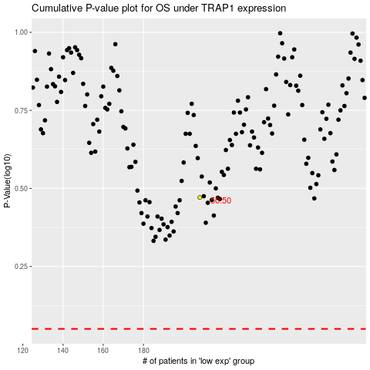

 |  |  |  |  |  | cases_OS | p_OS | rank | exp
 |  |  |  |  |  |  | cases_RFS | p_RFS | rank | exp

