TRAPPC2L _multivariate
Reported by Tex Li-Hsing Chi. tex@gate.sinica.edu.tw 2019-08-15

Table 2. The clinicopathological features of HNSCC cohort and TRAPPC2L expression. (Chi square test)
Cutoff at -0.25 (50.0%)
 |  | TRAPPC2L expression |  | TRAPPC2L expression |  | (Optimised)
 | Features | Low | (%) | High | (%) | Case no | P-value | Remark | Matthews
Gender | Female | 152 | 36.6 | 154 | 37.1 | 415 | 0.9766 | 0 | 0
2 | Male | 55 | 13.3 | 54 | 13
Age at diagnosis | <=65y | 134 | 32.3 | 140 | 33.7 | 415 | 0.6529 | 0 | 0
4 | >65y | 73 | 17.6 | 68 | 16.4
Clinical T Status | T1+T2 | 74 | 17.8 | 75 | 18.1 | 415 | 1 | 0 | 0
6 | T3+T4 | 133 | 32 | 133 | 32
Clinical N Status | N0 | 106 | 25.5 | 110 | 26.5 | 415 | 0.8075 | 0 | 0
8 | N1-3 | 101 | 24.3 | 98 | 23.6
Clinical M Status | M0 | 207 | 49.9 | 205 | 49.4 | 415 | 0.2482 | 0 | 0
10 | M1 | 0 | 0 | 3 | 0.7
Clinical Stage | Stage I+II | 50 | 12 | 52 | 12.5 | 415 | 0.9315 | 0 | 0
12 | Stage III+IV | 157 | 37.8 | 156 | 37.6
Surgical Margin status | Negative | 161 | 38.8 | 157 | 37.8 | 415 | 0.6429 | 0 | 0
14 | Positive | 46 | 11.1 | 51 | 12.3
Tobacco Exposure | Low | 83 | 20 | 78 | 18.8 | 415 | 0.6152 | 0 | 0
16 | High | 124 | 29.9 | 130 | 31.3

Table 3. Univariate/Multivariate Cox's proportional hazards regression analyses on OS time of TRAPPC2L gene expression in HNSCC

 |  | Univariate |  |  |  | Multivariate
 | Features | HR | CI95%(L) | CI95%(H) | P-value | HR | CI95%(L) | CI95%(H) | P-value
1 | Female | 1 |  |  |  | 1
Gender | Male | 1.157 | 0.843 | 1.587 | 0.367 | 1.208 | 0.864 | 1.689 | 0.269
11 | <=65y | 1 |  |  |  | 1
Age at diagnosis | >65y | 1.329 | 0.99 | 1.784 | 0.058 | 1.385 | 1.017 | 1.885 | 0.038
12 | T1+T2 | 1 |  |  |  | 1
Clinical T Status | T3+T4 | 1.409 | 1.028 | 1.931 | 0.033 | 2.209 | 1.168 | 4.178 | 0.015
13 | N0 | 1 |  |  |  | 1
Clinical N Status | N1-3 | 1.185 | 0.89 | 1.577 | 0.246 | 1.237 | 0.867 | 1.766 | 0.241
14 | M0 | 1 |  |  |  | 1
Clinical M Status | M1 | 4.097 | 1.009 | 16.644 | 0.049 | 9.734 | 2.102 | 45.082 | 0.004
15 | Stage I+II | 1 |  |  |  | 1
Clinical Stage | Stage III+IV | 1.245 | 0.882 | 1.759 | 0.213 | 0.503 | 0.234 | 1.08 | 0.078
16 | Negative | 1 |  |  |  | 1
Surgical Margin status | Positive | 1.591 | 1.155 | 2.191 | 0.004 | 1.682 | 1.215 | 2.327 | 0.002
17 | Low | 1 |  |  |  | 1
Tobacco Exposure | High | 1.364 | 1.008 | 1.844 | 0.044 | 1.456 | 1.057 | 2.007 | 0.021
18 | Low | 1 |  |  |  | 1
RNAseq(z-score) | High | 1 | 0.751 | 1.332 | 0.998 | 0.945 | 0.706 | 1.264 | 0.702

Table 4. Univariate/Multivariate Cox's proportional hazards regression analyses on RFS time of TRAPPC2L gene expression in HNSCC

 |  | Univariate |  |  |  | Multivariate
 | Features | HR | CI95%(L) | CI95%(H) | P-value | HR | CI95%(L) | CI95%(H) | P-value
1 | Female | 1 |  |  |  | 1
Gender | Male | 1.157 | 0.843 | 1.587 | 0.367 | 1.208 | 0.864 | 1.689 | 0.269
11 | <=65y | 1 |  |  |  | 1
Age at diagnosis | >65y | 1.329 | 0.99 | 1.784 | 0.058 | 1.385 | 1.017 | 1.885 | 0.038
12 | T1+T2 | 1 |  |  |  | 1
Clinical T Status | T3+T4 | 1.409 | 1.028 | 1.931 | 0.033 | 2.209 | 1.168 | 4.178 | 0.015
13 | N0 | 1 |  |  |  | 1
Clinical N Status | N1-3 | 1.185 | 0.89 | 1.577 | 0.246 | 1.237 | 0.867 | 1.766 | 0.241
14 | M0 | 1 |  |  |  | 1
Clinical M Status | M1 | 4.097 | 1.009 | 16.644 | 0.049 | 9.734 | 2.102 | 45.082 | 0.004
15 | Stage I+II | 1 |  |  |  | 1
Clinical Stage | Stage III+IV | 1.245 | 0.882 | 1.759 | 0.213 | 0.503 | 0.234 | 1.08 | 0.078
16 | Negative | 1 |  |  |  | 1
Surgical Margin status | Positive | 1.591 | 1.155 | 2.191 | 0.004 | 1.682 | 1.215 | 2.327 | 0.002
17 | Low | 1 |  |  |  | 1
Tobacco Exposure | High | 1.364 | 1.008 | 1.844 | 0.044 | 1.456 | 1.057 | 2.007 | 0.021
18 | Low | 1 |  |  |  | 1
RNAseq(z-score) | High | 1 | 0.751 | 1.332 | 0.998 | 0.945 | 0.706 | 1.264 | 0.702

Kaplan-Meier survival estimate: Cutoff at -0.25 (50.0%)



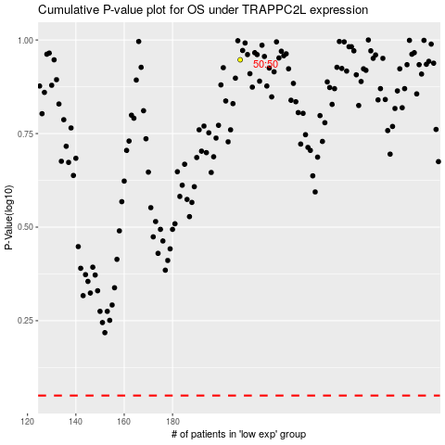

 |  |  |  |  |  | cases_OS | p_OS | rank | exp
 |  |  |  |  |  |  | cases_RFS | p_RFS | rank | exp

