TRAPPC2P1 _multivariate
Reported by Tex Li-Hsing Chi. tex@gate.sinica.edu.tw 2019-08-15

Table 2. The clinicopathological features of HNSCC cohort and TRAPPC2P1 expression. (Chi square test)
Cutoff at -0.287 (50.0%)
 |  | TRAPPC2P1 expression |  | TRAPPC2P1 expression |  | (Optimised)
 | Features | Low | (%) | High | (%) | Case no | P-value | Remark | Matthews
Gender | Female | 152 | 36.6 | 154 | 37.1 | 415 | 0.9766 | 0 | 0
2 | Male | 55 | 13.3 | 54 | 13
Age at diagnosis | <=65y | 138 | 33.3 | 136 | 32.8 | 415 | 0.8634 | 0 | 0
4 | >65y | 69 | 16.6 | 72 | 17.3
Clinical T Status | T1+T2 | 75 | 18.1 | 74 | 17.8 | 415 | 0.9707 | 0 | 0
6 | T3+T4 | 132 | 31.8 | 134 | 32.3
Clinical N Status | N0 | 103 | 24.8 | 113 | 27.2 | 415 | 0.4047 | 0 | 0
8 | N1-3 | 104 | 25.1 | 95 | 22.9
Clinical M Status | M0 | 206 | 49.6 | 206 | 49.6 | 415 | 1 | 0 | 0
10 | M1 | 1 | 0.2 | 2 | 0.5
Clinical Stage | Stage I+II | 51 | 12.3 | 51 | 12.3 | 415 | 1 | 0 | 0
12 | Stage III+IV | 156 | 37.6 | 157 | 37.8
Surgical Margin status | Negative | 156 | 37.6 | 162 | 39 | 415 | 0.5636 | 0 | 0
14 | Positive | 51 | 12.3 | 46 | 11.1
Tobacco Exposure | Low | 76 | 18.3 | 85 | 20.5 | 415 | 0.4207 | 0 | 0
16 | High | 131 | 31.6 | 123 | 29.6

Table 3. Univariate/Multivariate Cox's proportional hazards regression analyses on OS time of TRAPPC2P1 gene expression in HNSCC

 |  | Univariate |  |  |  | Multivariate
 | Features | HR | CI95%(L) | CI95%(H) | P-value | HR | CI95%(L) | CI95%(H) | P-value
1 | Female | 1 |  |  |  | 1
Gender | Male | 1.157 | 0.843 | 1.587 | 0.367 | 1.202 | 0.859 | 1.681 | 0.283
11 | <=65y | 1 |  |  |  | 1
Age at diagnosis | >65y | 1.329 | 0.99 | 1.784 | 0.058 | 1.392 | 1.025 | 1.89 | 0.034
12 | T1+T2 | 1 |  |  |  | 1
Clinical T Status | T3+T4 | 1.409 | 1.028 | 1.931 | 0.033 | 2.18 | 1.154 | 4.121 | 0.016
13 | N0 | 1 |  |  |  | 1
Clinical N Status | N1-3 | 1.185 | 0.89 | 1.577 | 0.246 | 1.246 | 0.874 | 1.776 | 0.224
14 | M0 | 1 |  |  |  | 1
Clinical M Status | M1 | 4.097 | 1.009 | 16.644 | 0.049 | 8.714 | 1.895 | 40.072 | 0.005
15 | Stage I+II | 1 |  |  |  | 1
Clinical Stage | Stage III+IV | 1.245 | 0.882 | 1.759 | 0.213 | 0.51 | 0.238 | 1.093 | 0.083
16 | Negative | 1 |  |  |  | 1
Surgical Margin status | Positive | 1.591 | 1.155 | 2.191 | 0.004 | 1.65 | 1.194 | 2.281 | 0.002
17 | Low | 1 |  |  |  | 1
Tobacco Exposure | High | 1.364 | 1.008 | 1.844 | 0.044 | 1.472 | 1.067 | 2.03 | 0.019
18 | Low | 1 |  |  |  | 1
RNAseq(z-score) | High | 1.262 | 0.946 | 1.684 | 0.113 | 1.243 | 0.93 | 1.66 | 0.141

Table 4. Univariate/Multivariate Cox's proportional hazards regression analyses on RFS time of TRAPPC2P1 gene expression in HNSCC

 |  | Univariate |  |  |  | Multivariate
 | Features | HR | CI95%(L) | CI95%(H) | P-value | HR | CI95%(L) | CI95%(H) | P-value
1 | Female | 1 |  |  |  | 1
Gender | Male | 1.157 | 0.843 | 1.587 | 0.367 | 1.202 | 0.859 | 1.681 | 0.283
11 | <=65y | 1 |  |  |  | 1
Age at diagnosis | >65y | 1.329 | 0.99 | 1.784 | 0.058 | 1.392 | 1.025 | 1.89 | 0.034
12 | T1+T2 | 1 |  |  |  | 1
Clinical T Status | T3+T4 | 1.409 | 1.028 | 1.931 | 0.033 | 2.18 | 1.154 | 4.121 | 0.016
13 | N0 | 1 |  |  |  | 1
Clinical N Status | N1-3 | 1.185 | 0.89 | 1.577 | 0.246 | 1.246 | 0.874 | 1.776 | 0.224
14 | M0 | 1 |  |  |  | 1
Clinical M Status | M1 | 4.097 | 1.009 | 16.644 | 0.049 | 8.714 | 1.895 | 40.072 | 0.005
15 | Stage I+II | 1 |  |  |  | 1
Clinical Stage | Stage III+IV | 1.245 | 0.882 | 1.759 | 0.213 | 0.51 | 0.238 | 1.093 | 0.083
16 | Negative | 1 |  |  |  | 1
Surgical Margin status | Positive | 1.591 | 1.155 | 2.191 | 0.004 | 1.65 | 1.194 | 2.281 | 0.002
17 | Low | 1 |  |  |  | 1
Tobacco Exposure | High | 1.364 | 1.008 | 1.844 | 0.044 | 1.472 | 1.067 | 2.03 | 0.019
18 | Low | 1 |  |  |  | 1
RNAseq(z-score) | High | 1.262 | 0.946 | 1.684 | 0.113 | 1.243 | 0.93 | 1.66 | 0.141

Kaplan-Meier survival estimate: Cutoff at -0.287 (50.0%)



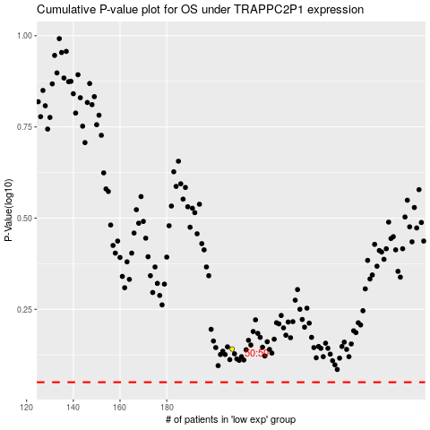

 |  |  |  |  |  | cases_OS | p_OS | rank | exp
 |  |  |  |  |  |  | cases_RFS | p_RFS | rank | exp

