TRAPPC4 _multivariate
Reported by Tex Li-Hsing Chi. tex@gate.sinica.edu.tw 2019-08-15

Table 2. The clinicopathological features of HNSCC cohort and TRAPPC4 expression. (Chi square test)
Cutoff at -0.256 (49.8%)
 |  | TRAPPC4 expression |  | TRAPPC4 expression |  | (Optimised)
 | Features | Low | (%) | High | (%) | Case no | P-value | Remark | Matthews
Gender | Female | 154 | 37.1 | 152 | 36.6 | 415 | 0.8463 | 0 | 0
2 | Male | 53 | 12.8 | 56 | 13.5
Age at diagnosis | <=65y | 140 | 33.7 | 134 | 32.3 | 415 | 0.5574 | 0 | 0
4 | >65y | 67 | 16.1 | 74 | 17.8
Clinical T Status | T1+T2 | 79 | 19 | 70 | 16.9 | 415 | 0.3924 | 0 | 0
6 | T3+T4 | 128 | 30.8 | 138 | 33.3
Clinical N Status | N0 | 106 | 25.5 | 110 | 26.5 | 415 | 0.8075 | 0 | 0
8 | N1-3 | 101 | 24.3 | 98 | 23.6
Clinical M Status | M0 | 206 | 49.6 | 206 | 49.6 | 415 | 1 | 0 | 0
10 | M1 | 1 | 0.2 | 2 | 0.5
Clinical Stage | Stage I+II | 50 | 12 | 52 | 12.5 | 415 | 0.9315 | 0 | 0
12 | Stage III+IV | 157 | 37.8 | 156 | 37.6
Surgical Margin status | Negative | 156 | 37.6 | 162 | 39 | 415 | 0.5636 | 0 | 0
14 | Positive | 51 | 12.3 | 46 | 11.1
Tobacco Exposure | Low | 79 | 19 | 82 | 19.8 | 415 | 0.8405 | 0 | 0
16 | High | 128 | 30.8 | 126 | 30.4

Table 3. Univariate/Multivariate Cox's proportional hazards regression analyses on OS time of TRAPPC4 gene expression in HNSCC

 |  | Univariate |  |  |  | Multivariate
 | Features | HR | CI95%(L) | CI95%(H) | P-value | HR | CI95%(L) | CI95%(H) | P-value
1 | Female | 1 |  |  |  | 1
Gender | Male | 1.157 | 0.843 | 1.587 | 0.367 | 1.188 | 0.85 | 1.66 | 0.314
11 | <=65y | 1 |  |  |  | 1
Age at diagnosis | >65y | 1.329 | 0.99 | 1.784 | 0.058 | 1.392 | 1.025 | 1.891 | 0.034
12 | T1+T2 | 1 |  |  |  | 1
Clinical T Status | T3+T4 | 1.409 | 1.028 | 1.931 | 0.033 | 2.147 | 1.135 | 4.064 | 0.019
13 | N0 | 1 |  |  |  | 1
Clinical N Status | N1-3 | 1.185 | 0.89 | 1.577 | 0.246 | 1.223 | 0.857 | 1.744 | 0.268
14 | M0 | 1 |  |  |  | 1
Clinical M Status | M1 | 4.097 | 1.009 | 16.644 | 0.049 | 8.69 | 1.888 | 40.003 | 0.006
15 | Stage I+II | 1 |  |  |  | 1
Clinical Stage | Stage III+IV | 1.245 | 0.882 | 1.759 | 0.213 | 0.525 | 0.244 | 1.129 | 0.099
16 | Negative | 1 |  |  |  | 1
Surgical Margin status | Positive | 1.591 | 1.155 | 2.191 | 0.004 | 1.667 | 1.207 | 2.304 | 0.002
17 | Low | 1 |  |  |  | 1
Tobacco Exposure | High | 1.364 | 1.008 | 1.844 | 0.044 | 1.451 | 1.054 | 1.999 | 0.023
18 | Low | 1 |  |  |  | 1
RNAseq(z-score) | High | 1.261 | 0.946 | 1.681 | 0.113 | 1.224 | 0.917 | 1.636 | 0.171

Table 4. Univariate/Multivariate Cox's proportional hazards regression analyses on RFS time of TRAPPC4 gene expression in HNSCC

 |  | Univariate |  |  |  | Multivariate
 | Features | HR | CI95%(L) | CI95%(H) | P-value | HR | CI95%(L) | CI95%(H) | P-value
1 | Female | 1 |  |  |  | 1
Gender | Male | 1.157 | 0.843 | 1.587 | 0.367 | 1.188 | 0.85 | 1.66 | 0.314
11 | <=65y | 1 |  |  |  | 1
Age at diagnosis | >65y | 1.329 | 0.99 | 1.784 | 0.058 | 1.392 | 1.025 | 1.891 | 0.034
12 | T1+T2 | 1 |  |  |  | 1
Clinical T Status | T3+T4 | 1.409 | 1.028 | 1.931 | 0.033 | 2.147 | 1.135 | 4.064 | 0.019
13 | N0 | 1 |  |  |  | 1
Clinical N Status | N1-3 | 1.185 | 0.89 | 1.577 | 0.246 | 1.223 | 0.857 | 1.744 | 0.268
14 | M0 | 1 |  |  |  | 1
Clinical M Status | M1 | 4.097 | 1.009 | 16.644 | 0.049 | 8.69 | 1.888 | 40.003 | 0.006
15 | Stage I+II | 1 |  |  |  | 1
Clinical Stage | Stage III+IV | 1.245 | 0.882 | 1.759 | 0.213 | 0.525 | 0.244 | 1.129 | 0.099
16 | Negative | 1 |  |  |  | 1
Surgical Margin status | Positive | 1.591 | 1.155 | 2.191 | 0.004 | 1.667 | 1.207 | 2.304 | 0.002
17 | Low | 1 |  |  |  | 1
Tobacco Exposure | High | 1.364 | 1.008 | 1.844 | 0.044 | 1.451 | 1.054 | 1.999 | 0.023
18 | Low | 1 |  |  |  | 1
RNAseq(z-score) | High | 1.261 | 0.946 | 1.681 | 0.113 | 1.224 | 0.917 | 1.636 | 0.171

Kaplan-Meier survival estimate: Cutoff at -0.256 (49.8%)

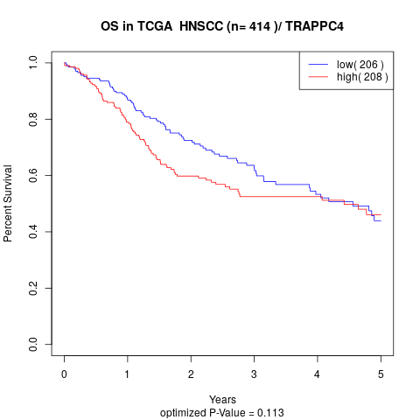

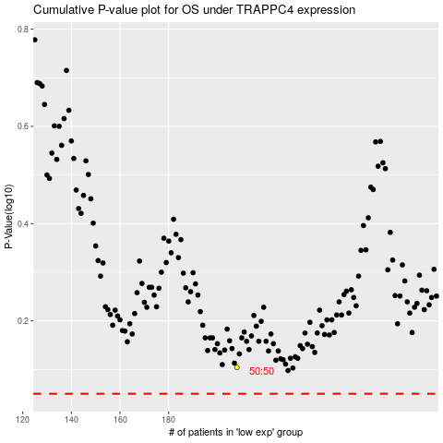

 |  |  |  |  |  | cases_OS | p_OS | rank | exp
 |  |  |  |  |  |  | cases_RFS | p_RFS | rank | exp

