TRAPPC5 _multivariate
Reported by Tex Li-Hsing Chi. tex@gate.sinica.edu.tw 2019-08-15

Table 2. The clinicopathological features of HNSCC cohort and TRAPPC5 expression. (Chi square test)
Cutoff at -0.247 (50.0%)
 |  | TRAPPC5 expression |  | TRAPPC5 expression |  | (Optimised)
 | Features | Low | (%) | High | (%) | Case no | P-value | Remark | Matthews
Gender | Female | 148 | 35.7 | 158 | 38.1 | 415 | 0.3567 | 0 | 0
2 | Male | 59 | 14.2 | 50 | 12
Age at diagnosis | <=65y | 132 | 31.8 | 142 | 34.2 | 415 | 0.3874 | 0 | 0
4 | >65y | 75 | 18.1 | 66 | 15.9
Clinical T Status | T1+T2 | 72 | 17.3 | 77 | 18.6 | 415 | 0.7095 | 0 | 0
6 | T3+T4 | 135 | 32.5 | 131 | 31.6
Clinical N Status | N0 | 108 | 26 | 108 | 26 | 415 | 1 | 0 | 0
8 | N1-3 | 99 | 23.9 | 100 | 24.1
Clinical M Status | M0 | 205 | 49.4 | 207 | 49.9 | 415 | 0.6232 | 0 | 0
10 | M1 | 2 | 0.5 | 1 | 0.2
Clinical Stage | Stage I+II | 47 | 11.3 | 55 | 13.3 | 415 | 0.4413 | 0 | 0
12 | Stage III+IV | 160 | 38.6 | 153 | 36.9
Surgical Margin status | Negative | 162 | 39 | 156 | 37.6 | 415 | 0.4867 | 0 | 0
14 | Positive | 45 | 10.8 | 52 | 12.5
Tobacco Exposure | Low | 80 | 19.3 | 81 | 19.5 | 415 | 1 | 0 | 0
16 | High | 127 | 30.6 | 127 | 30.6

Table 3. Univariate/Multivariate Cox's proportional hazards regression analyses on OS time of TRAPPC5 gene expression in HNSCC

 |  | Univariate |  |  |  | Multivariate
 | Features | HR | CI95%(L) | CI95%(H) | P-value | HR | CI95%(L) | CI95%(H) | P-value
1 | Female | 1 |  |  |  | 1
Gender | Male | 1.157 | 0.843 | 1.587 | 0.367 | 1.2 | 0.86 | 1.676 | 0.284
11 | <=65y | 1 |  |  |  | 1
Age at diagnosis | >65y | 1.329 | 0.99 | 1.784 | 0.058 | 1.373 | 1.008 | 1.869 | 0.044
12 | T1+T2 | 1 |  |  |  | 1
Clinical T Status | T3+T4 | 1.409 | 1.028 | 1.931 | 0.033 | 2.208 | 1.167 | 4.178 | 0.015
13 | N0 | 1 |  |  |  | 1
Clinical N Status | N1-3 | 1.185 | 0.89 | 1.577 | 0.246 | 1.252 | 0.877 | 1.787 | 0.216
14 | M0 | 1 |  |  |  | 1
Clinical M Status | M1 | 4.097 | 1.009 | 16.644 | 0.049 | 9.293 | 2.027 | 42.604 | 0.004
15 | Stage I+II | 1 |  |  |  | 1
Clinical Stage | Stage III+IV | 1.245 | 0.882 | 1.759 | 0.213 | 0.493 | 0.229 | 1.06 | 0.07
16 | Negative | 1 |  |  |  | 1
Surgical Margin status | Positive | 1.591 | 1.155 | 2.191 | 0.004 | 1.684 | 1.218 | 2.328 | 0.002
17 | Low | 1 |  |  |  | 1
Tobacco Exposure | High | 1.364 | 1.008 | 1.844 | 0.044 | 1.463 | 1.062 | 2.016 | 0.02
18 | Low | 1 |  |  |  | 1
RNAseq(z-score) | High | 0.867 | 0.65 | 1.155 | 0.33 | 0.856 | 0.64 | 1.146 | 0.296

Table 4. Univariate/Multivariate Cox's proportional hazards regression analyses on RFS time of TRAPPC5 gene expression in HNSCC

 |  | Univariate |  |  |  | Multivariate
 | Features | HR | CI95%(L) | CI95%(H) | P-value | HR | CI95%(L) | CI95%(H) | P-value
1 | Female | 1 |  |  |  | 1
Gender | Male | 1.157 | 0.843 | 1.587 | 0.367 | 1.2 | 0.86 | 1.676 | 0.284
11 | <=65y | 1 |  |  |  | 1
Age at diagnosis | >65y | 1.329 | 0.99 | 1.784 | 0.058 | 1.373 | 1.008 | 1.869 | 0.044
12 | T1+T2 | 1 |  |  |  | 1
Clinical T Status | T3+T4 | 1.409 | 1.028 | 1.931 | 0.033 | 2.208 | 1.167 | 4.178 | 0.015
13 | N0 | 1 |  |  |  | 1
Clinical N Status | N1-3 | 1.185 | 0.89 | 1.577 | 0.246 | 1.252 | 0.877 | 1.787 | 0.216
14 | M0 | 1 |  |  |  | 1
Clinical M Status | M1 | 4.097 | 1.009 | 16.644 | 0.049 | 9.293 | 2.027 | 42.604 | 0.004
15 | Stage I+II | 1 |  |  |  | 1
Clinical Stage | Stage III+IV | 1.245 | 0.882 | 1.759 | 0.213 | 0.493 | 0.229 | 1.06 | 0.07
16 | Negative | 1 |  |  |  | 1
Surgical Margin status | Positive | 1.591 | 1.155 | 2.191 | 0.004 | 1.684 | 1.218 | 2.328 | 0.002
17 | Low | 1 |  |  |  | 1
Tobacco Exposure | High | 1.364 | 1.008 | 1.844 | 0.044 | 1.463 | 1.062 | 2.016 | 0.02
18 | Low | 1 |  |  |  | 1
RNAseq(z-score) | High | 0.867 | 0.65 | 1.155 | 0.33 | 0.856 | 0.64 | 1.146 | 0.296

Kaplan-Meier survival estimate: Cutoff at -0.247 (50.0%)



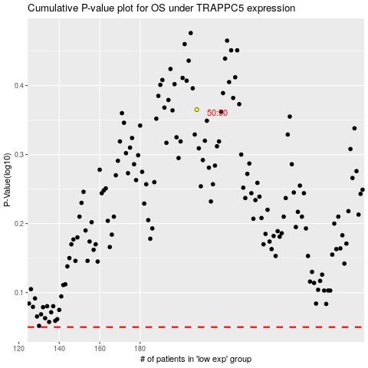

 |  |  |  |  |  | cases_OS | p_OS | rank | exp
 |  |  |  |  |  |  | cases_RFS | p_RFS | rank | exp

