TRAPPC6A _multivariate
Reported by Tex Li-Hsing Chi. tex@gate.sinica.edu.tw 2019-08-15

Table 2. The clinicopathological features of HNSCC cohort and TRAPPC6A expression. (Chi square test)
Cutoff at -0.31 (49.8%)
 |  | TRAPPC6A expression |  | TRAPPC6A expression |  | (Optimised)
 | Features | Low | (%) | High | (%) | Case no | P-value | Remark | Matthews
Gender | Female | 145 | 34.9 | 161 | 38.8 | 415 | 0.1116 | 0 | 0
2 | Male | 62 | 14.9 | 47 | 11.3
Age at diagnosis | <=65y | 136 | 32.8 | 138 | 33.3 | 415 | 0.9719 | 0 | 0
4 | >65y | 71 | 17.1 | 70 | 16.9
Clinical T Status | T1+T2 | 73 | 17.6 | 76 | 18.3 | 415 | 0.8666 | 0 | 0
6 | T3+T4 | 134 | 32.3 | 132 | 31.8
Clinical N Status | N0 | 114 | 27.5 | 102 | 24.6 | 415 | 0.2576 | 1 | 0
8 | N1-3 | 93 | 22.4 | 106 | 25.5
Clinical M Status | M0 | 206 | 49.6 | 206 | 49.6 | 415 | 1 | 0 | 0
10 | M1 | 1 | 0.2 | 2 | 0.5
Clinical Stage | Stage I+II | 53 | 12.8 | 49 | 11.8 | 415 | 0.7113 | 0 | 0
12 | Stage III+IV | 154 | 37.1 | 159 | 38.3
Surgical Margin status | Negative | 164 | 39.5 | 154 | 37.1 | 415 | 0.2462 | 0 | 0
14 | Positive | 43 | 10.4 | 54 | 13
Tobacco Exposure | Low | 91 | 21.9 | 70 | 16.9 | 415 | 0.0346 | 1 | 0
16 | High | 116 | 28 | 138 | 33.3

Table 3. Univariate/Multivariate Cox's proportional hazards regression analyses on OS time of TRAPPC6A gene expression in HNSCC

 |  | Univariate |  |  |  | Multivariate
 | Features | HR | CI95%(L) | CI95%(H) | P-value | HR | CI95%(L) | CI95%(H) | P-value
1 | Female | 1 |  |  |  | 1
Gender | Male | 1.157 | 0.843 | 1.587 | 0.367 | 1.196 | 0.856 | 1.671 | 0.295
11 | <=65y | 1 |  |  |  | 1
Age at diagnosis | >65y | 1.329 | 0.99 | 1.784 | 0.058 | 1.393 | 1.025 | 1.894 | 0.034
12 | T1+T2 | 1 |  |  |  | 1
Clinical T Status | T3+T4 | 1.409 | 1.028 | 1.931 | 0.033 | 2.204 | 1.166 | 4.168 | 0.015
13 | N0 | 1 |  |  |  | 1
Clinical N Status | N1-3 | 1.185 | 0.89 | 1.577 | 0.246 | 1.254 | 0.877 | 1.793 | 0.216
14 | M0 | 1 |  |  |  | 1
Clinical M Status | M1 | 4.097 | 1.009 | 16.644 | 0.049 | 9.449 | 2.061 | 43.323 | 0.004
15 | Stage I+II | 1 |  |  |  | 1
Clinical Stage | Stage III+IV | 1.245 | 0.882 | 1.759 | 0.213 | 0.502 | 0.234 | 1.077 | 0.077
16 | Negative | 1 |  |  |  | 1
Surgical Margin status | Positive | 1.591 | 1.155 | 2.191 | 0.004 | 1.681 | 1.215 | 2.325 | 0.002
17 | Low | 1 |  |  |  | 1
Tobacco Exposure | High | 1.364 | 1.008 | 1.844 | 0.044 | 1.465 | 1.061 | 2.022 | 0.02
18 | Low | 1 |  |  |  | 1
RNAseq(z-score) | High | 0.991 | 0.744 | 1.319 | 0.95 | 0.932 | 0.696 | 1.248 | 0.637

Table 4. Univariate/Multivariate Cox's proportional hazards regression analyses on RFS time of TRAPPC6A gene expression in HNSCC

 |  | Univariate |  |  |  | Multivariate
 | Features | HR | CI95%(L) | CI95%(H) | P-value | HR | CI95%(L) | CI95%(H) | P-value
1 | Female | 1 |  |  |  | 1
Gender | Male | 1.157 | 0.843 | 1.587 | 0.367 | 1.196 | 0.856 | 1.671 | 0.295
11 | <=65y | 1 |  |  |  | 1
Age at diagnosis | >65y | 1.329 | 0.99 | 1.784 | 0.058 | 1.393 | 1.025 | 1.894 | 0.034
12 | T1+T2 | 1 |  |  |  | 1
Clinical T Status | T3+T4 | 1.409 | 1.028 | 1.931 | 0.033 | 2.204 | 1.166 | 4.168 | 0.015
13 | N0 | 1 |  |  |  | 1
Clinical N Status | N1-3 | 1.185 | 0.89 | 1.577 | 0.246 | 1.254 | 0.877 | 1.793 | 0.216
14 | M0 | 1 |  |  |  | 1
Clinical M Status | M1 | 4.097 | 1.009 | 16.644 | 0.049 | 9.449 | 2.061 | 43.323 | 0.004
15 | Stage I+II | 1 |  |  |  | 1
Clinical Stage | Stage III+IV | 1.245 | 0.882 | 1.759 | 0.213 | 0.502 | 0.234 | 1.077 | 0.077
16 | Negative | 1 |  |  |  | 1
Surgical Margin status | Positive | 1.591 | 1.155 | 2.191 | 0.004 | 1.681 | 1.215 | 2.325 | 0.002
17 | Low | 1 |  |  |  | 1
Tobacco Exposure | High | 1.364 | 1.008 | 1.844 | 0.044 | 1.465 | 1.061 | 2.022 | 0.02
18 | Low | 1 |  |  |  | 1
RNAseq(z-score) | High | 0.991 | 0.744 | 1.319 | 0.95 | 0.932 | 0.696 | 1.248 | 0.637

Kaplan-Meier survival estimate: Cutoff at -0.31 (49.8%)

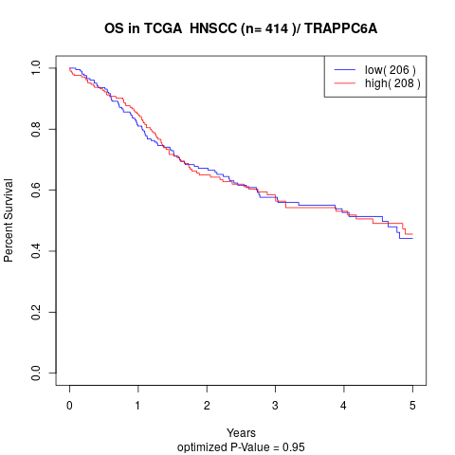

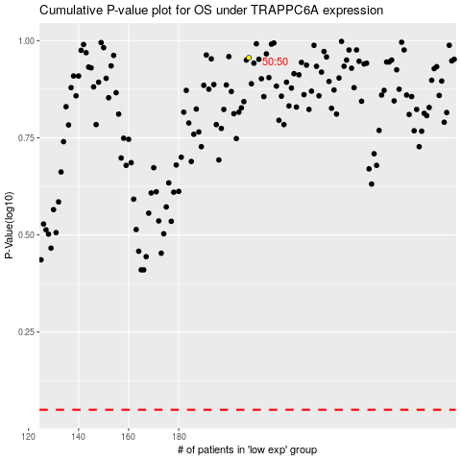

 |  |  |  |  |  | cases_OS | p_OS | rank | exp
 |  |  |  |  |  |  | cases_RFS | p_RFS | rank | exp

